Cover
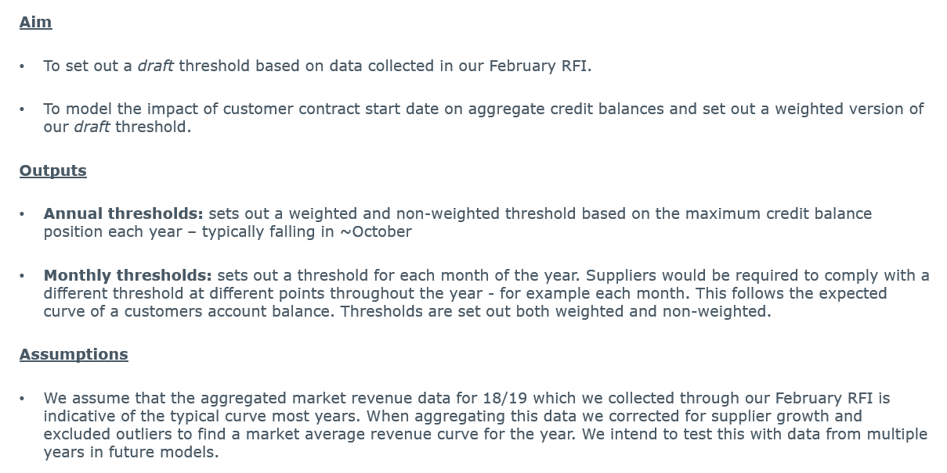
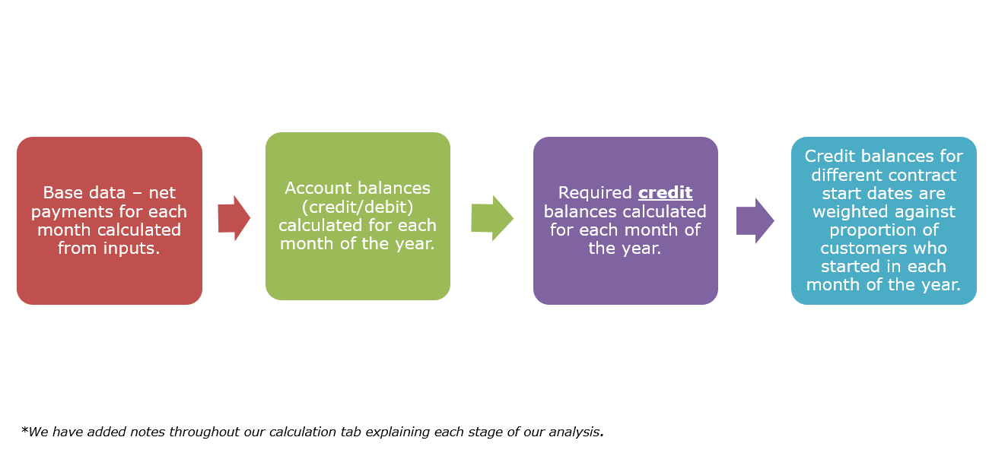
DISCLAIMER: the inputs used in this model represent market data from a single year (2018/19) of domestic consumption across the whole market. This model represents our initial views on the correct level to set a credit balance threshold. However, this is not intended to represent our final threshold determinations which would need to be set based on a number of years' worth of data, and in consultation with stakeholders.

