Analysis of expenditure
Data for figure 3.01F and figure 3.02F
 | Cumulative five year actuals (figure 1.02) |  |  | Eight-year figure (figure 1.03) |  |  | Figure 3.01F Cumulative four year actuals
GDNs | Opex | Repex | Capex | Opex | Repex | Capex
EoE | 10% | -21% | -16% | 8% | -15% | 10%
Lon | 7% | -34% | -4% | 3% | -23% | 17%
NW | 6% | -17% | -24% | 2% | -15% | -11%
WM | -2% | -21% | -25% | -4% | -19% | -21%
NGN | -19% | -11% | -4% | -19% | -13% | 7%
Sc | -27% | -23% | -14% | -26% | -16% | -1%
So | -23% | -17% | -9% | -22% | -12% | -5%
WWU | -17% | -24% | -17% | -15% | -24% | -18%
*Although these graphs show expenditure against allowances at the disaggregated cost category level, GDNs were given a totex allowance to spend as appropriate to meet their outputs. They were not given an allowance for each cost category and are therefore able to reallocate costs across categories

 |  |  |  |  |  |  | Figure 3.02F Eight-years actuals and forecasts

Forecast totex
Table 3.3
GDNs' Totex - allowed vs actual five year cumulative and RIIO-GD1 forecast
GDN |  | 5 Year Cumulative |  |  |  | RIIO-GD1 Forecast
 |  | Adj'd Allowance1 | Actual | Variance |  | Adj'd Allowance1 | Actual (forecast) | Variance
 |  | £m | £m | £m | % | £m | £m | £m | %
Cadent | EoE | 1,719 | 1,603 | (116) | (6.7%) | 2,708 | 2,678 | (31) | (1.1%)
 | Lon | 1,547 | 1,285 | (262) | (16.9%) | 2,435 | 2,186 | (249) | (10.2%)
 | NW | 1,295 | 1,185 | (110) | (8.5%) | 2,043 | 1,897 | (146) | (7.1%)
 | WM | 1,001 | 866 | (135) | (13.4%) | 1,590 | 1,376 | (214) | (13.5%)
NGN | NGN | 1,347 | 1,175 | (172) | (12.8%) | 2,111 | 1,881 | (230) | (10.9%)
SGN | Sc | 1,101 | 852 | (249) | (22.6%) | 1,721 | 1,411 | (310) | (18.0%)
 | So | 2,209 | 1,812 | (397) | (18.0%) | 3,462 | 2,969 | (493) | (14.2%)
WWU | WWU | 1,363 | 1,097 | (265) | (19.5%) | 2,155 | 1,746 | (410) | (19.0%)
Industry |  | 11,581 | 9,875 | (1,706) | (14.7%) | 18,226 | 16,144 | (2,082) | (11.4%)
1 Adjusted allowance - includes adjustment for Tier 2A and additional allowances for Physical Site Security, Streetworks (incl. forecasted), London Medium Pressure adjustment, fuel poor and Xoserve. These costs do not include PCFM policy adjustments.

Figure 3.3
Industry controllable totex forecasts, adjusted allowances and actuals trends

 | Adjusted Planned allowances | GD1 2017-18 Forecast | GD1 2016-17 Forecast
2014 | 2359.560143 | 1964.3289179 | 1894.0200394
2015 | 2299.4487485 | 2002.4360578 | 1930.6481133
2016 | 2295.1492239 | 1992.1814234 | 1920.8735803
2017 | 2315.7421771 | 1983.0059898 | 1911.9018794
2018 | 2310.9376358 | 1933.2483659 | 2017.4092767
2019 | 2282.8554324 | 2113.3578201 | 1994.1157562
2020 | 2198.7427045 | 2126.2940761 | 1954.7563546
2021 | 2162.4509341 | 2028.9897274 | 1887.616912

£m 2017-18 prices

Customer Bill Impact
Table 3.1
Regional estimates of typical GB consumer cost to meet allowed revenue (£ Real 2017-18 price base) customer bill per typical domestic consumer) |  |  |  |  |  | Figure 3.2: Estimate of typical GB consumer costs to cover the allowed revenue payments

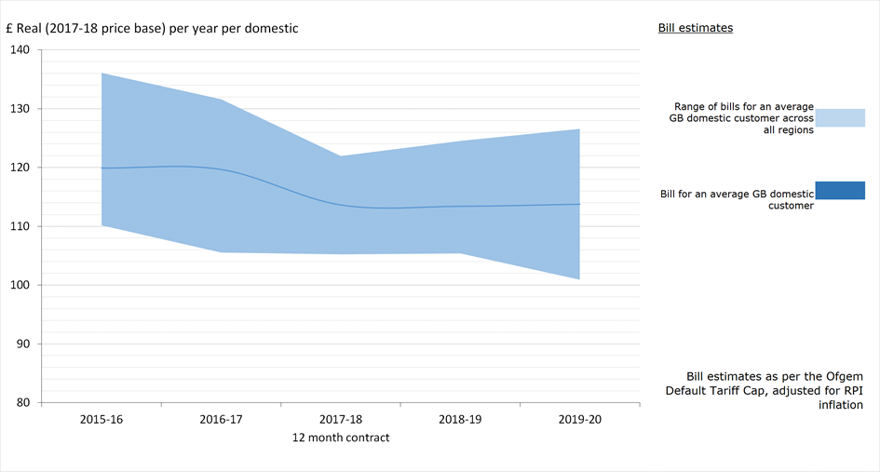

Year: | Apr-15 | Apr-16 | Apr-17 | Apr-18 | Apr-19
GB average: | 120 | 120 | 114 | 113 | 114
Licensee
Cadent - East of England | 112 | 106 | 105 | 105 | 101
Cadent - London | 136 | 132 | 122 | 122 | 127
Cadent - North West | 119 | 118 | 110 | 110 | 110
Cadent - West Midlands | 116 | 113 | 110 | 110 | 109
Northern Gas Networks | 120 | 116 | 110 | 106 | 110
SGN - Scotland | 110 | 121 | 112 | 113 | 112
SGN - Southern | 127 | 128 | 121 | 125 | 122
Wales and West Utilities | 122 | 123 | 118 | 115 | 119

