Financial data
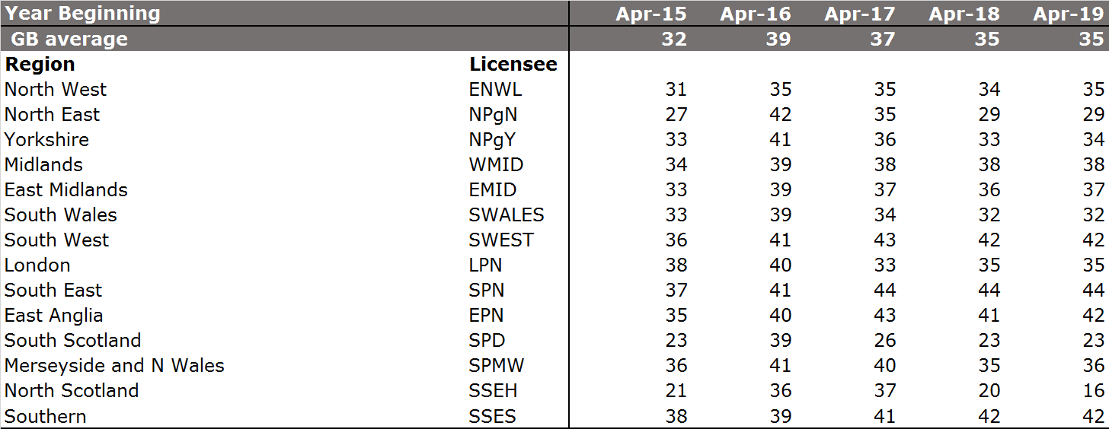
The Finance annex is available here: https://www.ofgem.gov.uk/publications-and-updates/regulatory-financial-performance-annex-riio-1-annual-reports-2017-18

Figure 1: RoRE based on Notional Gearing – RIIO-ET1 period

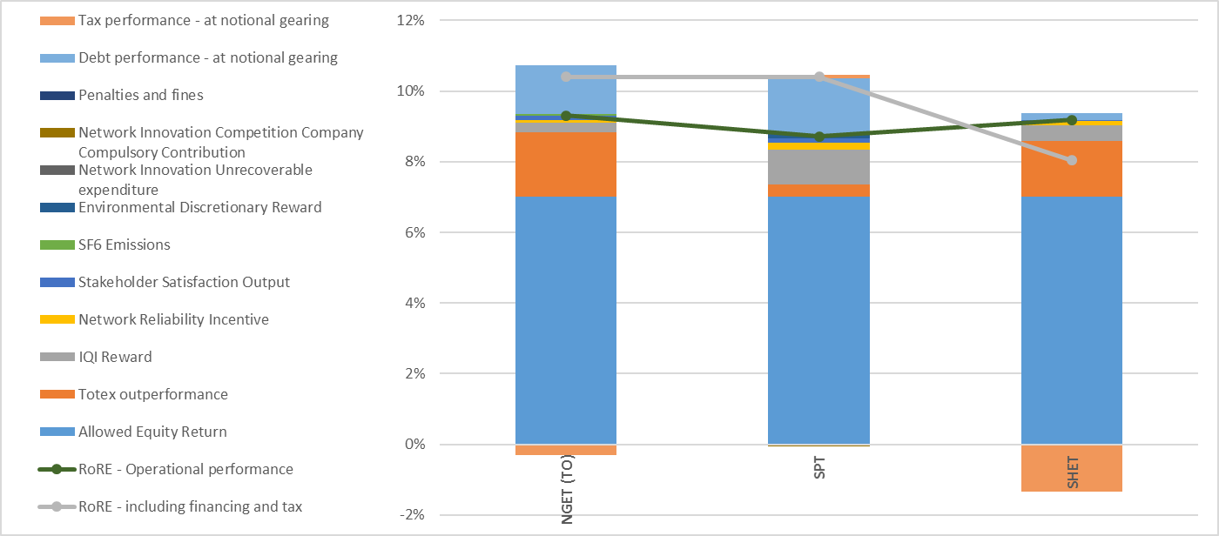

Table 14 – RoRE based on Notional Gearing – RIIO-ET1 period
 | NGET TO | SPT | SHET
RIIO-ET1 operational RoRE | 9.30% | 8.70% | 9.20%
Financing and tax performance | 1.10% | 1.70% | -1.10%
Total RoRE | 10.40% | 10.40% | 8.00%

Figure 2: Estimates of typical GB consumer costs to meet allowed revenue

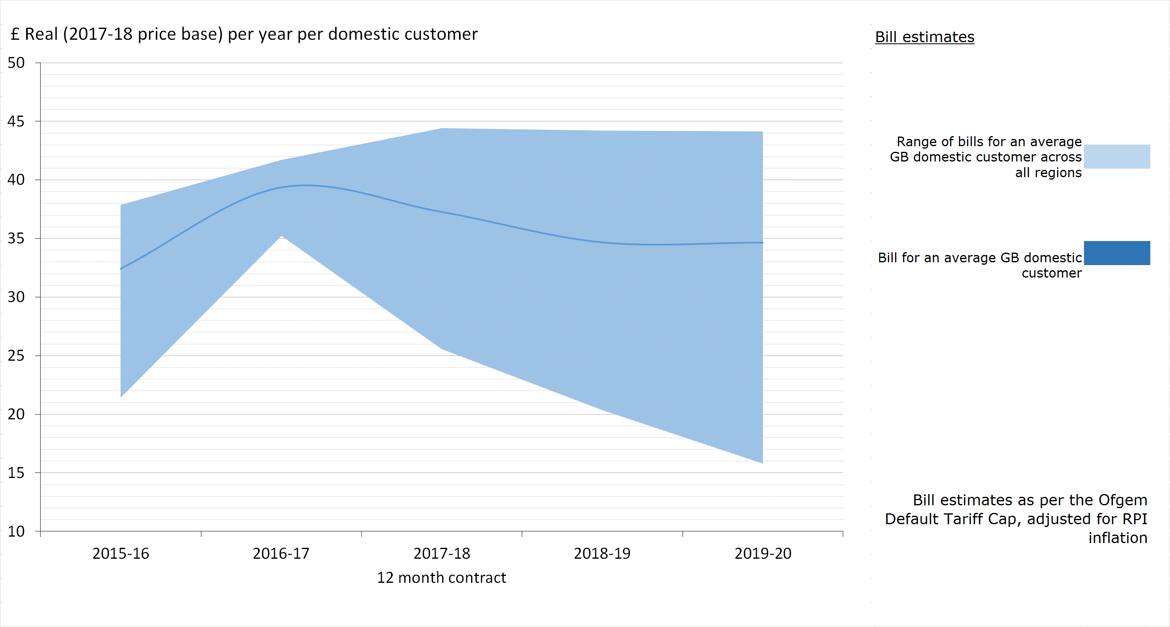

Table 15: Regional estimates of typical GB consumer cost to meet allowed revenue (£ Real (2017-18 price basis) customer bill per typical domestic consumer)

NGET SO totex performance
Figure 3: Actual and forecast expenditure vs SO forecast allowance

 | 2014 | 2015 | 2016 | 2017 | 2018 | 2019 | 2020 | 2021 |  | ACTUAL | ACTUAL | ACTUAL | ACTUAL | ACTUAL | FORECAST | FORECAST | FORECAST
Actual expenditure | 146 | 145 | 148 | 169 | 181 |  |  |  |  | 2014 | 2015 | 2016 | 2017 | 2018 | 2019 | 2020 | 2021 | TOTAL
Forecast expenditure |  |  |  |  |  | 217.2 | 184.8 | 168.5 | ToTEX allowance 2009/10 | 126.3 | 115.6 | 120.3 | 124.7 | 136.1 | 162.8 | 138.2 | 135.8 | 1,059.7
Forecast adjusted allowance | 160.9 | 147.3 | 153.3 | 158.8 | 173.4 | 207.4 | 176.1 | 173.0 | TOTEX allowance (£/m) 2017/18 | 160.9 | 147.3 | 153.3 | 158.8 | 173.4 | 207.4 | 176.1 | 173.0 | 1,350.2
 |  |  |  |  |  |  |  |  | Controllable opex (£/m) 2017/18 | 104.46 | 101.07 | 105.04 | 111.16 | 118.66 | 138.97 | 124.72 | 123.15 | 927.2
 |  |  |  |  |  |  |  |  | CAPEX (£/m) 2017/18 | 41.04 | 43.84 | 42.60 | 57.39 | 62.08 | 78.27 | 60.08 | 45.30 | 430.6
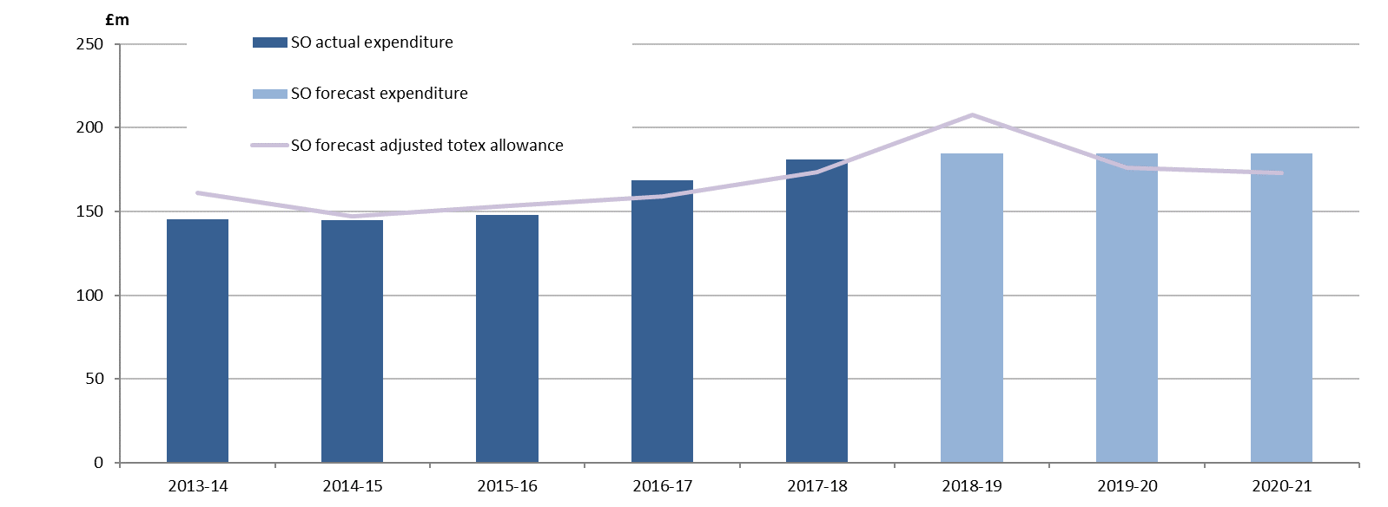
 |  |  |  |  |  |  |  |  | TOTEX expenditure (actual and forecast) (£/m) | 145.50 | 144.91 | 147.64 | 168.55 | 180.74 | 217.24 | 184.81 | 168.45 | 1,357.8

APPENDIX 3
Table A3.1: Ofgem’s current view of total expenditure and adjusted allowed totex: SPT & SHET (pre true-up) |  |  |  |  |  |  | Table A3.2: Ofgem’s current view SPT’s LRE vs forecast allowance (pre true-up) |  |  |  |  |  |  |  | Table A3.3: Ofgem’s current view of SHET’s LRE vs forecast allowance (pre true-up)

 | £ billion, 2017-18 Prices | SHET | SPT |  |  |  | Cost category | A | B | C | D = B-A | E = (B+C)-A |  |  | Cost category |  | A | B |  | C |  |  | D = B-A | E = (B+C)-A
TOTEX | a. Current forecast of T1 expenditure | 3.24 | 2.19 |  |  |  | (RRP reference) |  |  |  |  |  |  |  | (RRP reference)
 | b. Current forecast of T1 allowance | 3.54 | 2.26 |  |  |  | £m, 2017/18 Prices | 8 year forecast allowed Totex | T1 forecast expenditure: T1 delivery | T1 forecast expenditure: delivery beyond T1 | T1 Performance |  | Total cost Performance |  | £m, 2017/18 Prices |  | 8 year forecast allowed Totex |  | T1 forecast expenditure: T1 delivery |  |  | T1 forecast expenditure: T1+2 delivery | T1 Performance |  | Total cost Performance
 | Performance (a-b) | -0.3 | -0.07
 |  |  |  |  |  |  | Transmission connection assets (LR1 & LR2) | 121 | 86 | 35 | -35 |  | 0 |  | Transmission connection assets |  | 291 |  | 145 |  |  | 11 | -146 |  | -135
 |  |  |  |  |  |  | Generation connection volume driver: Sole use (LR9 & LR10) | 41 | 64 | 18 | 23 |  | 41 |  | (LR1 & LR2)
 |  |  |  |  |  |  | Generation connection volume driver: Shared use (LR11) | 153 | 213 | 0 | 45 |  | 45 |  | Generation connection volume driver: Sole use |  | 390 |  | 388 |  |  | 60 | -2 |  | 58
 |  |  |  |  |  |  | Plus IRM adjustment | (+26) | (+11) |  |  |  |  |  | (LR5 & LR6)
 |  |  |  |  |  |  | Generation connection volume driver: Shared use (LR12) | 177 | 170 | 20 | -1 |  | 19
 |  |  |  |  |  |  | Plus IRM adjustment |  | (+6) |  |  |  |  |  | Generation connection volume driver: Shared use (LR7 & LR8) |  | 583 |  | 541 |  |  | 94 | -42 |  | 52
 |  |  |  |  |  |  | Baseline wider works connections (LR21) | 654 | 537 | 0 | -117 |  | -117
 |  |  |  |  |  |  | MSCDN (LR15)† | 19 | 8 | 4 | -11 |  | -7 |  | Baseline wider works connections (LR20) |  | 67 |  | 61 |  |  | 0 | -6 |  | -6
 |  |  |  |  |  |  | GSP reinforcement (LR13) | 72 | 35 | 35 | -37 |  | -2
 |  |  |  |  |  |  | SWW pre-construction activity only (LR20) | 28 | 3 | 0 | -25 |  | -25 |  | Ex ante infrastructure: onshore (LR3) |  | 9 |  | 16 |  |  | 0 | 7 |  | 7
 |  |  |  |  |  |  | Transmission System Services (LR22) | 1 | 3 | 0 | 2 |  | 2 |  | Ex ante infrastructure: offshore (LR3) |  | 39 |  | 27 |  |  | 0 | -12 |  | -12
 |  |  |  |  |  |  | Total (excl current forecast of capital contributions) | 1,292 | 1,136 | 112 | -156 |  | -44 |  | Shetland (LR13) |  | 39 |  | 28 |  |  | 0 | -11 |  | -11
 |  |  |  |  |  |  | Current forecast of customer contributions |  | -90 | 0 |  |  |  |  | Shared-use pre construction activity (LR15) |  | 35 |  | 40 |  |  | 3 | 5 |  | 8
 |  |  |  |  |  |  | Adjusted total |  | 1,046 | 112 | -246 |  | -134 |  | Approved SWW (LR18) |  | 1,472 |  | 1,303 |  |  | 0 | -169 |  | -169
 |  |  |  |  |  |  |  |  |  |  |  |  |  |  | capex only†
 |  |  |  |  |  |  |  |  |  |  |  |  |  |  | SWW pre construction activity only (LR21) |  | 91 |  | 73 |  |  | 0 | -18 |  | -16
 |  |  |  |  |  |  |  |  |  |  |  |  |  |  | Transmission System Services (LR22) |  | 3 |  | 3 |  |  | 0 | 0 |  | 0
 |  |  |  |  |  |  |  |  |  |  |  |  |  |  | Pre True-up Total |  | 3,019 |  | 2,625 |  |  | 168 | -394 |  | -226
 |  |  |  |  |  |  |  |  |  |  |  |  |  |  | Current forecast of customer contributions |  |  |  | -96 |  |  | 0
 |  |  |  |  |  |  |  |  |  |  |  |  |  |  | 1. Adjusted total |  |  |  | 2,529 |  |  | 168 | -490 |  | -322
 |  |  |  |  |  |  |  |  |  |  |  |  |  |  | Hand back | -60
Table A3.4: excluded services spend vs allowance (pre true-up) |  |  |  |  |  |  | Table A3.5: excluded services true-up, including RPEs |  |  |  |  |  |  |  | 2. Adjusted total | 2,959 |  |  | 2,529 |  | 168 |  | -430 |  | -262
£m, 2017/18 prices | T1 | T2 | Total |  |  |  |  | 1 | 2 | 3 (1+2) | 4 | 5 |  | 6 (4+5)
LR1 expenditure | 75 | 35 | 110 |  |  |  | £m, 2017/18 prices | Baseline allowance (pre CC) | Original Forecast Customer Contributions | Baseline allowance (post CC) | Current forecast Customer Contributions | Current view of expenditure |  | Net current view of expenditure | † Not including the handback.
LR2 expenditure | 11 | 0 | 11 |  |  |  | LR1 Allowance | 100 | -36 | 64 | -68 | 111 |  | 44
a. Sub total | 86 | 35 | 121 |  |  |  | LR2 Allowance | 22 | -22 | 0 | -11 | 11 |  | 0
LR1 allowance | 99 | n/a | 99 |  |  |  | TOTAL | 122 | -58 | 64 | -79 | 122 |  | 44
LR2 allowance | 22 | n/a | 22 |  |  |  | Forecast “true-up” value (Col 6 - Col 3) |  |  |  |  |  |  | -20
b. Sub total | 121 | n/a | 121
TOTAL a-b | -35 | 35 | 0

Table A3.6: excluded services spend vs allowance (pre true-up, incl. RPEs) |  |  |  |  |  |  | Table A3.7: excluded services true-up, including RPEs
£m, 2017/18 prices | T1 | T2 | Total |  |  |  |  | 1 | 2 | 3 (1+2) | 4 | 5 |  | 6 (4+5)
LR1 expenditure | 61 | 11 | 72 |  |  |  | £m, 2017/18 prices | Baseline allowance (pre CC) | Original Forecast Customer Contributions | Baseline allowance (post CC) | Current forecast Customer Contributions | Current view of expenditure |  | Net current view of expenditure
LR2 expenditure | 84 | 0 | 84 |  |  |  | LR1 Allowance | 177 | 0 | 177 | -35 | 72 |  | 37
a. Sub total | 145 | 11 | 155 |  |  |  | LR2 Allowance | 114 | 0 | 114 | -5 | 84 |  | 78
LR1 allowance | 177 | 0 | 177 |  |  |  | TOTAL | 291 | 0 | 291 | -41 | 155 |  | 115
LR2 allowance | 114 | 0 | 114 |  |  |  | Forecast “true-up” value (Col 6 - Col 3) |  |  |  |  |  |  | -176
b. Sub total | 291 | 0 | 291
TOTAL a-b | -145 | 11 | -136

Table A3.9: sole-use spend vs allowance (up to threshold)
(£m, 2017/18 prices) | T1 | T2 | Total |  |  |  | Table A3.10 sole-use spend vs allowance (above threshold)
a. LR5 expenditure | 111 | 3 | 114 |  |  |  | (£m, 2017/18 prices) | T1 | T1+2 | Total
b. LR5 allowance | 136 | n/a | 136 |  |  |  | typical expenditure | 49 | 27 | 76
Performance (a-b) | -25 | 3 | -22 |  |  |  | atypical expenditure | 228 | 30 | 259
 |  |  |  |  |  |  | a. Total | 277 | 57 | 334
 |  |  |  |  |  |  | typical allowance | 29 | 9 | 38
 |  |  |  |  |  |  | atypical allowance | 225 | 25 | 250
 |  |  |  |  |  |  | b. Total | 254 | 34 | 288
 |  |  |  |  |  |  | Performance (a-b) | 20 | 23 | 53

Table A3.11: SHET’s shared-use spend vs allowance (up to threshold) |  |  |  |  |  |  | Table A3.12 shared-use spend vs allowance (above threshold)
(£m, 2017/18 prices) | T1 | Total |  |  |  |  | (£m, 2017/18 prices) | T1 | T2 | Total
a. LR7 expenditure | 62 | 62 |  |  |  |  | typical expenditure | 441 | 61 | 502
b. LR7 allowance | 114 | 114 |  |  |  |  | atypical expenditure | 38 | 33 | 71
Performance (a-b) | -52 | -52 |  |  |  |  | a. Total | 479 | 94 | 573
 |  |  |  |  |  |  | typical allowance | 430 | 53 | 483
 |  |  |  |  |  |  | atypical allowance | 39 | 33 | 72
 |  |  |  |  |  |  | b. Total | 469 | 86 | 556
 |  |  |  |  |  |  | Performance (a-b) | 9 | 8 | 17

Table A3.13: sole-use spend vs allowance (up to threshold) |  |  |  |  |  |  | Table A3.14: SPT shared-use spend vs allowance (up to threshold)
(£m, 2017/18 prices) | T1 | T2 | Total |  |  |  | (£m, 2017/18 prices) | T1 | Total
a. LR9 expenditure | 64 | 18 | 82 |  |  |  | LR11 expenditure | 213
b. LR9 allowance | 97 | n/a | 97 |  |  |  | IRM expenditure | 11
c. Performance (a-b) | -33 | 18 | -15 |  |  |  | a. Expenditure | 224 | 224
d. Estimated clawback (SPT value) | 56 | n/a | 56 |  |  |  | LR11 allowance | 153
Adjusted performance (c+d) | 23 | 18 | 41 |  |  |  | IRM allowance | 26
 |  |  |  |  |  |  | b. Allowance | 179 | 179
 |  |  |  |  |  |  | Performance (a-b) | 45 | 45
Table A3.16: SHET BWW forecast
 |  |  |  |  |  |  | Table A3.17: SPT BWW forecast
£m, 2017-18 prices | Allowance | Expenditure | Performance
TOTAL | 67.3 | 60.6 | -6.7 |  |  |  | Scheme name | Allowance |  |  | Net position K-S project only
 |  |  |  |  |  |  | £m, 2017-18 prices (excl RPMs) |  | Expenditure | Performance
 |  |  |  |  |  |  | Scottish series and shunt compensation | 108.6 | 59.5 | -49.1
Table A3.18. SPT’s MSCDN spend vs allowance |  |  |  |  |  |  | East - West Upgrade | 71.9 | 76.7 | 5.1
 |  |  |  |  |  |  | Western HVDC | 428 | 357.9 | -70.1
£m, 2017/18 prices | T1 | T2 | Total |  |  |  | Hunterston Kintyre link | 24.9 | 29.5 | 4.6
a. expenditure | 8 | 4 | 12 |  |  |  | Kilmarnock South (not a ‘live’ project) | 21.3 | 0 | -21.3
b. LR15 allowance | 19 | n/a | 19 |  |  |  | Kilmarnock South Substitute | 0 | 13.6 | 13.6 | -7.7
Performance (a-b) | -11 | 4 | -7 |  |  |  | TOTAL | 654.3 | 537.2 | -117.2

Table A3.19: revised Shetland spend vs allowance (LR13) |  |  |  |  |  |  | Table A3.20: SHET wider work spend vs allowance (LR3)

£m, 2017-18 prices | Allowance | Expenditure | Performance |  |  |  | £m, 2017-18 prices | Allowance | Expenditure | Performance
TOTAL | 39.2 | 28 | -11.2 |  |  |  | Onshore | 9.2 | 16.3 | 7.1
 |  |  |  |  |  |  | Offshore | 39.4 | 27.1 | -12.3
 |  |  |  |  |  |  | TOTAL | 48.6 | 43.4 | -5.2

Table A3.21: SHET shared-use pre-construction spend vs allowance (LR15) |  |  |  |  |  |  | Table A3.22. SPT’s GSP reinforcement spend vs allowance (LR13)
 |  |  |  |  |  |  | (£m, 2017/18 prices) | T1 | T2 | Total
£m, 2017/18 prices | T1 | T2 | Total |  |  |  | a. expenditure | 35 | 35 | 70
a. expenditure | 40 | 3 | 43 |  |  |  | b. LR13 allowance | 72 | n/a | 72
b. LR15 allowance | 35 | n/a | 35 |  |  |  | Performance (a-b) | -37 | 35 | -2
Performance (a-b) | 5 | 3 | 8

Table A3.23: SHET approved SWW spend vs allowance (excl. handback) |  |  |  |  |  |  | Table A3.24: SHET approved SWW spend vs allowance (incl. handback)

£m, 2017-18 prices | Capex Allowance | Expenditure | Performance |  |  |  | £m, 2017-18 prices | Capex Allowance | Expenditure | Performance
Caithness Moray | 1,195.10 | 1,070.00 | -125.1 |  |  |  | Caithness Moray | 1,135 | 1,070 | -65
Beauly Mossford overhead line | 57.4 | 49.5 | -7.9 |  |  |  | Beauly Mossford overhead line | 57.4 | 49.5 | -7.9
Kintyre Hunterston | 219.6 | 183.5 | -36.2 |  |  |  | Kintyre Hunterston | 219.6 | 183.5 | -36.2
TOTAL | 1,472.10 | 1,303 | -169.2 |  |  |  | TOTAL | 1,412 | 1,303 | -109.1

Table A3.25: SHET pre construction activity (LR21) |  |  |  |  |  |  | Table A3.26: SPT pre construction activity (LR21)

£m, 2017-18 prices | Allowance | Expenditure | Performance |  |  |  | £m, 2017-18 prices | Allowance | Expenditure | Performance
SWW pre construction | 91.1 | 75.2 | -15.1 |  |  |  | TOTAL | 28 | 2.7 | -25.3
(incl. future schemes)
SWW pre construction | 91.1 | 54.9 | -36.2
(excl. future schemes)

Table A3.27: SHET view of drivers of load related performance |  |  |  |  |  |  | Table A3.28: SPT view of drivers of load related performance (pre true-up)

Load-Related Mechanism | Efficiency | External | Circumstantial | Price control | Total Impact |  | Load-Related Mechanism | Price Control | Efficiency | Circumstantial | Total Impact
£m 2017/18 prices |  |  |  |  |  |  | £m 2017/18 prices
Demand Connections* (LR13) |  | -19 |  |  | -19 |  | Demand Connections | 0.3 | 0 | -1.1 | -0.8
Generation Connections* (LR3/5/6/7/8) | -27 | 80 |  | -27 | 20 |  | Generation Connections | 174.3 | 0 | -100.3 | 74
Baseline Wider Works (LR15/21) | -3 | 1 | 4 |  | 2 |  | Baseline Wider Works | 0 | -66.5 | -83.7 | -150.2
SWW (LR20) | -109 |  |  |  | -109 |  | GSP Reinforcement | 0 | 1.4 | -2.9 | -1.5
Other |  | 13 |  |  |  |  | Infrastructure TSS | 0 | 0 | 2.1 | 2.1
Total | -139 | 69 | 4 | -27 | -92 |  | Total | 174.6 | -65.1 | -185.9 | -74.6

Figure A2.1: SPT view of drivers of load related performance |  |  | Table A3.29: SHET non-operational capex spend vs allowance

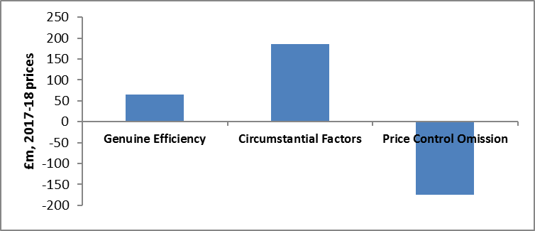
 |  |  | £m, 2017-18 prices | Allowance | Expenditure | Performance
 |  |  | TOTAL | 9.43 | 28.42 | 18.98

 |  |  | Table A3.30: SPT non-operational capex spend vs allowance
 |  |  | £m, 2017-18 prices | Allowance | Expenditure | Performance
 |  |  | TOTAL | 9.17 | 17.8 | 8.63

Table A3.31: SHET opex spend vs allowance |  |  |  |  |  |  | Table A3.32: SPT opex spend vs allowance
£m, 2017-18 prices | Allowance | Expenditure | Performance |  |  |  | £m, 2017-18 prices | Allowance | Expenditure | Performance
TOTAL | 247 | 246 | -1 |  |  |  | TOTAL | 200.25 | 270.38 | 70.13

Table A3.33: SPT opex spend vs allowance 2013/14 to 2017/18 (including capitalisation)
£m, 2017-18 prices | Allowance | Expenditure | Performance
TOTAL | 307.78 | 309.78 | 2.4

Figure A3.2: Evolution of cumulative forecast expenditure vs TO forecast NLR allowance: SHET |  |  |  | Figure A3.4: Evolution of forecast cumulative expenditure vs TO forecast NLR allowance: SPT

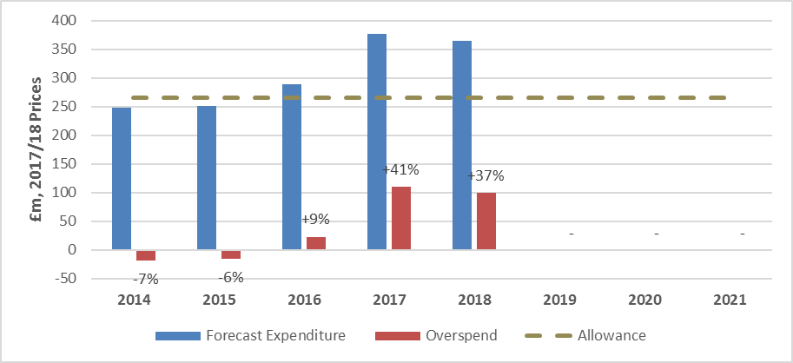
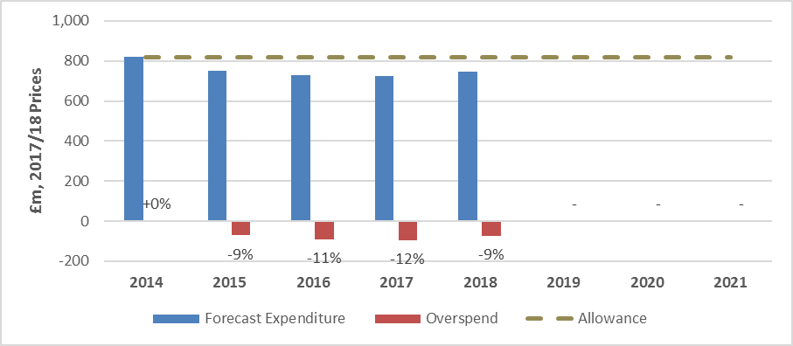
 |  |  |  |  |  |  |  | SPT | 2014 | 2015 | 2016 | 2017 | 2018 | 2019 | 2020 | 2021
 |  |  |  |  |  |  |  | Forecast Expenditure | 820 | 749 | 730 | 725 | 746 | 0 | 0 | 0
 |  |  |  |  |  |  |  | Overspend | 0 | -71 | -90 | -95 | -74 | 0 | 0 | 0
 |  |  |  |  |  |  |  |  | 0% | -9% | -11% | -12% | -9% | 0% | 0% | 0%
 |  |  |  |  |  |  |  | Y/Y Overspend Increase |  | -71 | -19 | -5 | 20
 |  |  |  |  |  |  |  |  |  | -9% | -2% | -1% | 2%
 |  |  |  |  |  |  |  | Allowance | 820 | 820 | 820 | 820 | 820 | 820 | 820 | 820

 |  |  |  |  |  |  |  | SHET | 2014 | 2015 | 2016 | 2017 | 2018 | 2019 | 2020 | 2021
 |  |  |  |  |  |  |  | Forecast Expenditure | 249 | 251 | 289 | 376 | 366 | 0 | 0 | 0
 |  |  |  |  |  |  |  | Overspend | -18 | -16 | 23 | 110 | 99 | 0 | 0 | 0
 |  |  |  |  |  |  |  |  | -7% | -6% | 9% | 41% | 37% | 0% | 0% | 0%
 |  |  |  |  |  |  |  | Y/Y Overspend Increase |  | 2 | 39 | 87 | -11
 |  |  |  |  |  |  |  |  |  | 1% | 14% | 33% | -4%
 |  |  |  |  |  |  |  | Allowance | 266 | 266 | 266 | 266 | 266 | 266 | 266 | 266

Figure A3.3: Actual and forecast expenditure vs TO forecast NLR allowance: SHET

 | 2014 | 2015 | 2016 | 2017 | 2018 | 2019 | 2020 | 2021
TO Actual Expenditure | 22 | 24 | 19 | 32 | 50 | 0 | 0 | 0
TO Forecast Expenditure | 0 | 0 | 0 | 0 | 0 | 65 | 92 | 62
TO forecast adjusted allowance | 28 | 26 | 29 | 35 | 36 | 37 | 40 | 35

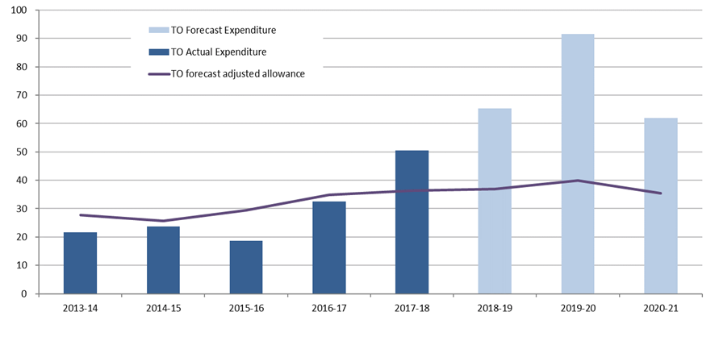

Table: A3.34: Factors contributing to RIIO-ET1 forecast position 2017RRP vs 2018RRP
Overspend/Underspend Category |  | 2016/17 | 2017/18 | Year on Year Change
RIIO-T1 Allowance |  | 266.4 | 266.4 | -
Changes | i Work volume changes | 5.3 | -8.7 | -14.1
 | ii Work cost changes | 69.8 | 128.9 | 59.1
 | iii Work type changes | -0.2 | -26.6 | -26.6
 | iv Work schedule change | - | -28.8 | -28.8
 | v Other | 35 | 34.2 | -0.8
Forecast Expenditure |  | 376.4 | 365.7 | -10.7
Total RIIO-T1 Overspend, £m 2017/18 Prices |  | 110 | 99.3 | -10.7

Figure A3.5: Actual and forecast expenditure vs TO forecast NLR allowance: SPT
 | 2014 | 2015 | 2016 | 2017 | 2018 | 2019 | 2020 | 2021
TO Actual Expenditure | 101 | 89 | 60 | 84 | 75 | 0 | 0 | 0
TO Forecast Expenditure | 0 | 0 | 0 | 0 | 0 | 105 | 125 | 102
TO forecast adjusted allowance | 85 | 88 | 90 | 104 | 115 | 115 | 123 | 100

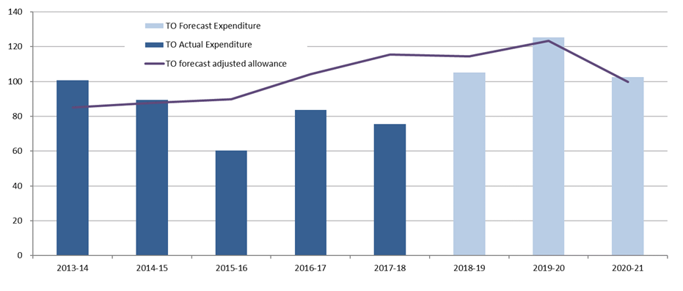

Table A3.35: Factors contributing to RIIO-ET1 forecast position 2017RRP vs 2018RRP

Overspend/Underspend Category |  | 2016/17 | 2017/18 | Year on Year Change
RIIO-T1 Allowance |  | 820.1 | 820.1 | -
Changes | Work volume changes | 335.2 | 201.7 | -133.5
 | Work cost changes | -750.3 | -323.9 | 426.4
 | Work type changes | -1.1 | -1.1
 | Work schedule change | 138.5 | 138.5
 | Other | 194.7 | -93 | -287.7
Forecast Expenditure |  | 737.1 | 742.3 | 5.3
Total RIIO-T1 Overspend, £m 2017/18 Prices |  | -83 | -77.8 | 5.3

APPENDIX 4
Table A4.1: Ofgem’s view of NGET TO’s LRE vs forecast allowance (fixed T1+2 period forecast) |  |  |  |  |  |  |  |  | Table A4.2: Ofgem’s view of NGET TO’s LRE vs forecast allowance (NGET’s updated T1+2 period forecast)

Cost category | A | B | C | D | E = B-A | F =(B+C)-A |  |  | Cost category |  | A | B | C | D | E = B-A | F =(B+C)-A
(RRP reference) |  |  |  |  |  |  |  |  | (RRP reference)
£m, 2017/18 Prices* | Forecast allowed totex | T1 forecast expenditure: T1 delivery | T1 forecast expenditure: T1+2 delivery | T1 forecast expenditure: >T1+2 delivery |  |  |  |  | £m, 2017/18 Prices* |  | Forecast allowed totex | T1 forecast expenditure: T1 delivery | T1 forecast expenditure: T1+2 delivery | T1 forecast expenditure: T2 delivery
 |  |  |  |  | T1 Performance |  | Total cost Performance |  |  |  |  |  |  |  | T1 Performance |  | Total cost Performance

“Excluded services” (LR1 & LR2) | 412 | 380 | 58 | 0 | -32 |  | 26 |  | Transmission connection assets (LR1 & LR2) |  | 412 | 380 | 58 | 0 | -32 |  | 26
Generation connections (LR4)** | 555 | 388 | 31 | 197 | -167 |  | -136 |  | Local generation connections** (LR4) |  | 483 | 387 | 31 | 197 | -96 |  | -65

Demand Connections (LR14)** | 150 | 221 | 10 | 23 | 71 |  | 81 |  | Local demand Connections (LR14) |  | 159 | 221 | 10 | 23 | 62 |  | 72

Incremental Wider Works excluding TPWW*** (LR16) | 968 | 192 | 40 | 198 | -776 |  | -736 |  | Incremental Wider Works excluding TPWW*** (LR16) |  | 820 | 192 | 40 | 198 | -628 |  | -588
DNO volume driver & undergrounding (LR18 & LR19) | 42 | 5 | 0 | 0 | -37 |  | -37 |  | DNO volume driver & undergrounding (LR18 & LR19) |  | 29 | 5 | 0 | 0 | -24 |  | -24
SWW pre-con (LR20) approved only*** | 59 | 43 | n/a | n/a | -16 |  | -16 |  | SWW pre-construction activity approved only (LR20) |  | 59 | 43 | n/a | n/a | -16 |  | -16
BWW (LR21) incl WHVDC | 959 | 924 | n/a | n/a | -35 |  | -35 |  | Baseline Wider Work connections (LR21) incl WHVDC |  | 959 | 924 | n/a | n/a | -35 |  | -35
Other (LR3, LR13, LR15 & LR22) | 579 | 402 | 40 | 0 | -177 |  | -177 |  | Other (LR3, LR13, LR15 & LR22) |  | 579 | 402 | 40 | 0 | -177 |  | -137
TOTAL | 3,724 | 2,555 | 179 | 418 | -1169 |  | -990 |  | TOTAL |  | 3500 | 2554 | 179 | 418 | -946 |  | -767
Forecast customer contributions |  | -239 | -53 | 0 |  |  |  |  | Forecast customer contributions |  |  | -239 | -53 | 0
Adjusted total |  | 2,316 | 126 | 418 | -1,408 |  | -1,282 |  | Adjusted total |  |  | 2,316 | 126 | 418 | -1,184 |  | -1,058
Voluntary deferral | -166 |  |  |  |  |  |  |  | Voluntary deferral | -166
Adjusted total | 3,558 | 2,316 | 126 | 418 | -1,242 |  | -1,116 |  | Adjusted total | 3,337 |  | 2,316 | 126 | 418 | -1,021 |  | -895

Table A4.3: excluded services spend vs allowance (pre true-up, incl. RPEs) |  |  |  |  |  |  |  |  | Table A4.4: excluded services true-up, including RPEs

(£m, 2017/18 prices) | T1 forecast expenditure: T1 delivery | T1 forecast expenditure: T2 delivery | Total |  |  |  |  |  |  | 1 | 2 | 3 (1+2) | 4 | 5 |  | 6 (4+5)
LR1 expenditure | 7 | 1 | 8 |  |  |  |  |  | (£m, 2017/18 prices) | Baseline allowance (pre CC) | Original Forecast Customer Contributions | Baseline allowance (post CC) | Current forecast Customer Contributions | Current view of expenditure |  | Net current view of expenditure
LR2 expenditure | 373 | 57 | 430 |  |  |  |  |  | LR1 Allowance | 0 | 0 | 0 | 0 | 8 |  | 8
a. Sub total | 380 | 58 | 438 |  |  |  |  |  | LR2 Allowance | 691 | -278 | 412 | -238 | 430 |  | 192
LR1 allowance | 0 | 0 | 0 |  |  |  |  |  | TOTAL | 691 | -278 | 412 | -238 | 438 |  | 200
LR2 allowance | 412 | 0 | 412 |  |  |  |  |  | Forecast “true-up” performance (Col 6 - Col 3) |  |  |  |  |  |  | -212
b. Sub total | 412 | 0 | 412
TOTAL a-b | -32 | 58 | 26

Table A4.5: generation connection volume driver spend vs allowance (fixed forecast for T1+2)

(£m, 2017/18 prices) | Delivery within T1 period | Delivery within T1+T2 | Delivery beyond T1+T2 | Total
a. LR4 expenditure | 388 | 31 | 197 | 616
b. LR4 allowance | 301 | 254 | 0 | 555
Performance (a-b) | 87 | -223 | 197 | 60

Table A4.6: demand connection volume driver spend vs allowance (fixed forecast T1+2 period)

(£m, 2017/18 prices) | Delivery within T1 period | Delivery within T1+T2 | Delivery beyond T1+T2 | Total
a. LR14 expenditure | 221 | 10 | 23 | 254
b. LR14 allowance | 145 | 5 | 0 | 150
Performance (a-b) | 76 | 5 | 23 | 104

Table A4.7: IWW volume driver spend vs allowance (fixed forecast)

(£m, 2017/18 prices) | Delivery within T1 period | Delivery within T1+T2 | Delivery beyond T1+T2 | Total
a. LR16 expenditure | 192 | 40 | 198 | 431
b. LR16 allowance | 626 | 342 | 0 | 968
Performance (a-b) | -434 | -302 | 198 | -538

Table A4.8a: TPWW spend vs allowance

(£m, 2017/18 prices) | Pre-RIIO | T1 | Total
a. LR17 expenditure | 63 | 39 | 101
b. LR17 allowance request | 0 | 101 | 101
Performance (a-b) | 63 | -63 | 0

Table A4.8b: TPWW scheme expenditure breakdown

Reinforcement | Expenditure in RIIO-T1 | TPWW Request
Hackney - Tottenham - Waltham Cross Uprate | 2 | 28
Bramford - Braintree - Rayleigh Main Reconductoring | 1 | 31
Bramford - Twinstead _Pelham Reconductoring | 0 | 0
Rayleigh Coryton Tilbury | 28 | 28
High Marnham - West Burton Reconductor | 6 | 14
Total | 39 | 101

Table A4.9: Undergrounding/DNO mitigation volume driver spend vs allowance (fixed forecast)

(£m, 2017/18 prices) | Delivery within T1 period | Delivery within T1+T3 | Delivery beyond T1+T3 | Total
LR 18 expenditure | 0 | 0 | 0 | 0
LR18 expenditure | 0 | 0 | 5 | 5
a. Total expenditure | 0 | 0 | 5 | 5
LR18 allowance | 4 | 0 | 0 | 4
LR19 allowance | 25 | 12 | 0 | 37
b. Total allowance | 29 | 12 | 0 | 41
Performance (a-b) | -29 | -12 | 5 | -36

Table A4.10: NGET TO BWW forecast spend vs allowance (incl. RPE)

£m, 2017-18 prices | Allowance | Expenditure | Performance
Delivered BWW outputs | 153 | 180 | 27
WHVDC (delayed) | 806 | 744 | -62
TOTAL | 959 | 924 | -35

Table A4.11: SWW construction cost forecast (not yet approved)

(£m, 2017/18 prices) | T1 | Beyond T1 | Total
Hinkley Seabank | 291 | 383
Moorside (North West Coast) | 26 | 0
Eastern HVDC 1 | <1 | 0
Eastern HVDC 2 | <1 | 0
South Coast OHL | <1 | 0
New circuit between the North East and Lancashire | <1 | 0
a. Total construction expenditure | 318 | 383 | 701
b. Total forecast allowance | 318 | 383 | 701
Performance (a-b) | 0 | 0 | 0

Table A4.12: SWW pre-construction cost forecast
£m, 2017/18 prices | T1 | Total
Hinkley Seabank | 29
Eastern HVDC 1 | 7
Eastern HVDC 2 | 8
Total pre-construction expenditure | 43 | 43

Table A4.13: SWW pre-construction cost forecast (not yet approved)

(£m, 2017/18 prices) | T1 | Total
Moorside (North West Coast) | 50
South Coast OHL | 7
New circuit between the North East and Lancashire | 1
Total pre-construction expenditure | 59 | 59

Table A4.14. NGET TO Non-variant costs spend vs allowance (incl. RPE)

(£m, 2017/18 prices) | Delivery within T1 period | Delivery beyond T1 | Total
LR3 expenditure | 0 | 0 | 0
LR13 expenditure | 0 | 0 | 0
LR15 expenditure | 413 | 40 | 453
Pre True-up LR1 & LR2 expenditure | 380 | 58 | 438
TSS expenditure | -11 | 0 | -11
a. Total expenditure | 782 | 98 | 880
LR3 allowance | 58 | 0 | 58
LR13 allowance | 12 | 0 | 12
LR15 allowance | 500 | 0 | 500
Pre True-up LR1 & LR2 allowance | 412 | 0 | 412
TSS allowance | 9 | 0 | 9
b. Initial allowance | 991 | 0 | 991
c. Performance (a-b) | -199 | 98 | -111 |  |  |  |  | Figure A4.2: Evolution of NGET TO’s RIIO-ET1 eight year NLR forecasts

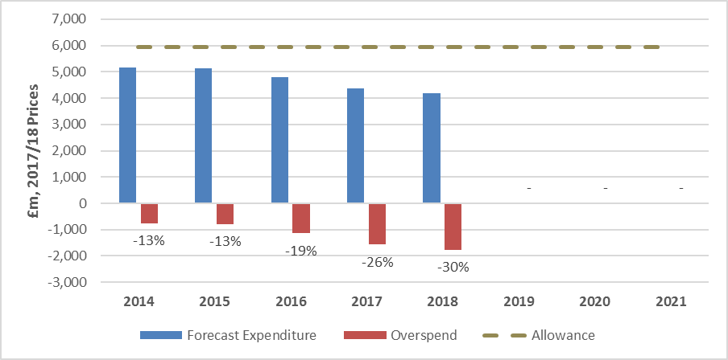
Table A4.15: NGET TO NLR expenditure and allowance

£m, 2017-18 prices |  | NGET view | Unadjusted baseline |  |  |  |  |  |  |  |  |  |  | 2014 | 2015 | 2016 | 2017 | 2018 | 2019 | 2020 | 2021
i. Starting Allowance | 5,936 |  |  |  |  |  |  |  |  |  |  |  | Forecast Expenditure | 5174 | 5147 | 4794 | 4367 | 4175 | 0 | 0 | 0
ii. Uncertainty mechanism allowances | 374 |  |  |  |  |  |  |  |  |  |  |  | Overspend | -762 | -789 | -1141 | -1568 | -1760 | 0 | 0 | 0
iii. Re-opener | 153 |  |  |  |  |  |  |  |  |  |  |  |  | -13% | -13% | -19% | -26% | -30% | 0% | 0% | 0%
iv. Voluntary Deferral | -446 |  |  |  |  |  |  |  |  |  |  |  | Y/Y Overspend Increase |  | -27 | -353 | -427 | -192
v. Effective Allowance | 6,017 |  |  |  |  |  |  |  |  |  |  |  |  |  | 0% | -6% | -7% | -3%
 |  |  |  |  |  |  |  |  |  |  |  |  | Allowance | 5936 | 5936 | 5936 | 5936 | 5936 | 5936 | 5936 | 5936
vi. Total NLR Expenditure | 4,509
vii. Reverse exceptional items | 133
viii. Category change: expenditure | 40
ix. Subtract uncertainty mechanism costs | -508
x. Effective Expenditure | 4,175

Forecast performance |  | -1,508 | -1,760
 |  | (vi – v) | (x – i)

Figure A4.1: Actual and forecast expenditure vs TO forecast NLR allowance
 | 2014 | 2015 | 2016 | 2017 | 2018 | 2019 | 2020 | 2021
TO Actual Expenditure | 493 | 364 | 399 | 449 | 484 | 575 | 0 | 0
TO Forecast Expenditure | 0 | 0 | 0 | 0 | 0 | 0 | 687 | 723
TO forecast adjusted allowance | 609 | 600 | 592 | 599 | 771 | 899 | 760 | 659

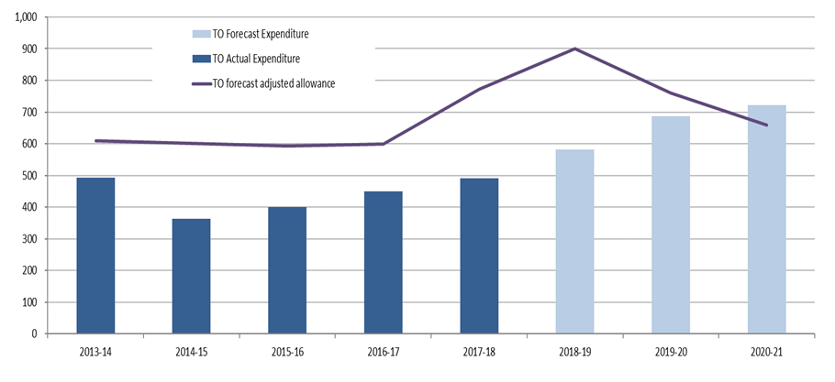

Table A4.16: Factors contributing to RIIO-ET1 forecast position 2017RRP vs 2018RRP

Overspend/Underspend Category |  | 2016/17 |  | 2017/18 |  | Year on Year Change
RIIO-T1 Allowance |  | 5,935.60 |  | 5,935.60 |  | -
Changes | Work volume changes | -273.8 |  | -418.1 |  | -144.4
 | Work cost changes | -616.8 |  | -796.2 |  | -179.4
 | Work type changes | -384.8 |  | -294.8 |  | 90
 | Cost schedule change | -452.6 |  | -277 |  | 175.7
 | Other | 96.7 |  | 25.4 |  | -71.3
Forecast Expenditure |  | 4,304.20 |  | 4,174.80 |  | -129.4
Total RIIO-T1 Overspend, £m 2017/18 Prices |  | -1,631.40 |  | -1,760.80 |  | -129.4

