Analysis of expenditure
Data for figure 3.01F and figure 3.02F
 | Cumulative four year actuals (figure 1.02) |  |  | Eight-year figure (figure 1.03) |  |  | Figure 3.01F Cumulative four year actuals
GDNs | Opex | Repex | Capex | Opex | Repex | Capex
EoE | 12% | -21% | -17% | 8% | -20% | 1%
Lon | 9% | -36% | -9% | 4% | -24% | 20%
NW | 9% | -15% | -20% | 5% | -22% | -10%
WM | 0% | -20% | -20% | -1% | -24% | -14%
NGN | -18% | -10% | -8% | -19% | -13% | 0%
Sc | -26% | -23% | -12% | -22% | -19% | -7%
So | -23% | -19% | -10% | -21% | -13% | -7%
WWU | -14% | -20% | -19% | -12% | -21% | -19%
*Although these graphs show expenditure against allowances at the disaggregated cost category level, GDNs were given a totex allowance to spend as appropriate to meet their outputs. They were not given an allowance for each cost category and are therefore able to reallocate costs across categories

 |  |  |  |  |  |  | Figure 3.02F Eight-years actuals and forecasts

Forecast totex
Table 3.3
GDNs' Totex - allowed vs actual three year cumulative and RIIO-GD1 forecast
GDN |  | 4 Year Cumulative |  |  |  | RIIO-GD1 Forecast
 |  | Adj'd Allowance1 | Actual | Variance |  | Adj'd Allowance1 | Actual (forecast) | Variance
 |  | £m | £m | £m | % | £m | £m | £m | %
Cadent | EoE | 1,318.36 | 1,237.43 | (80.9) | (6.1%) | 2,610.7 | 2,503.7 | (107.0) | (4.1%)
 | Lon | 1,191.70 | 980.77 | (210.9) | (17.7%) | 2,347.1 | 2,106.2 | (240.9) | (10.3%)
 | NW | 993.21 | 935.98 | (57.2) | (5.8%) | 1,958.3 | 1,800.3 | (158.0) | (8.1%)
 | WM | 766.37 | 677.06 | (89.3) | (11.7%) | 1,522.1 | 1,331.7 | (190.4) | (12.5%)
NGN | NGN | 1,050.65 | 913.73 | (136.9) | (13.0%) | 2,042.5 | 1,786.9 | (255.6) | (12.5%)
SGN | Sc | 845.92 | 664.15 | (181.8) | (21.5%) | 1,664.5 | 1,380.9 | (283.6) | (17.0%)
 | So | 1,712.71 | 1,378.44 | (334.3) | (19.5%) | 3,401.5 | 2,874.7 | (526.8) | (15.5%)
WWU | WWU | 1,054.42 | 869.89 | (184.5) | (17.5%) | 2,074.5 | 1,726.9 | (347.6) | (16.8%)
Industry |  | 8,933.3 | 7,657.4 | (1,275.9) | (14.3%) | 17,621.2 | 15,511.3 | (2,109.9) | (12.0%)
1 Adjusted allowance - includes adjustment for Tier 2A and additional allowances for Physical Site Security, Streetworks (incl. forecasted), London Medium Pressure adjustment, fuel poor and Xoserve. These costs do not include PCFM policy adjustments.

Figure 3.3
Industry controllable totex forecasts, adjusted allowances and actuals trends

 | Business Plan Forecasts | Ofgem adjusted allowances | Actuals | 2015-16 Forecast | 2016-17 Forecast
2009 | 2594.5578674 | 2423.9937557 | 2294.8757349
2010 | 2710.5970858 | 2514.5492148 | 2413.4171304
2011 | 2519.7932991 | 2334.2898094 | 2304.166157
2012 | 2616.1518767 | 2332.5832922 | 2239.4262739
2013 | 2617.8913986 | 2355.2099291 | 2217.647202
2014 | 2542.6969072 | 2271.15066 | 1894.0176569
2015 | 2511.4971196 | 2216.0462852 | 1930.6456847
2016 | 2548.1532174 | 2208.0039039 | 1920.8714108
2017 | 2556.354757 | 2238.1241383 | 1911.9018794 | 1959.4140024
2018 | 2569.7439951 | 2233.3282256 |  | 2000.6478979 | 2017.4092767
2019 | 2556.4470815 | 2206.1396073 |  | 2014.2325293 | 1994.1157562
2020 | 2518.1626316 | 2141.5648188 |  | 1922.2188743 | 1954.7563546
2021 | 2486.8720728 | 2106.8694437 |  | 1880.0968099 | 1887.616912

Base Revenue
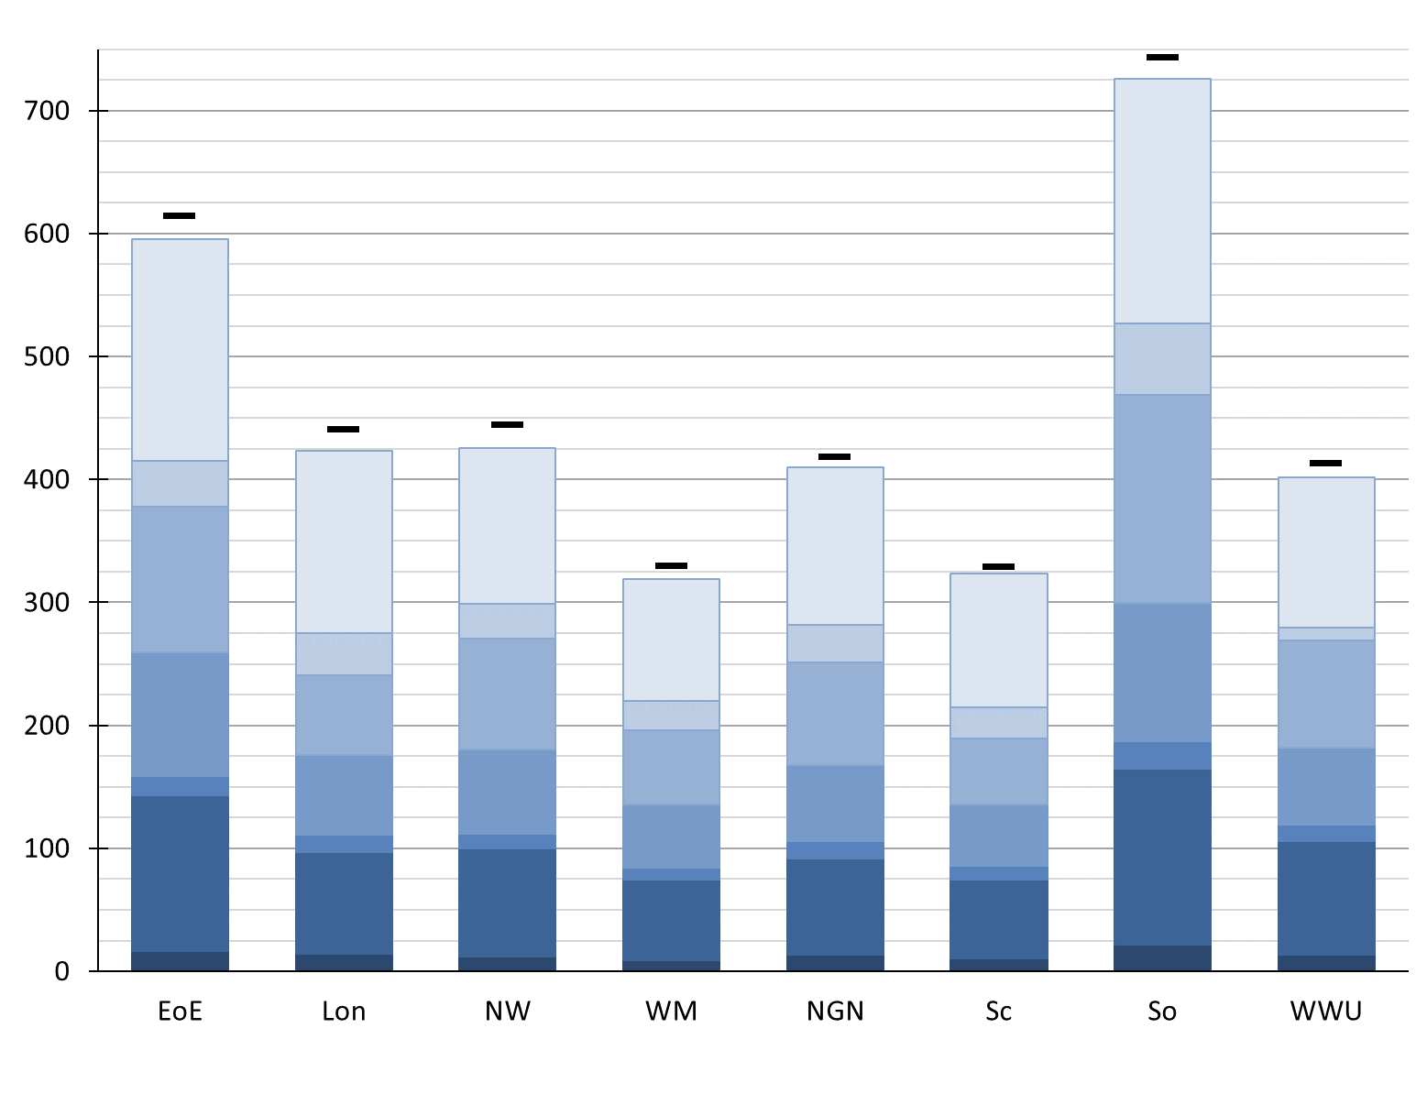
Table 3.04F: |  |  |  |  |  |  |  |  |  | Figure 3.06F:
MOD values |  |  |  |  |  |  |  |  |  | Recalculated base revenue using actual performance data up to 2016-17
 | £m 2016/17 Prices | 2013/14 | 2014/15 | 2015/16 | 2016/17 | 2017/18
 | EoE | 0.0 | -4.0 | -9.3 | -16.7 | -15.2
 | Lon | 0.0 | -3.5 | -2.1 | -5.6 | -25.4 |  |  |  |  | Base Revenue Components
 | NW | 0.0 | -3.6 | -10.6 | 5.0 | -18.9
 | WM | 0.0 | -2.7 | -6.4 | -6.6 | -16.4 |  |  |  |  | Current view of Base Revenue for 2016/17 based on performance for first 3 years. Not reflective of companies forecasts of future reopeners.
 | NGN | 0.0 | 1.2 | -6.8 | -7.7 | -13.6
 | Sc | 0.0 | -0.3 | -11.6 | 7.4 | -12.0 |  |  |  |  | Fast Money
 | So | 0.0 | -3.4 | -22.6 | -1.3 | -28.8
 | WWU | 0.0 | -0.1 | -11.6 | -8.9 | -21.2 |  |  |  |  | Tax Allowance
 | Total | 0.0 | -16.4 | -80.9 | -34.3 | -151.3
Table 3.05F: |  |  |  |  |  |  |  |  |  |  | Other Revenue Items*
RAV balance
 | £m 2016/17 Prices | Cadent |  |  |  | NGN | SGN |  | WWU |  |  | Pre-RIIO Assets | RIIO Assets
 |  | EoE | Lon | NW | WM | NGN | Sc | So | WWU
 | RAV at 1st April 2013 | 3,113 | 2,019 | 2,140 | 1,623 | 1,937 | 1,569 | 3,516 | 1,977 |  | Return on RAV for:
 | Slow Money | 518 | 466 | 396 | 291 | 434 | 348 | 720 | 442
 | Depreciation | (592) | (394) | (413) | (312) | (378) | (312) | (683) | (407) |  | Depreciation of RAV for:
 | RAV at 31st March 2017 | 3,040 | 2,090 | 2,124 | 1,602 | 1,992 | 1,606 | 3,554 | 2,012

Data for figure 3.06F: recalculated base revenue |  |  |  |  |  |  |  |  |  |  | Opening Position
 |  | Cadent |  |  |  | NGN | SGN |  | WWU
 | £m 2016/17 Prices | EoE | Lon | NW | WM | NGN | Sc | So | WWU |  | Base Revenue originally set at Final Determinations, before any RIIO performance was taken into account.
 | Fast Money | 179.9 | 148.0 | 126.6 | 98.8 | 127.6 | 108.7 | 198.6 | 122.3 |  | Opening Base Revenue
 | RAV Depreciation for Pre-RIIO | 126.7 | 82.1 | 87.3 | 66.0 | 78.8 | 64.0 | 143.0 | 91.8
 | RAV Depreciation for RIIO | 16.2 | 14.5 | 12.3 | 8.9 | 13.3 | 10.8 | 22.0 | 13.9
 | Return on RAV for Pre-RIIO | 100.0 | 64.7 | 68.6 | 52.0 | 62.0 | 50.1 | 112.7 | 62.8
 | Return on RAV for RIIO | 16.2 | 14.5 | 12.4 | 9.0 | 13.5 | 10.8 | 22.3 | 13.8 |  | *Consisting of IQI Ex-ante Reward/Penalty, Legacy mechanisms, Pension Deficit Funding, Revenue Profiling, Uncontrollable Pass-through Items and Equity Issuance Costs.
 | Tax Allowance | 37.8 | 34.2 | 28.4 | 23.4 | 30.9 | 25.2 | 58.5 | 10.7
 | Misc. | 118.4 | 65.1 | 89.8 | 60.4 | 83.4 | 53.8 | 168.6 | 86.9
 | Base Revenue | 595.2 | 423.2 | 425.3 | 318.6 | 409.6 | 323.5 | 725.7 | 402.1
 | Opening Base Revenue | 614.3 | 440.7 | 443.9 | 329.8 | 417.8 | 328.5 | 742.7 | 412.8

Customer Bill Impact
Table 3.07F
Regional estimates of typical GB consumer cost to meet allowed revenue |  |  |  |  |  |  |  |  | Figure 3.5: Estimate of typical GB consumer costs to cover the allowed revenue payments
 | Minimum | Maximum | GD charge (£ per year)
Apr-13 | 101.94 | 20.39 | 110.17
May-13 | 101.94 | 20.39 | 110.17
Jun-13 | 101.94 | 20.39 | 110.17
Jul-13 | 101.94 | 20.39 | 110.17
Aug-13 | 101.94 | 20.39 | 110.17
Sep-13 | 101.94 | 20.39 | 110.17
Oct-13 | 101.94 | 20.39 | 110.17
Nov-13 | 101.94 | 20.39 | 110.17
Dec-13 | 101.94 | 20.39 | 110.17
Jan-14 | 101.94 | 20.39 | 110.17
Feb-14 | 101.94 | 20.39 | 110.17
Mar-14 | 101.94 | 20.39 | 110.17
Apr-14 | 101.43 | 17.68 | 110.45
May-14 | 101.43 | 17.68 | 110.45
Jun-14 | 101.43 | 17.68 | 110.45
Jul-14 | 101.43 | 17.68 | 110.45
Aug-14 | 101.43 | 17.68 | 110.45
Sep-14 | 101.43 | 17.68 | 110.45
Oct-14 | 101.43 | 17.68 | 110.45
Nov-14 | 101.43 | 17.68 | 110.45
Dec-14 | 101.43 | 17.68 | 110.45
Jan-15 | 101.43 | 17.68 | 110.45
Feb-15 | 101.43 | 17.68 | 110.45
Mar-15 | 101.43 | 17.68 | 110.45
Apr-15 | 105.30 | 24.16 | 114.06
May-15 | 105.30 | 24.16 | 114.06
Jun-15 | 105.30 | 24.16 | 114.06
Jul-15 | 105.30 | 24.16 | 114.06
Aug-15 | 105.30 | 24.16 | 114.06
Sep-15 | 105.30 | 24.16 | 114.06
Oct-15 | 105.30 | 24.16 | 114.06
Nov-15 | 105.30 | 24.16 | 114.06
Dec-15 | 105.30 | 24.16 | 114.06
Jan-16 | 105.30 | 24.16 | 114.06
Feb-16 | 105.30 | 24.16 | 114.06
Mar-16 | 105.30 | 24.16 | 114.06
Apr-16 | 102.06 | 25.42 | 115.87
May-16 | 102.06 | 25.42 | 115.87
Jun-16 | 102.06 | 25.42 | 115.87
Jul-16 | 102.06 | 25.42 | 115.87
Aug-16 | 102.06 | 25.42 | 115.87
Sep-16 | 102.06 | 25.42 | 115.87
Oct-16 | 102.06 | 25.42 | 115.87
Nov-16 | 102.06 | 25.42 | 115.87
Dec-16 | 102.06 | 25.42 | 115.87
Jan-17 | 102.06 | 25.42 | 115.87
Feb-17 | 102.06 | 25.42 | 115.87
Mar-17 | 102.06 | 25.42 | 115.87
Apr-17 | 105.23 | 16.71 | 113.49
May-17 | 105.23 | 16.71 | 113.49
...
£ nominal prices per domestic customer
12 Months beginning: |  | Apr-13 | Apr-14 | Apr-15 | Apr-16 | Apr-17 | Apr-18 | Apr-19 |  | Range of bills for a typical GB domestic consumer in all regions
GB customer count weighted average: |  | 110 | 110 | 114 | 116 | 113 | 118 | 118
Region | Licensee
East of England | EoE | 102 | 101 | 105 | 102 | 105 | 110 | 110
London | Lon | 118 | 118 | 129 | 127 | 122 | 128 | 128 |  | Bill for a typical GB domestic cosumer; consumer count weighted average of regional tariffs
North West | NW | 108 | 105 | 115 | 116 | 110 | 115 | 115
West Midlands | WM | 107 | 110 | 109 | 110 | 110 | 115 | 115
North | NGN | 102 | 107 | 111 | 113 | 110 | 110 | 110
Scotland | Sc | 103 | 107 | 107 | 119 | 112 | 118 | 118
Southern | So | 122 | 119 | 120 | 124 | 121 | 130 | 130
Wales and West | WWU | 114 | 117 | 116 | 121 | 118 | 120 | 120

Please note that these estimates are produced using our Supplier Cost Index methodology which uses an average gas demand applied uniformly across all regions and over time. More specifically, we use a median domestic consumption behaviour (volume and timing of use) for a 12-month fixed price contract. Actual customer bills will be different and are sensitive to geographic region, consumption volume and the timing and duration of contracts. |  |  |  |  |  |  |  |  |  | Annualised bill estimates as of each April for consumption volume and customer count views as per the relevant version of the Ofgem Supplier Cost Index

RORE Graph
 | Cost of Equity | IQI Additional Income | TIM Retained Proportion | Broad Measure of Customer Satisfaction | Shrinkage Roller Incentive | Exit Capacity Incentive | Environmental Emmissions Incentive | Discretionary Reward Scheme | Retained Tax Under Tax Trigger Deadband | TIM Retained Proportion (-ive) | Broad Measure of Customer Satisfaction (-ive) | Shrinkage Roller Incentive (-ive)
East | 0.067 | 0.0012771727343 | 0.010557468223 | 0.0022765633668 | 0.000474066595 | 0.0038050271539 | 0.0021290266975 | 4.0381327233E-05 | 0.0012039563701 | 0 | 0 | 0
London | 0.067 | 0.0017124317111 | 0.023175196214 | 0.00082358067827 | 0.00043914215639 | 0.0023537092545 | 0.0019481660061 | 3.2664248339E-05 | 0.0012319724461 | 0 | 0 | 0
North West | 0.067 | 0.0013809326068 | 0.021758690793 | 0.0023995458041 | 0.00033814116443 | 0.0021454937612 | 0.0016129520237 | 3.8677215454E-05 | 0.0012596398205 | 0 | 0 | 0
West Mids | 0.067 | 0.0014366655328 | 0.030905783239 | 0.0015052734815 | 0.00041578335595 | 0.0017034876063 | 0.0020463296883 | 3.7334313834E-05 | 0.0012192613775 | 0 | 0 | 0
NGN | 0.067 | 0.004426633899 | 0.03130382235 | 0.0037921558738 | 0.00082986897604 | 0.0015863396201 | 0.0039376384049 | 0.00024146173455 | 0.0012016984928 | 0 | 0 | 0
Scotland | 0.067 | 0.0036444667165 | 0.042311296445 | 0.0033366848178 | 0.00020627590045 | 2.2382835107E-05 | 0.0010426960468 | 8.075584361E-05 | 0.0011848816015 | 0 | 0 | 0
Southern | 0.067 | 0.0033429637525 | 0.035118580222 | 0.0034262170378 | 0.00040649616262 | 0.00187537966 | 0.0019315632595 | 8.2067148218E-05 | 0.0012298142901 | 0 | 0 | 0
WWU | 0.067 | 0.0019301696614 | 0.039818620733 | 0.0036119310153 | 0.00048445785359 | 0.00051983180198 | 0.0020383766675 | 0.00029965914565 | 0.001215654892 | 0 | 0 | 0

 |  |  |  |  |  |  |  |  | Current View of RoRE

 |  |  |  |  |  |  |  |  | Opening Position

 |  |  |  |  |  |  |  |  | IQI Ex-ante Reward/Penalty

 |  |  |  |  |  |  |  |  | Cost of Equity = 6.7%

 |  |  |  |  |  |  |  |  | Performance | +ive | -ive

 |  |  |  |  |  |  |  |  | Tax Allowance Retained Within Deadband

 |  |  |  |  |  |  |  |  | Payments Under Guaranteed Standards

 |  |  |  |  |  |  |  |  | Discretionary Reward Scheme

 |  |  |  |  |  |  |  |  | Environmental Emissions Incentive

 |  |  |  |  |  |  |  |  | Exit Capacity Incentive

 |  |  |  |  |  |  |  |  | Shrinkage Roller Incentive

 |  |  |  |  |  |  |  |  | Broad Measure of Customer Satisfaction

 |  |  |  |  |  |  |  |  | Totex Incentive Mechanism

 |  |  |  |  |  |  |  |  | Fines & Redress Payments

RoRE | 8.82% | 9.71% | 9.75% | 10.57% | 11.41% | 11.87% | 11.42% | 11.67%

Reg. Equity | 854 | 590 | 595 | 450 | 558 | 450 | 1001 | 566 | Measured in £m 2009/10 Prices

Group RoRE | 9.57% |  |  |  | 11.41% | 11.56% |  | 11.67% | Using a RAV Weighted Average

