Dual fuel graph
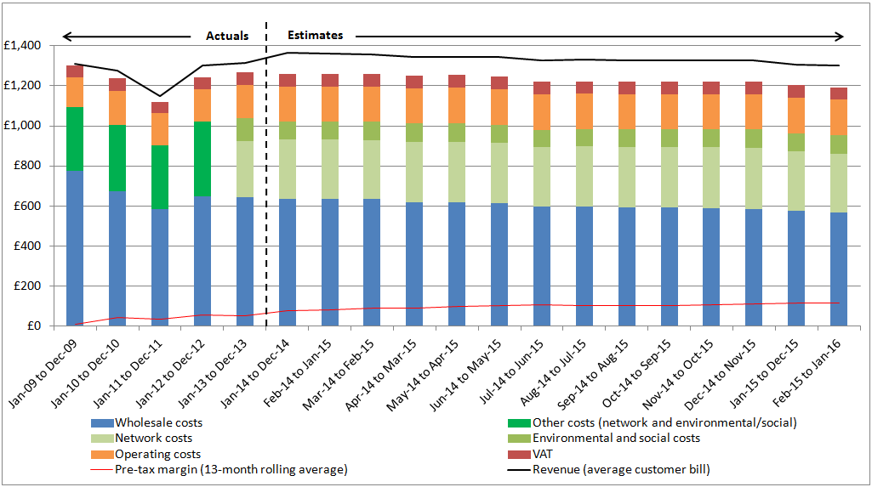
Dual fuel graph

Notes: | Actuals data from 2009 to 2013 is expressed in 2014 prices. To see how the values have been adjusted for inflation, see the "Inflation" tab.

Gas graph
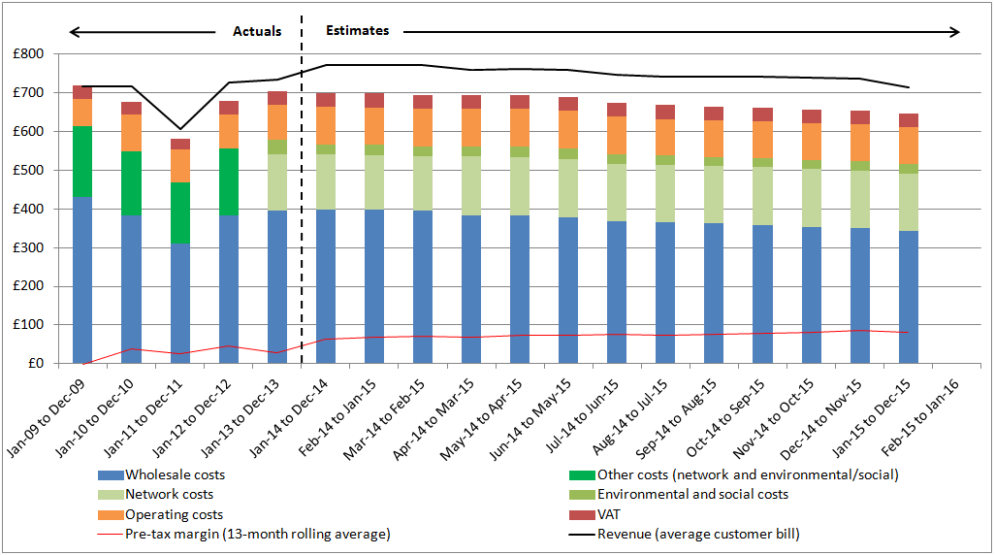
Gas graph

Notes: | Actuals data from 2009 to 2013 is expressed in 2014 prices. To see how the values have been adjusted for inflation, see the "Inflation" tab.

Electricity graph
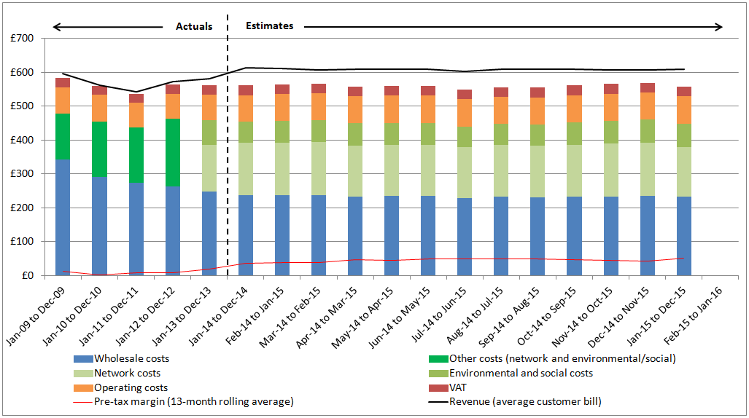
Electricity graph

Notes: | Actuals data from 2009 to 2013 is expressed in 2014 prices. To see how the values have been adjusted for inflation, see the "Inflation" tab.

Dual fuel pie chart
Dual fuel bill breakdown from Feb-15 to Jan-16

 | %
Wholesale costs | 43%
Network costs | 23%
Environmental and social obligation costs | 7%
Supplier operating costs | 14%
VAT | 5%
Pre-tax margin | 9%

