2009 - 10 Country
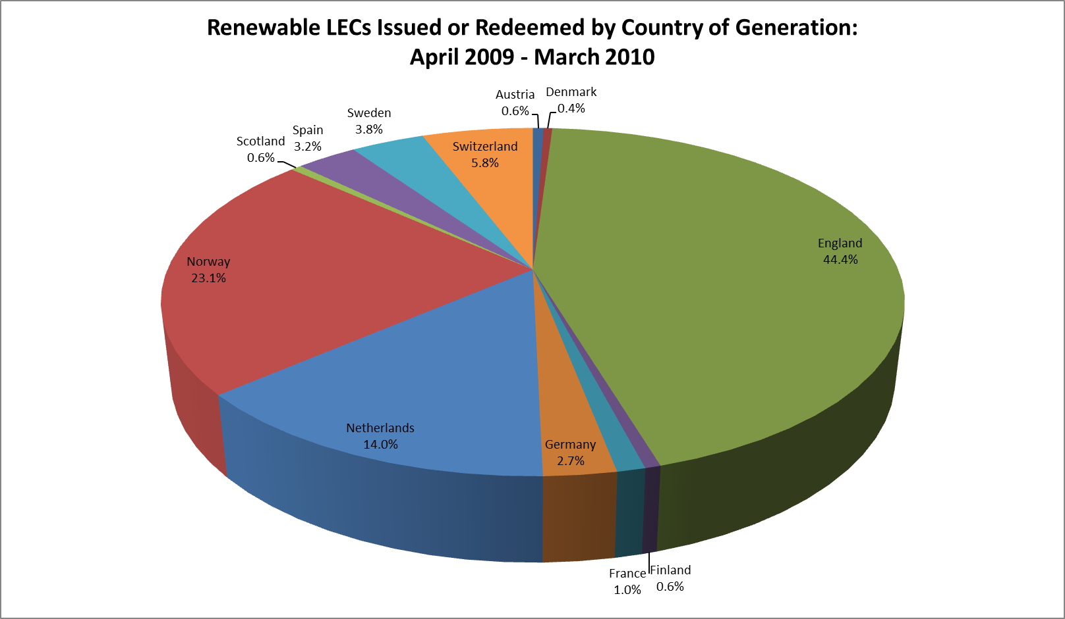

Data Correct at 23 September 2014

Notes
All Renewable LECs with the status of 'Issued' or 'Redeemed' are included in these figures. 2,452 LECs with the status 'Pending Transfer' and 397,427 voluntarily 'Retired' (Issued, and valid for redemption, but removed from the generator's account) are also included and considered as 'Issued' for the purposes of this analysis.
The status 'Issued' refers to LECs that have been Issued but not yet redeemed; the status 'Redeemed' refers to LECs that have been Issued and subsequently redeemed against indirect supplies. The total of Issued and Redeemed thus represents the sum of all LECs originally issued.
Renewable LECs issued but subsequently revoked, or with the status 'Pending revoke' or 'Cancelled' are NOT included in the figures.
Certificates 'Generated' but not 'Issued' have been excluded from this analysis.
Data not available for Denmark in Oct-09, or Spain Apr-09 at time of analysis.

Sum of No. Of Certificates | Country
Output Period | Austria | Denmark | England | Finland | France | Germany | Norway | Scotland | Spain | Sweden | Switzerland | Wales | Grand Total
Apr-09 | 15742 | 6045 | 816115 | 16610 | 34713 | 63297 | 346688 | 456215 |  | 67057 | 112902 | 87839 | 2023223
May-09 | 11805 | 8611 | 961984 | 23440 | 37764 | 60000 | 398010 | 574134 | 14590 | 49789 | 130459 | 138532 | 2409118
Jun-09 | 6279 | 11026 | 783650 | 14261 | 32392 | 62466 | 293513 | 303868 | 12644 | 49227 | 114459 | 71559 | 1755344
Jul-09 | 14037 | 9754 | 889433 | 11153 | 24607 | 67830 | 333605 | 355256 | 15611 | 85506 | 126734 | 114336 | 2047862
Aug-09 | 10711 | 8926 | 890064 | 9098 | 15207 | 51280 | 394527 | 583644 | 13723 | 96507 | 111757 | 127569 | 2313013
Sep-09 | 10564 | 12136 | 871263 | 3047 | 11136 | 41274 | 277536 | 560453 | 8984 | 55774 | 62387 | 109305 | 2023859
Oct-09 | 5436 |  | 947489 | 1965 | 10431 | 49594 | 209723 | 532078 | 7286 | 66084 | 44343 | 119557 | 1993986
Nov-09 | 13352 | 17525 | 1151552 | 13553 | 18982 | 57104 | 348705 | 711033 | 8762 | 108395 | 64326 | 211165 | 2724454
Dec-09 | 13160 | 9259 | 1104754 | 15069 | 21950 | 49466 | 309232 | 462253 | 8965 | 84198 | 69578 | 155336 | 2303220
Jan-10 | 15375 | 12417 | 1107463 | 11326 | 22265 | 62210 | 239175 | 554113 | 15883 | 41470 | 52600 | 139649 | 2273946
Feb-10 | 14261 | 8941 | 962790 | 14377 | 17142 | 58290 | 221121 | 312977 | 18473 | 71518 | 46137 | 97720 | 1843747
Mar-10 | 15565 | 12525 | 1075642 | 15967 | 24359 | 72077 | 275652 | 603344 | 22130 | 47900 | 60731 | 131412 | 2357304
Grand Total | 146287 | 117165 | 11562199 | 149866 | 270948 | 694888 | 3647487 | 6009368 | 147051 | 823425 | 996413 | 1503979 | 26069076

2009 - 10 Status
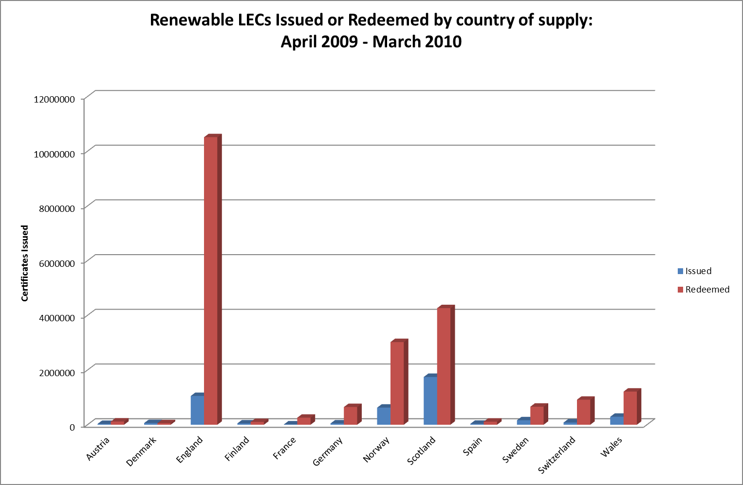

Data Correct at 23 September 2014

Notes
All Renewable LECs with the status of 'Issued' or 'Redeemed' are included in these figures. 2,452 LECs with the status 'Pending Transfer' and 397,427 voluntarily 'Retired' (Issued, and valid for redemption, but removed from the generator's account) are also included and considered as 'Issued' for the purposes of this analysis.
The status 'Issued' refers to LECs that have been Issued but not yet redeemed; the status 'Redeemed' refers to LECs that have been Issued and subsequently redeemed against indirect supplies. The total of Issued and Redeemed thus represents the sum of all LECs originally issued.
Renewable LECs issued but subsequently revoked, or with the status 'Pending revoke' or 'Cancelled' are NOT included in the figures.
Certificates 'Generated' but not 'Issued' have been excluded from this analysis.

Sum of No. Of Certificates | Certificate Status
Country | Issued | Redeemed | Grand Total
Austria | 29195 | 117092 | 146287
Denmark | 61219 | 55946 | 117165
England | 1050836 | 10511363 | 11562199
Finland | 47765 | 102101 | 149866
France | 13140 | 257808 | 270948
Germany | 48450 | 646438 | 694888
Norway | 625868 | 3021619 | 3647487
Scotland | 1747180 | 4262188 | 6009368
Spain | 34875 | 112176 | 147051
Sweden | 164272 | 659153 | 823425
Switzerland | 81425 | 914988 | 996413
Wales | 291743 | 1212236 | 1503979
Grand Total | 4195968 | 21873108 | 26069076

2009 - 10 Technology
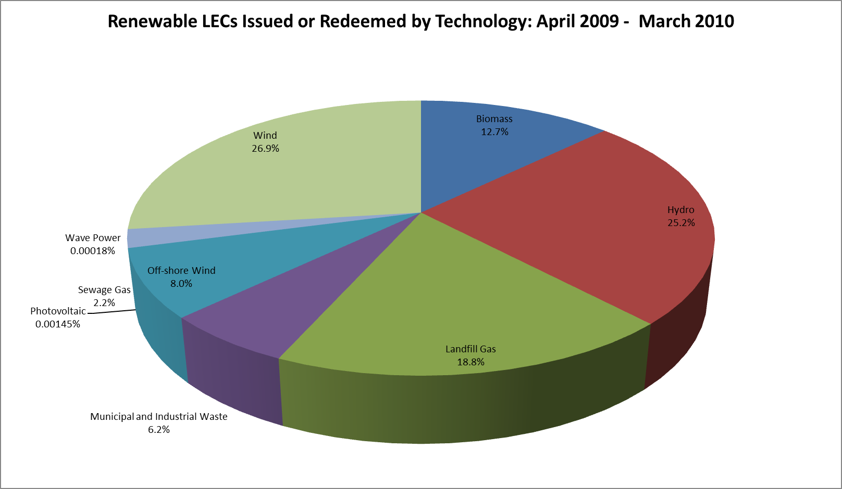

Data Correct at 23 September 2014

Notes
All Renewable LECs with the status of 'Issued' or 'Redeemed' are included in these figures. 2,452 LECs with the status 'Pending Transfer' and 397,427 voluntarily 'Retired' (Issued, and valid for redemption, but removed from the generator's account) are also included and considered as 'Issued' for the purposes of this analysis.
The status 'Issued' refers to LECs that have been Issued but not yet redeemed; the status 'Redeemed' refers to LECs that have been Issued and subsequently redeemed against indirect supplies. The total of Issued and Redeemed thus represents the sum of all LECs originally issued.
Renewable LECs issued but subsequently revoked, or with the status 'Pending revoke' or 'Cancelled' are NOT included in the figures.
Certificates 'Generated' but not 'Issued' have been excluded from this analysis.

Sum of No. Of Certificates | Country
Technology Group | Austria | Denmark | England | Finland | France | Germany | Norway | Scotland | Spain | Sweden | Switzerland | Wales | Grand Total
Biomass | 127229 |  | 2491634 |  |  |  |  | 582515 |  |  |  | 121020 | 3322398
Hydro | 19058 | 97 | 63760 | 149866 | 265753 | 402031 | 3282145 | 452952 | 147051 | 823425 | 885434 | 71237 | 6562809
Landfill Gas |  |  | 4234855 |  |  |  |  | 478679 |  |  |  | 185550 | 4899084
Municipal and Industrial Waste |  |  | 1056073 |  |  | 292857 |  | 18175 |  |  | 110979 | 125740 | 1603824
Off-shore Wind |  |  | 1696391 |  |  |  |  | 128703 |  |  |  | 266579 | 2091673
Photovoltaic |  |  | 364 |  |  |  |  | 8 |  |  |  | 7 | 379
Sewage Gas |  |  | 532610 |  |  |  |  | 23118 |  |  |  | 9068 | 564796
Wave Power |  |  |  |  |  |  |  | 46 |  |  |  |  | 46
Wind |  | 117068 | 1486512 |  | 5195 |  | 365342 | 4325172 |  |  |  | 724778 | 7024067
Grand Total | 146287 | 117165 | 11562199 | 149866 | 270948 | 694888 | 3647487 | 6009368 | 147051 | 823425 | 996413 | 1503979 | 26069076

2010 - 11 Country
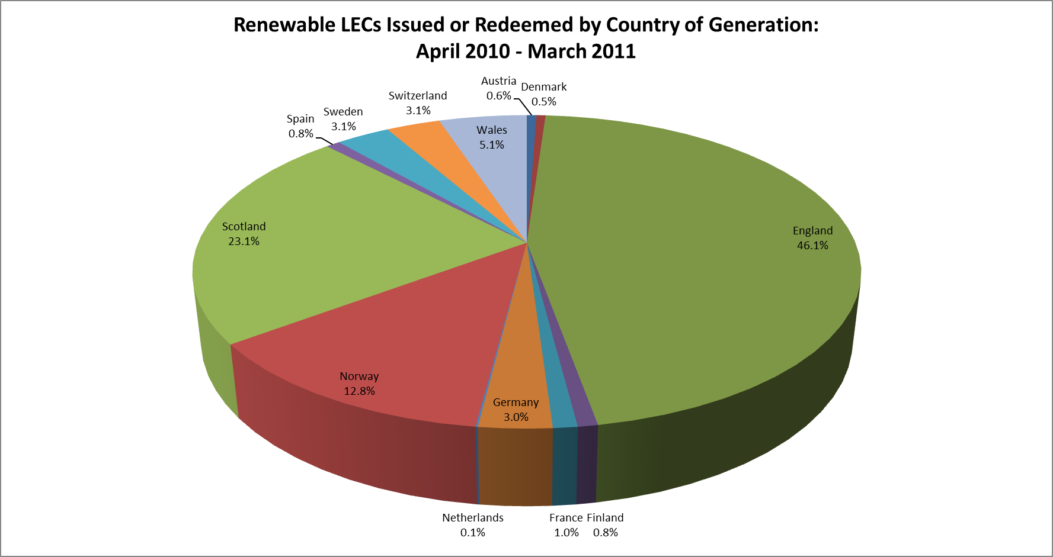

Data Correct at 23 September 2014

Notes
All Renewable LECs with the status of 'Issued' or 'Redeemed' are included in these figures. 1,676 LECs with the status 'Pending Transfer' and 526,365 voluntarily 'Retired' (Issued, and valid for redemption, but removed from the generator's account) are also included and considered as 'Issued' for the purposes of this analysis.
The status 'Issued' refers to LECs that have been Issued but not yet redeemed; the status 'Redeemed' refers to LECs that have been Issued and subsequently redeemed against indirect supplies. The total of Issued and Redeemed thus represents the sum of all LECs originally issued.
Renewable LECs issued but subsequently revoked, or with the status 'Pending revoke' or 'Cancelled' are NOT included in the figures.
Certificates 'Generated' but not 'Issued' have been excluded from this analysis.

Sum of No. Of Certificates | Country
Output Period | Austria | Denmark | England | Finland | France | Germany | Netherlands | Norway | Scotland | Spain | Sweden | Switzerland | Wales | Grand Total
Apr-10 | 15295 | 12441 | 968022 | 32776 | 29713 | 71537 |  | 294409 | 497423 | 17622 | 76987 | 75402 | 102872 | 2194499
May-10 | 14778 | 12109 | 919657 | 36805 | 37148 | 79948 |  | 324358 | 345170 | 20168 | 75019 | 98208 | 78802 | 2042170
Jun-10 | 14118 | 8245 | 886454 | 26586 | 35140 | 74940 |  | 312282 | 345579 | 18693 | 59880 | 118112 | 70316 | 1970345
Jul-10 | 14579 | 8079 | 999261 | 13455 | 25024 | 72310 |  | 307778 | 663900 | 29997 | 53455 | 111388 | 136613 | 2435839
Aug-10 | 14760 | 9568 | 1192225 | 12355 | 18079 | 82096 |  | 315443 | 434144 | 26080 | 53074 | 96863 | 125260 | 2379947
Sep-10 | 14844 | 20742 | 1200373 | 14988 | 12737 | 73737 |  | 337081 | 630062 | 18165 | 81826 | 85719 | 140408 | 2630682
Oct-10 | 6929 | 12263 | 1335736 | 19422 | 13662 | 66161 | 5133 | 395021 | 815269 | 13547 | 102912 | 70591 | 163744 | 3020390
Nov-10 | 13613 | 14022 | 1352145 | 20708 | 22235 | 73761 | 3651 | 338992 | 732170 | 14164 | 108561 | 74350 | 166495 | 2934867
Dec-10 | 15261 | 10622 | 1171164 | 15559 | 23287 | 73511 | 4334 | 289892 | 464238 | 18035 | 88847 | 62966 | 110468 | 2348184
Jan-11 | 14926 | 13663 | 1458552 | 17588 | 27935 | 74232 | 5440 | 327415 | 695928 | 24458 | 89562 | 54394 | 156426 | 2960519
Feb-11 | 14182 | 20175 | 1269019 | 17253 | 21337 | 76472 | 4697 | 271284 | 758976 | 19559 | 80662 | 40277 | 168721 | 2762614
Mar-11 | 15186 | 16012 | 1155336 | 18590 | 32496 | 77643 | 3387 | 338425 | 581254 | 24826 | 70054 | 52002 | 114747 | 2499958
Grand Total | 168471 | 157941 | 13907944 | 246085 | 298793 | 896348 | 26642 | 3852380 | 6964113 | 245314 | 940839 | 940272 | 1534872 | 30180014

2010 - 11 Status
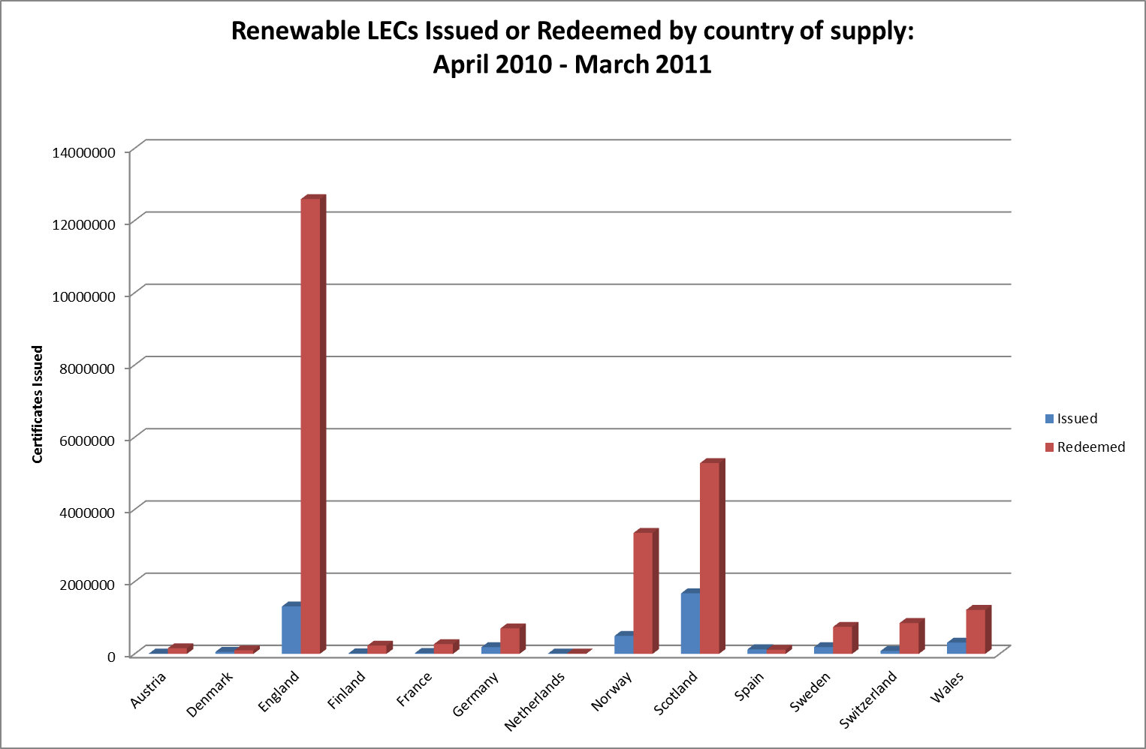

Data Correct at 23 September 2014

Notes
All Renewable LECs with the status of 'Issued' or 'Redeemed' are included in these figures. 1,676 LECs with the status 'Pending Transfer' and 526,365 voluntarily 'Retired' (Issued, and valid for redemption, but removed from the generator's account) are also included and considered as 'Issued' for the purposes of this analysis.
The status 'Issued' refers to LECs that have been Issued but not yet redeemed; the status 'Redeemed' refers to LECs that have been Issued and subsequently redeemed against indirect supplies. The total of Issued and Redeemed thus represents the sum of all LECs originally issued.
Renewable LECs issued but subsequently revoked, or with the status 'Pending revoke' or 'Cancelled' are NOT included in the figures.
Certificates 'Generated' but not 'Issued' have been excluded from this analysis.

Sum of No. Of Certificates | Certificate Status
Country | Issued | Redeemed | Grand Total
Austria | 9863 | 158608 | 168471
Denmark | 57462 | 100479 | 157941
England | 1314496 | 12593448 | 13907944
Finland | 14503 | 231582 | 246085
France | 25809 | 272984 | 298793
Germany | 188518 | 707830 | 896348
Netherlands | 12337 | 14305 | 26642
Norway | 501113 | 3351267 | 3852380
Scotland | 1679215 | 5284898 | 6964113
Spain | 129233 | 116081 | 245314
Sweden | 190569 | 750270 | 940839
Switzerland | 83948 | 856324 | 940272
Wales | 314066 | 1220806 | 1534872
Grand Total | 4521132 | 25658882 | 30180014

2010 - 11 Technology
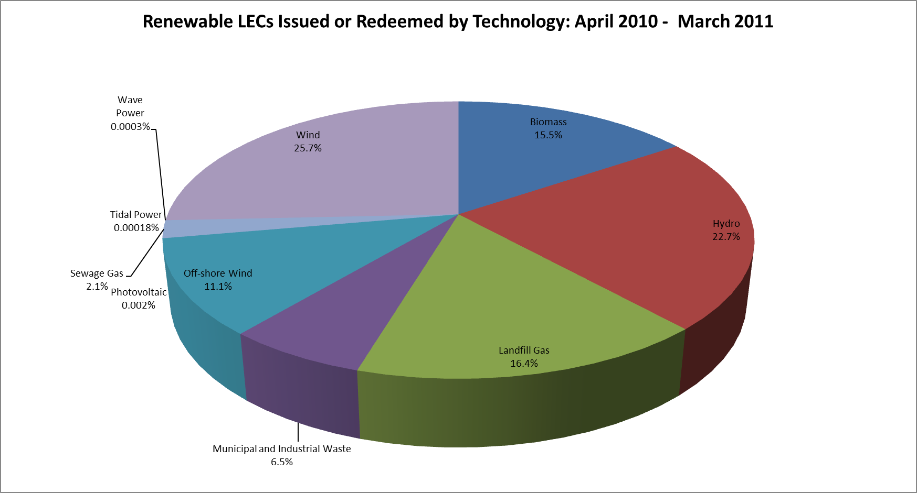

Data Correct at 23 September 2014

Notes
All Renewable LECs with the status of 'Issued' or 'Redeemed' are included in these figures. 1,676 LECs with the status 'Pending Transfer' and 526,365 voluntarily 'Retired' (Issued, and valid for redemption, but removed from the generator's account) are also included and considered as 'Issued' for the purposes of this analysis.
The status 'Issued' refers to LECs that have been Issued but not yet redeemed; the status 'Redeemed' refers to LECs that have been Issued and subsequently redeemed against indirect supplies. The total of Issued and Redeemed thus represents the sum of all LECs originally issued.
Renewable LECs issued but subsequently revoked, or with the status 'Pending revoke' or 'Cancelled' are NOT included in the figures.
Certificates 'Generated' but not 'Issued' have been excluded from this analysis.

Sum of No. Of Certificates | Country
Technology Group | Austria | Denmark | England | Finland | France | Germany | Netherlands | Norway | Scotland | Spain | Sweden | Switzerland | Wales | Grand Total
Biomass | 160835 |  | 3704400 |  |  |  |  |  | 704745 |  |  |  | 113093 | 4683073
Hydro | 7636 | 4786 | 57016 | 246085 | 293167 | 441453 |  | 3323517 | 405944 | 245314 | 940839 | 832225 | 65660 | 6863642
Landfill Gas |  |  | 4274890 |  |  |  |  |  | 484292 |  |  |  | 179408 | 4938590
Municipal and Industrial Waste |  |  | 1260588 |  |  | 454895 |  |  | 14733 |  |  | 108047 | 120974 | 1959237
Off-shore Wind |  |  | 2516945 |  |  |  |  |  | 472631 |  |  |  | 361993 | 3351569
Photovoltaic |  |  | 497 |  |  |  |  |  | 7 |  |  |  | 6 | 510
Sewage Gas |  |  | 582849 |  |  |  |  |  | 23894 |  |  |  | 19033 | 625776
Tidal Power |  |  |  |  |  |  |  |  | 53 |  |  |  |  | 53
Wave Power |  |  |  |  |  |  |  |  | 81 |  |  |  |  | 81
Wind |  | 153155 | 1510759 |  | 5626 |  | 26642 | 528863 | 4857733 |  |  |  | 674705 | 7757483
Grand Total | 168471 | 157941 | 13907944 | 246085 | 298793 | 896348 | 26642 | 3852380 | 6964113 | 245314 | 940839 | 940272 | 1534872 | 30180014

2011 - 12 Country
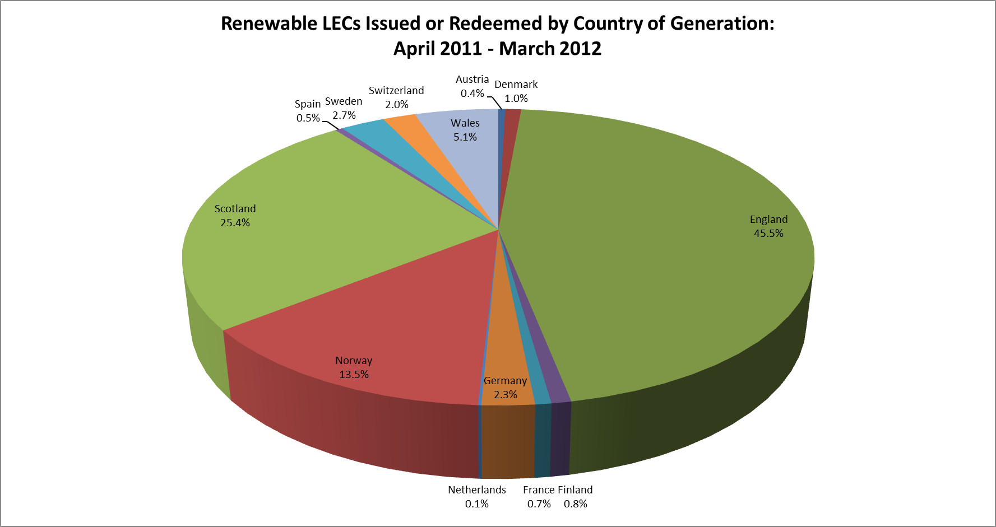

Data Correct at 23 September 2014

Notes
All Renewable LECs with the status of 'Issued' or 'Redeemed' are included in these figures. 20,254 LECs with the status 'Pending Transfer' and 1,181,826 voluntarily 'Retired' (Issued, and valid for redemption, but removed from the generator's account) are also included and considered as 'Issued' for the purposes of this analysis.
The status 'Issued' refers to LECs that have been Issued but not yet redeemed; the status 'Redeemed' refers to LECs that have been Issued and subsequently redeemed against indirect supplies. The total of Issued and Redeemed thus represents the sum of all LECs originally issued.
Renewable LECs issued but subsequently revoked, or with the status 'Pending revoke' or 'Cancelled' are NOT included in the figures.
Certificates 'Generated' but not 'Issued' have been excluded from this analysis.

Sum of No. Of Certificates | Country
Output Period | Austria | Denmark | England | Finland | France | Germany | Netherlands | Norway | Scotland | Spain | Sweden | Switzerland | Wales | Grand Total
Apr-11 | 14532 | 12731 | 1189687 | 27711 | 38089 | 77690 | 3408 | 458640 | 646829 | 20595 | 73538 | 70106 | 118321 | 2751877
May-11 | 14855 | 15843 | 1348251 | 27550 | 30009 | 70345 | 4670 | 415776 | 976080 | 20916 | 55714 | 84345 | 217312 | 3281666
Jun-11 | 14052 | 9458 | 1178308 | 19029 | 33710 | 76373 | 3334 | 405873 | 456697 | 15086 | 51707 | 85803 | 118532 | 2467962
Jul-11 | 14675 | 9070 | 1190851 | 21634 | 26471 | 82167 | 3615 | 407654 | 367955 | 15946 | 46754 | 97316 | 97955 | 2382063
Aug-11 | 13620 | 10416 | 1266409 | 25024 | 18357 | 81695 | 2671 | 352686 | 490371 | 17293 | 72580 | 86994 | 114867 | 2552983
Sep-11 | 13660 | 12378 | 1474786 | 27957 | 14340 | 78346 | 3954 | 413627 | 840992 | 15276 | 104164 | 60103 | 168077 | 3227660
Oct-11 | 14019 | 18082 | 1648157 | 34055 | 13790 | 76886 | 5376 | 502405 | 1048224 | 10658 | 104076 | 52933 | 213350 | 3742011
Nov-11 | 8370 | 30451 | 1622342 | 31109 | 21323 | 58059 | 3799 | 472305 | 978894 | 13947 | 93563 | 51230 | 187784 | 3573176
Dec-11 | 14493 | 56901 | 1956516 | 34767 | 19486 | 82453 | 9309 | 487213 | 1161214 | 7164 | 124480 | 54656 | 277174 | 4285826
Jan-12 | 14606 | 78554 | 2010180 | 36447 | 12444 | 70482 | 6800 | 425144 | 1139970 | 12398 | 131410 | 45935 | 227034 | 4211404
Feb-12 | 13758 | 69234 | 1690495 | 24076 | 16271 | 58402 | 4887 | 399356 | 1040824 | 16140 | 101984 | 32431 | 150485 | 3618343
Mar-12 | 14768 | 62520 | 1326710 | 24501 | 25888 | 73059 | 2281 | 552069 | 847069 | 14407 | 105509 | 59884 | 126026 | 3234691
Grand Total | 165408 | 385638 | 17902692 | 333860 | 270178 | 885957 | 54104 | 5292748 | 9995119 | 179826 | 1065479 | 781736 | 2016917 | 39329662

2011 - 12 Status
Renewable LECs Issued or Redeemed by country of supply: April 2011 - March 2012

Data Correct at 23 September 2014

Notes
All Renewable LECs with the status of 'Issued' or 'Redeemed' are included in these figures. 20,254 LECs with the status 'Pending Transfer' and 1,181,826 voluntarily 'Retired' (Issued, and valid for redemption, but removed from the generator's account) are also included and considered as 'Issued' for the purposes of this analysis.
The status 'Issued' refers to LECs that have been Issued but not yet redeemed; the status 'Redeemed' refers to LECs that have been Issued and subsequently redeemed against indirect supplies. The total of Issued and Redeemed thus represents the sum of all LECs originally issued.
Renewable LECs issued but subsequently revoked, or with the status 'Pending revoke' or 'Cancelled' are NOT included in the figures.
Certificates 'Generated' but not 'Issued' have been excluded from this analysis.

Sum of No. Of Certificates | Certificate Status
Country | Issued | Redeemed | Grand Total
Austria | 29511 | 135897 | 165408
Denmark | 93010 | 292628 | 385638
England | 2132560 | 15770132 | 17902692
Finland | 109468 | 224392 | 333860
France | 26609 | 243569 | 270178
Germany | 301246 | 584711 | 885957
Netherlands | 20186 | 33918 | 54104
Norway | 1407267 | 3885481 | 5292748
Scotland | 2636706 | 7358413 | 9995119
Spain | 81567 | 98259 | 179826
Sweden | 307673 | 757806 | 1065479
Switzerland | 214632 | 567104 | 781736
Wales | 408018 | 1608899 | 2016917
Grand Total | 7768453 | 31561209 | 39329662

2011 - 12 Technology
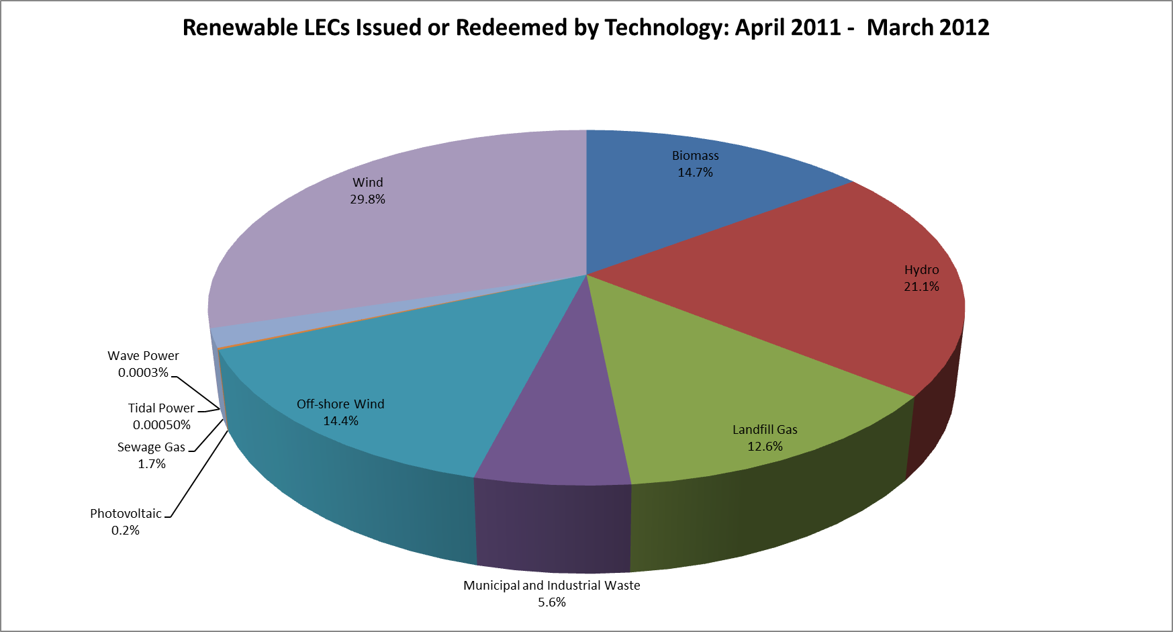

Data Correct at 23 September 2014

Notes
All Renewable LECs with the status of 'Issued' or 'Redeemed' are included in these figures. 20,254 LECs with the status 'Pending Transfer' and 1,181,826 voluntarily 'Retired' (Issued, and valid for redemption, but removed from the generator's account) are also included and considered as 'Issued' for the purposes of this analysis.
The status 'Issued' refers to LECs that have been Issued but not yet redeemed; the status 'Redeemed' refers to LECs that have been Issued and subsequently redeemed against indirect supplies. The total of Issued and Redeemed thus represents the sum of all LECs originally issued.
Renewable LECs issued but subsequently revoked, or with the status 'Pending revoke' or 'Cancelled' are NOT included in the figures.
Certificates 'Generated' but not 'Issued' have been excluded from this analysis.

Sum of No. Of Certificates | Country
Technology Group | Austria | Denmark | England | Finland | France | Germany | Netherlands | Norway | Scotland | Spain | Sweden | Switzerland | Wales | Grand Total
Biomass | 162955 | 108379 | 4684583 |  |  |  |  |  | 696729 |  |  |  | 120825 | 5773471
Hydro | 2453 | 2062 | 62599 | 333860 | 265484 | 395218 |  | 4647499 | 608012 | 179826 | 1065479 | 669617 | 75172 | 8307281
Landfill Gas |  |  | 4293324 |  |  |  |  |  | 503853 |  |  |  | 169088 | 4966265
Municipal and Industrial Waste |  | 29585 | 1414582 |  |  | 490739 |  |  | 22473 |  |  | 112119 | 120273 | 2189771
Off-shore Wind |  |  | 4544137 |  |  |  |  |  | 620819 |  |  |  | 485890 | 5650846
Photovoltaic |  |  | 59979 |  |  |  |  |  | 44 |  |  |  | 3166 | 63189
Sewage Gas |  |  | 605463 |  |  |  |  |  | 25995 |  |  |  | 39520 | 670978
Tidal Power |  |  |  |  |  |  |  |  | 195 |  |  |  |  | 195
Wave Power |  |  |  |  |  |  |  |  | 137 |  |  |  |  | 137
Wind |  | 245612 | 2238025 |  | 4694 |  | 54104 | 645249 | 7516862 |  |  |  | 1002983 | 11707529
Grand Total | 165408 | 385638 | 17902692 | 333860 | 270178 | 885957 | 54104 | 5292748 | 9995119 | 179826 | 1065479 | 781736 | 2016917 | 39329662

2012 - 13 Country
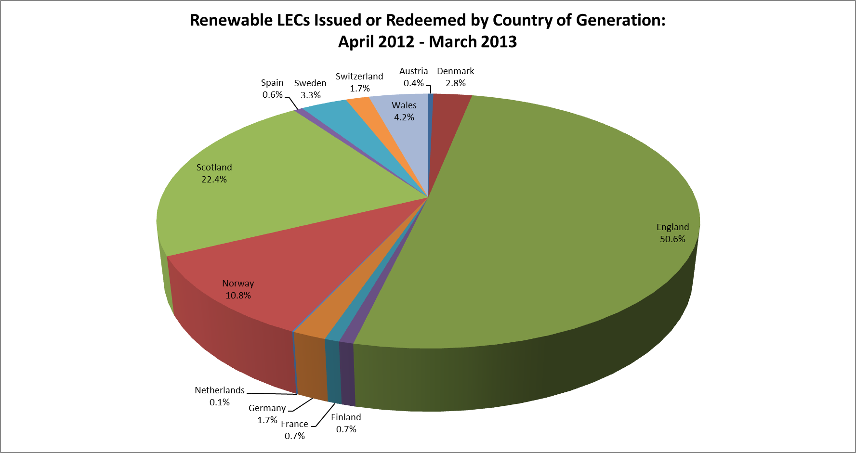

Data Correct at 23 September 2014

Notes
All Renewable LECs with the status of 'Issued' or 'Redeemed' are included in these figures. 11,205 LECs with the status 'Pending Transfer' and 1,512,204 voluntarily 'Retired' (Issued, and valid for redemption, but removed from the generator's account) are also included and considered as 'Issued' for the purposes of this analysis.
The status 'Issued' refers to LECs that have been Issued but not yet redeemed; the status 'Redeemed' refers to LECs that have been Issued and subsequently redeemed against indirect supplies. The total of Issued and Redeemed thus represents the sum of all LECs originally issued.
Renewable LECs issued but subsequently revoked, or with the status 'Pending revoke' or 'Cancelled' are NOT included in the figures.
Certificates 'Generated' but not 'Issued' have been excluded from this analysis.

Sum of No. Of Certificates | Country
Output Period | Austria | Denmark | England | Finland | France | Germany | Netherlands | Norway | Scotland | Spain | Sweden | Switzerland | Wales | Grand Total
Apr-12 | 14132 | 56427 | 1445272 | 31567 | 35211 | 65112 | 2728 | 364511 | 630864 | 22467 | 83317 | 69829 | 159657 | 2981094
May-12 | 15192 | 47441 | 1455870 | 38268 | 50165 | 69123 | 2099 | 462309 | 582164 | 29702 | 89161 | 89651 | 111733 | 3042878
Jun-12 | 15008 | 47679 | 1557411 | 26641 | 43882 | 68926 |  | 414131 | 561133 | 21357 | 73067 | 86594 | 155938 | 3071767
Jul-12 | 15670 | 38631 | 1461061 | 26866 | 26890 | 69883 | 2039 | 457915 | 549151 | 22780 | 87864 | 78068 | 115699 | 2952517
Aug-12 | 10134 | 36197 | 1518964 | 28764 | 16115 | 68849 | 1600 | 394296 | 619680 | 19983 | 87297 | 65930 | 127013 | 2994822
Sep-12 | 6969 | 62340 | 1875110 | 18603 | 17912 | 68310 | 2618 | 474034 | 1151851 | 12576 | 108400 | 60255 | 177221 | 4036199
Oct-12 | 13643 | 91113 | 1907304 | 33686 | 17213 | 60768 | 4662 | 446284 | 644289 | 14392 | 149214 | 61254 | 160755 | 3604577
Nov-12 | 13464 | 127364 | 2112777 | 34346 | 26652 | 58735 | 3951 | 494596 | 1033241 | 19021 | 162550 | 60949 | 170855 | 4318501
Dec-12 | 13552 | 168975 | 2480389 | 22676 | 28468 | 61988 | 7263 | 356701 | 1190273 | 23569 | 134096 | 53257 | 224387 | 4765594
Jan-13 | 14451 | 153296 | 2311199 | 24718 | 23706 | 54871 | 5198 | 399442 | 1215075 | 26337 | 175841 | 42808 | 180698 | 4627640
Feb-13 | 14758 | 142883 | 2118081 | 21673 | 20662 | 49103 | 4533 | 289487 | 834943 | 31286 | 155895 | 35352 | 149695 | 3868351
Mar-13 | 16471 | 262264 | 2429576 | 19444 | 27034 | 66185 | 5329 | 280821 | 1037884 | 43505 | 175046 | 37637 | 166363 | 4567559
Grand Total | 163444 | 1234610 | 22673014 | 327252 | 333910 | 761853 | 42020 | 4834527 | 10050548 | 286975 | 1481748 | 741584 | 1900014 | 44831499

2012 - 13 Status
Renewable LECs Issued or Redeemed by country of supply: April 2012 - March 2013

Data Correct at 23 September 2014

Notes
All Renewable LECs with the status of 'Issued' or 'Redeemed' are included in these figures. 11,205 LECs with the status 'Pending Transfer' and 1,512,204 voluntarily 'Retired' (Issued, and valid for redemption, but removed from the generator's account) are also included and considered as 'Issued' for the purposes of this analysis.
The status 'Issued' refers to LECs that have been Issued but not yet redeemed; the status 'Redeemed' refers to LECs that have been Issued and subsequently redeemed against indirect supplies. The total of Issued and Redeemed thus represents the sum of all LECs originally issued.
Renewable LECs issued but subsequently revoked, or with the status 'Pending revoke' or 'Cancelled' are NOT included in the figures.
Certificates 'Generated' but not 'Issued' have been excluded from this analysis.

Sum of No. Of Certificates | Certificate Status
Country | Issued | Redeemed | Grand Total
Austria | 67827 | 95617 | 163444
Denmark | 404991 | 829619 | 1234610
England | 3870824 | 18802190 | 22673014
Finland | 127957 | 199295 | 327252
France | 159648 | 174262 | 333910
Germany | 385746 | 376107 | 761853
Netherlands | 12942 | 29078 | 42020
Norway | 655431 | 4179096 | 4834527
Scotland | 2911203 | 7139345 | 10050548
Spain | 94441 | 192534 | 286975
Sweden | 748134 | 733614 | 1481748
Switzerland | 123690 | 617894 | 741584
Wales | 459102 | 1440912 | 1900014
Grand Total | 10021936 | 34809563 | 44831499

2012 - 13 Technology
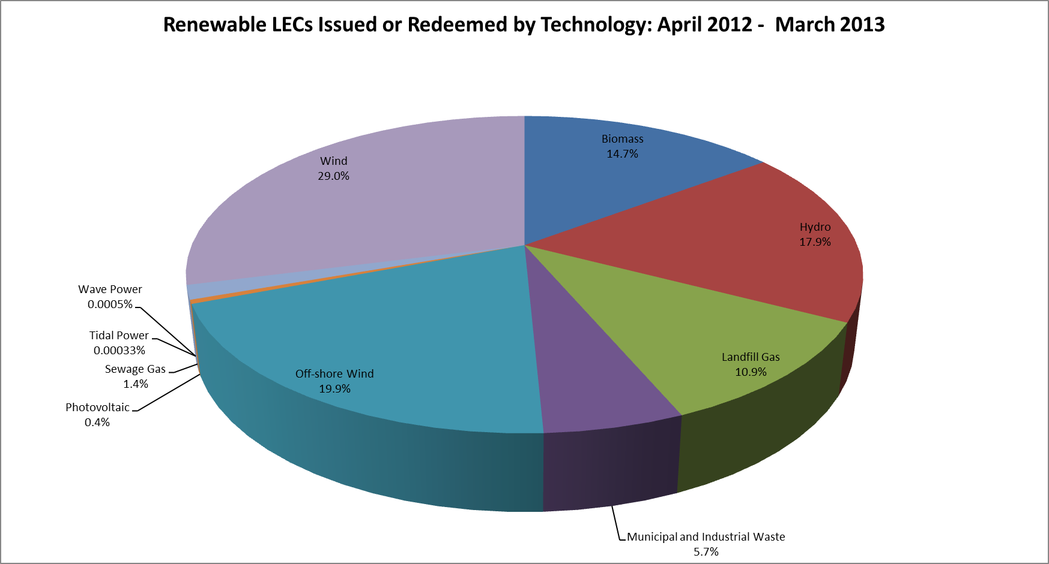

Data Correct at 23 September 2014

Notes
All Renewable LECs with the status of 'Issued' or 'Redeemed' are included in these figures. 11,205 LECs with the status 'Pending Transfer' and 1,512,204 voluntarily 'Retired' (Issued, and valid for redemption, but removed from the generator's account) are also included and considered as 'Issued' for the purposes of this analysis.
The status 'Issued' refers to LECs that have been Issued but not yet redeemed; the status 'Redeemed' refers to LECs that have been Issued and subsequently redeemed against indirect supplies. The total of Issued and Redeemed thus represents the sum of all LECs originally issued.
Renewable LECs issued but subsequently revoked, or with the status 'Pending revoke' or 'Cancelled' are NOT included in the figures.
Certificates 'Generated' but not 'Issued' have been excluded from this analysis.

Sum of No. Of Certificates | Country
Technology Group | Austria | Denmark | England | Finland | France | Germany | Netherlands | Norway | Scotland | Spain | Sweden | Switzerland | Wales | Grand Total
Biomass | 160218 | 245624 | 5407684 |  |  |  |  |  | 685388 |  |  |  | 100061 | 6598975
Hydro | 3226 | 6754 | 82910 | 327252 | 328722 | 357194 |  | 4217973 | 519432 | 286975 | 1198083 | 634647 | 78700 | 8041868
Landfill Gas |  |  | 4254144 |  |  |  |  |  | 489640 |  |  |  | 159803 | 4903587
Municipal and Industrial Waste |  | 250579 | 1631580 |  |  | 404171 |  |  | 17621 |  |  | 106937 | 126404 | 2537292
Off-shore Wind |  | 19849 | 7877313 |  |  |  |  |  | 557181 |  |  |  | 471431 | 8925774
Photovoltaic |  |  | 174301 |  |  |  |  |  | 34 |  |  |  | 7090 | 181425
Sewage Gas |  |  | 581507 |  |  |  |  |  | 27455 |  |  |  | 36671 | 645633
Tidal Power |  |  |  |  |  |  |  |  | 150 |  |  |  |  | 150
Wave Power |  |  |  |  |  |  |  |  | 202 |  |  |  |  | 202
Wind |  | 711804 | 2663575 |  | 5188 | 488 | 42020 | 616554 | 7753445 |  | 283665 |  | 919854 | 12996593
Grand Total | 163444 | 1234610 | 22673014 | 327252 | 333910 | 761853 | 42020 | 4834527 | 10050548 | 286975 | 1481748 | 741584 | 1900014 | 44831499

2013 - 14 Country
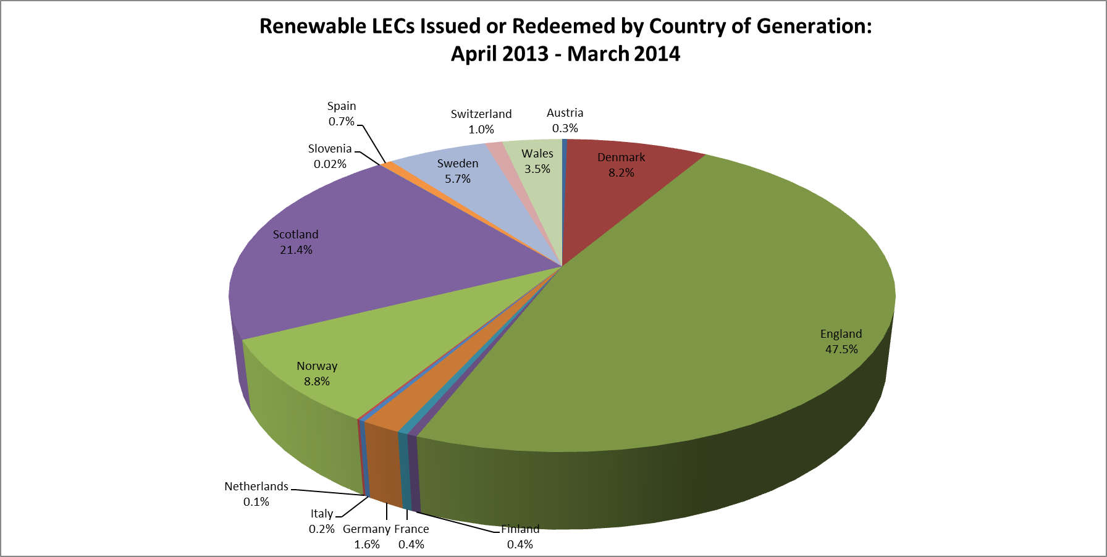

Data Correct at 23 September 2014

Notes
All Renewable LECs with the status of 'Issued' or 'Redeemed' are included in these figures. 94,874 LECs with the status 'Pending Transfer' and 530,197 voluntarily 'Retired' (Issued, and valid for redemption, but removed from the generator's account) are also included and considered as 'Issued' for the purposes of this analysis.
The status 'Issued' refers to LECs that have been Issued but not yet redeemed; the status 'Redeemed' refers to LECs that have been Issued and subsequently redeemed against indirect supplies. The total of Issued and Redeemed thus represents the sum of all LECs originally issued.
Renewable LECs issued but subsequently revoked, or with the status 'Pending revoke' or 'Cancelled' are NOT included in the figures.
Certificates 'Generated' but not 'Issued' have been excluded from this analysis.

Sum of No. Of Certificates | Country
Output Period | Austria | Denmark | England | Finland | France | Germany | Italy | Netherlands | Norway | Scotland | Slovenia | Spain | Sweden | Switzerland | Wales | Grand Total
Apr-13 | 15677 | 206348 | 2678644 | 24325 | 36127 | 66451 |  | 4427 | 309927 | 1111141 |  | 52952 | 157031 | 53488 | 184072 | 4900610
May-13 | 16627 | 158467 | 2697988 | 33697 | 39476 | 75255 |  | 4068 | 500383 | 1115545 |  | 59294 | 148463 | 77325 | 191022 | 5117610
Jun-13 | 15456 | 184662 | 2309891 | 17342 | 34628 | 76699 |  | 4983 | 464619 | 606170 |  | 49305 | 114029 | 74881 | 159153 | 4111818
Jul-13 | 16129 | 145152 | 2059614 | 18938 | 28716 | 88061 |  | 2005 | 446959 | 543074 |  | 48958 | 157863 | 73926 | 99322 | 3728717
Aug-13 | 15325 | 209680 | 1981496 | 13081 | 21385 | 95229 |  | 2249 | 433105 | 731001 |  | 41762 | 166199 | 61279 | 139715 | 3911506
Sep-13 | 12005 | 320690 | 2189136 | 10679 | 15981 | 84525 | 6230 | 3340 | 381037 | 896178 | 38 | 32583 | 204544 | 52104 | 157178 | 4366248
Oct-13 | 15495 | 507752 | 3062747 | 12621 | 18057 | 102419 | 8098 | 6015 | 497147 | 1316677 | 1982 | 27444 | 370536 | 58873 | 239931 | 6245794
Nov-13 | 16387 | 554992 | 2534023 | 31901 | 19480 | 92851 | 31526 | 4727 | 562188 | 1321775 | 2414 | 25065 | 454574 | 56651 | 178998 | 5887552
Dec-13 | 18718 | 833007 | 3182495 | 35568 | 14530 | 88706 | 24731 | 9314 | 688556 | 1998473 | 1199 | 28567 | 628866 | 42599 | 272965 | 7868294
Jan-14 | 18314 | 996065 | 3236664 | 36384 | 20107 | 107239 | 35208 | 13337 | 565833 | 1512848 | 2107 | 42489 | 517952 | 44550 | 248846 | 7397943
Feb-14 | 16139 | 717612 | 3166525 | 24710 | 17980 | 99286 | 29963 | 15046 | 493736 | 1694285 | 2040 | 40802 | 399051 | 39407 | 274943 | 7031525
Mar-14 | 18441 | 685808 | 2809710 | 26169 | 21323 | 112907 | 28782 | 8519 | 587855 | 1502183 | 2424 | 47267 | 544205 | 46577 | 195067 | 6637237
Grand Total | 194713 | 5520235 | 31908933 | 285415 | 287790 | 1089628 | 164538 | 78030 | 5931345 | 14349350 | 12204 | 496488 | 3863313 | 681660 | 2341212 | 67204854

2013 - 14 Status
Renewable LECs Issued or Redeemed by country of supply: April 2013 - March 2014
 | Issued | Redeemed
Austria | 40959 | 153754
Denmark | 2396161 | 3124074
England | 14844581 | 17064352
Finland | 119016 | 166399
France | 202413 | 85377
Germany | 412621 | 677007
Italy | 164538
Netherlands | 16985 | 61045
Norway | 942713 | 4988632
Scotland | 8805748 | 5543602
Slovenia | 12204
Spain | 184003 | 312485
Sweden | 1028115 | 2835198
Switzerland | 36728 | 644932
Wales | 1244367 | 1096845

Data Correct at 23 September 2014

Notes
All Renewable LECs with the status of 'Issued' or 'Redeemed' are included in these figures. 94,874 LECs with the status 'Pending Transfer' and 530,197 voluntarily 'Retired' (Issued, and valid for redemption, but removed from the generator's account) are also included and considered as 'Issued' for the purposes of this analysis.
The status 'Issued' refers to LECs that have been Issued but not yet redeemed; the status 'Redeemed' refers to LECs that have been Issued and subsequently redeemed against indirect supplies. The total of Issued and Redeemed thus represents the sum of all LECs originally issued.
Renewable LECs issued but subsequently revoked, or with the status 'Pending revoke' or 'Cancelled' are NOT included in the figures.
Certificates 'Generated' but not 'Issued' have been excluded from this analysis.

Sum of No. Of Certificates | Certificate Status
Country | Issued | Redeemed | Grand Total
Austria | 40959 | 153754 | 194713
Denmark | 2396161 | 3124074 | 5520235
England | 14844581 | 17064352 | 31908933
Finland | 119016 | 166399 | 285415
France | 202413 | 85377 | 287790
Germany | 412621 | 677007 | 1089628
Italy | 164538 |  | 164538
Netherlands | 16985 | 61045 | 78030
Norway | 942713 | 4988632 | 5931345
Scotland | 8805748 | 5543602 | 14349350
Slovenia | 12204 |  | 12204
Spain | 184003 | 312485 | 496488
Sweden | 1028115 | 2835198 | 3863313
Switzerland | 36728 | 644932 | 681660
Wales | 1244367 | 1096845 | 2341212
Grand Total | 30451152 | 36753702 | 67204854

2013 - 14 Technology
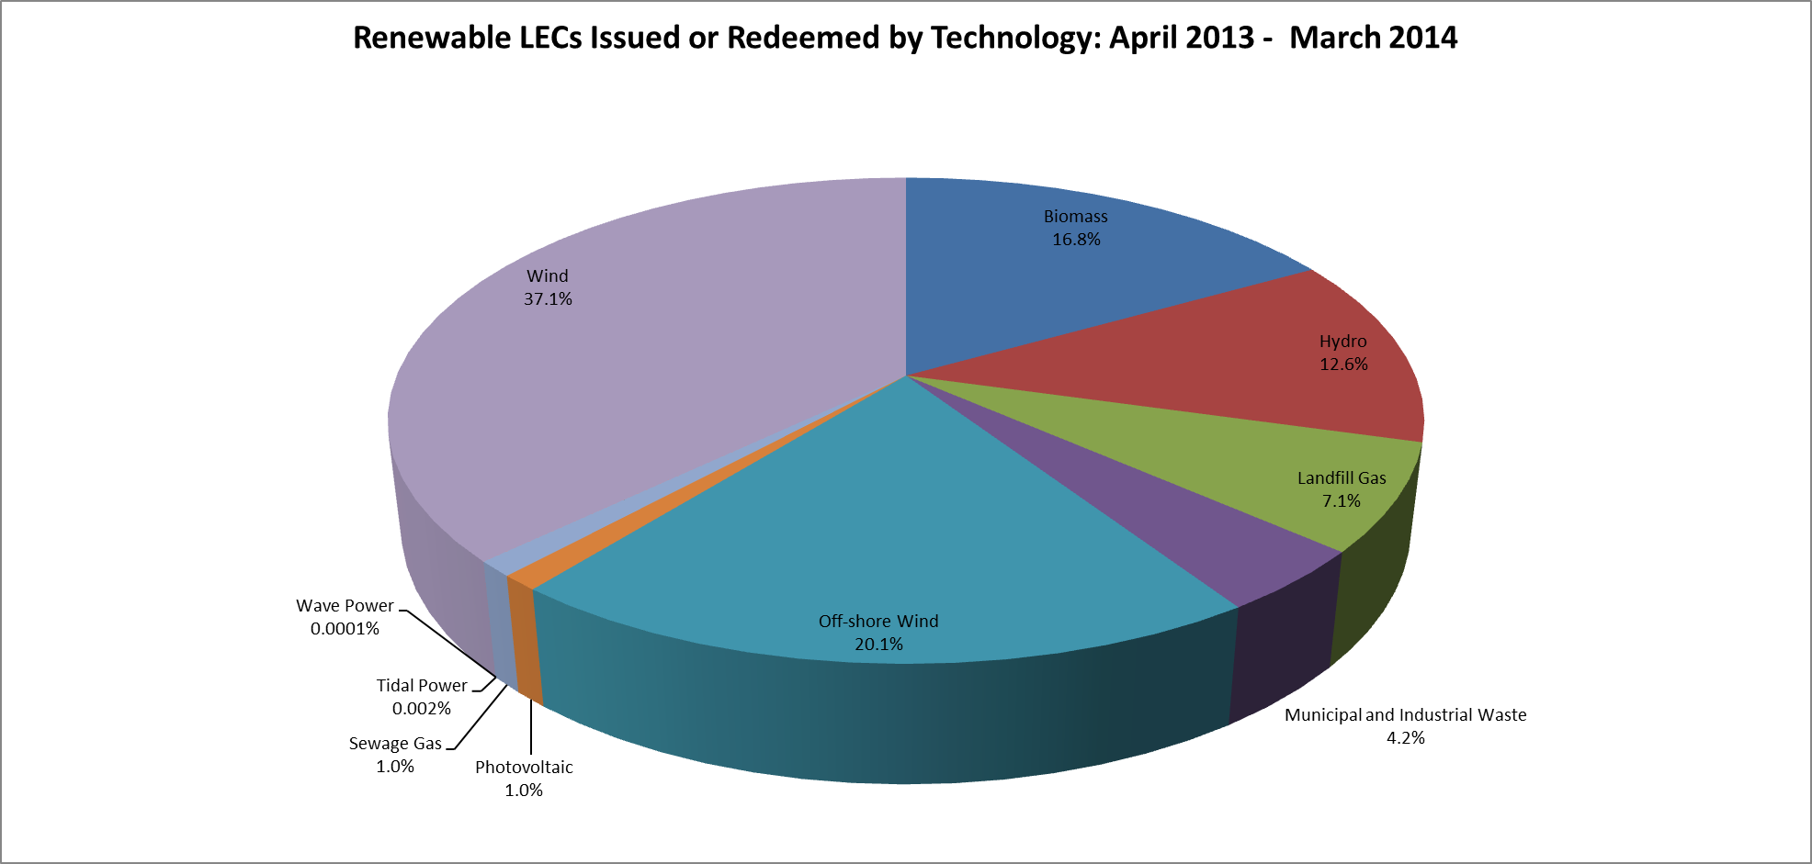

Data Correct at 23 September 2014

Notes
All Renewable LECs with the status of 'Issued' or 'Redeemed' are included in these figures. 94,874 LECs with the status 'Pending Transfer' and 530,197 voluntarily 'Retired' (Issued, and valid for redemption, but removed from the generator's account) are also included and considered as 'Issued' for the purposes of this analysis.
The status 'Issued' refers to LECs that have been Issued but not yet redeemed; the status 'Redeemed' refers to LECs that have been Issued and subsequently redeemed against indirect supplies. The total of Issued and Redeemed thus represents the sum of all LECs originally issued.
Renewable LECs issued but subsequently revoked, or with the status 'Pending revoke' or 'Cancelled' are NOT included in the figures.
Certificates 'Generated' but not 'Issued' have been excluded from this analysis.

Sum of No. Of Certificates | Country
Technology Group | Austria | Denmark | England | Finland | France | Germany | Italy | Netherlands | Norway | Scotland | Slovenia | Spain | Sweden | Switzerland | Wales | Grand Total
Biomass | 183554 | 1589393 | 8583484 |  |  |  |  | 3076 |  | 785223 |  |  | 19598 |  | 128197 | 11292525
Hydro | 11159 | 5120 | 73412 | 285415 | 282061 | 401893 |  |  | 4541060 | 683444 | 12204 | 496488 | 978609 | 586959 | 76825 | 8434649
Landfill Gas |  |  | 4178256 |  |  |  |  |  |  | 461132 |  |  |  |  | 148377 | 4787765
Municipal and Industrial Waste |  | 430377 | 1473785 |  |  | 686604 |  |  |  | 30527 |  |  |  | 94701 | 125678 | 2841672
Off-shore Wind |  | 497228 | 11870720 |  |  |  |  |  |  | 632000 |  |  |  |  | 490803 | 13490751
Photovoltaic |  |  | 672068 |  |  |  |  |  |  | 522 |  |  |  |  | 25052 | 697642
Sewage Gas |  | 3305 | 623927 |  |  |  |  |  |  | 30055 |  |  |  |  | 41551 | 698838
Tidal Power |  |  |  |  |  |  |  |  |  | 1141 |  |  |  |  |  | 1141
Wave Power |  |  |  |  |  |  |  |  |  | 93 |  |  |  |  |  | 93
Wind |  | 2994812 | 4433281 |  | 5729 | 1131 | 164538 | 74954 | 1390285 | 11725213 |  |  | 2865106 |  | 1304729 | 24959778
Grand Total | 194713 | 5520235 | 31908933 | 285415 | 287790 | 1089628 | 164538 | 78030 | 5931345 | 14349350 | 12204 | 496488 | 3863313 | 681660 | 2341212 | 67204854

