Dual fuel graph
Dual fuel graph

Notes: | Actuals data from 2009 to 2012 is expressed in 2013 prices. To see how the values have been adjusted for inflation, see the "Inflation" tab.

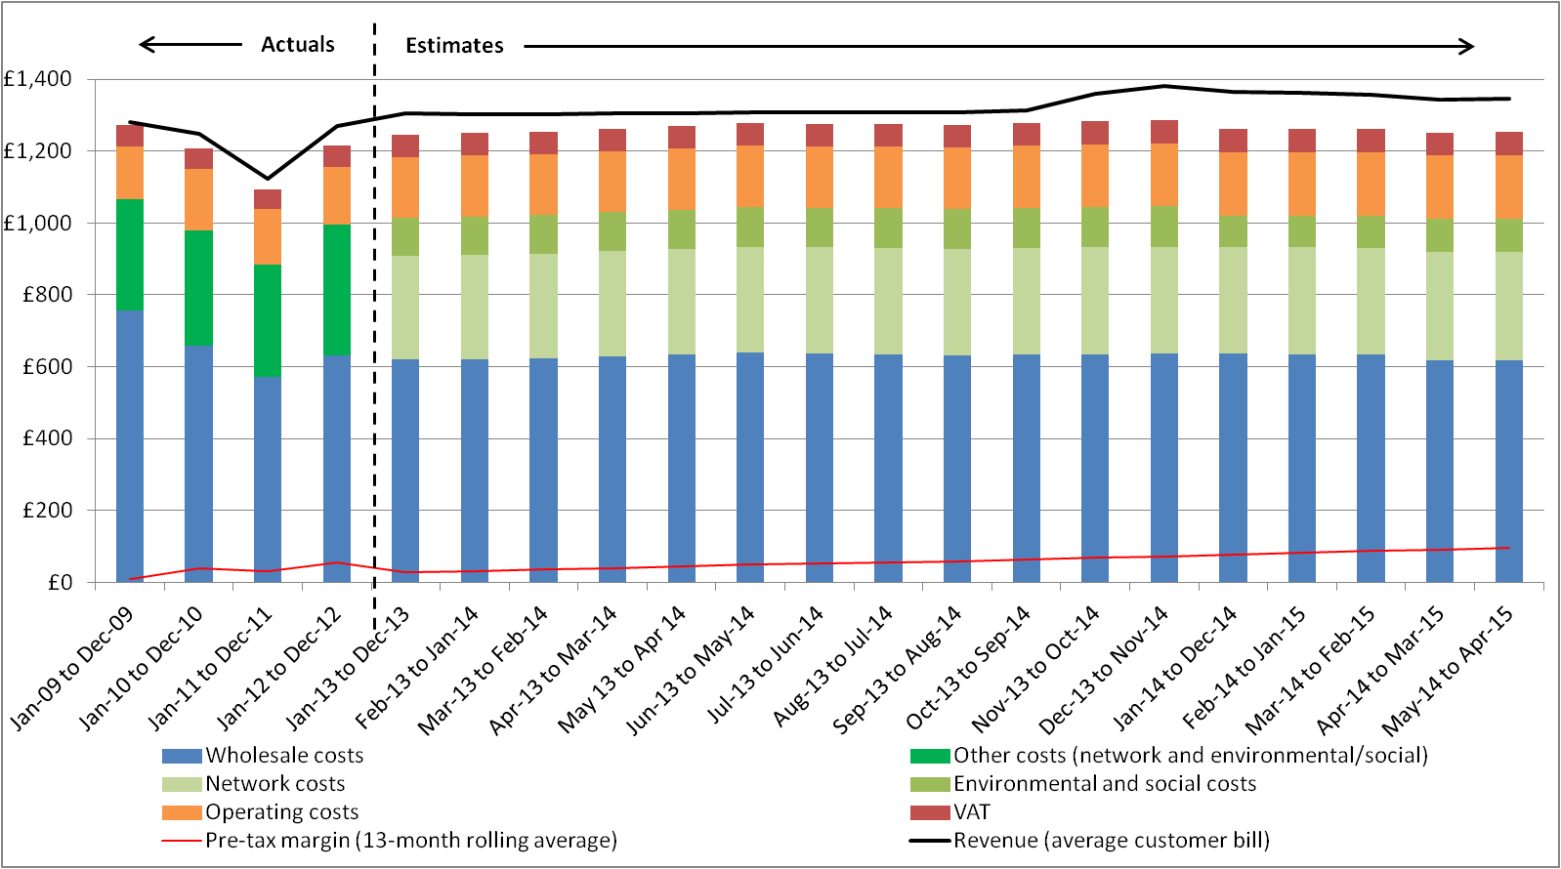

Apr-14 to Mar-15 figures revised. See the text at the top of the following page:

https://www.ofgem.gov.uk/gas/retail-market/monitoring-data-and-statistics/understanding-energy-prices-great-britain/supply-market-indicator

Gas graph
Gas graph

Notes: | Actuals data from 2009 to 2012 is expressed in 2013 prices. To see how the values have been adjusted for inflation, see the "Inflation" tab.

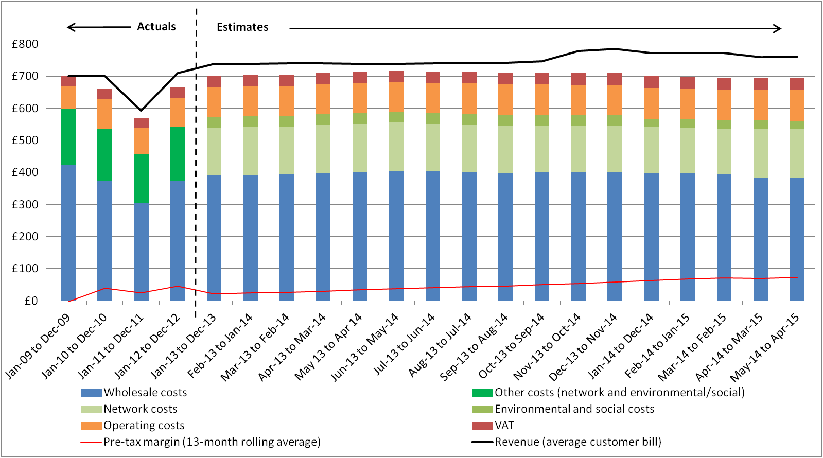

Apr-14 to Mar-15 figures revised. See the text at the top of the following page:

https://www.ofgem.gov.uk/gas/retail-market/monitoring-data-and-statistics/understanding-energy-prices-great-britain/supply-market-indicator

Electricity graph
Electricity graph

Notes: | Actuals data from 2009 to 2012 is expressed in 2013 prices. To see how the values have been adjusted for inflation, see the "Inflation" tab.

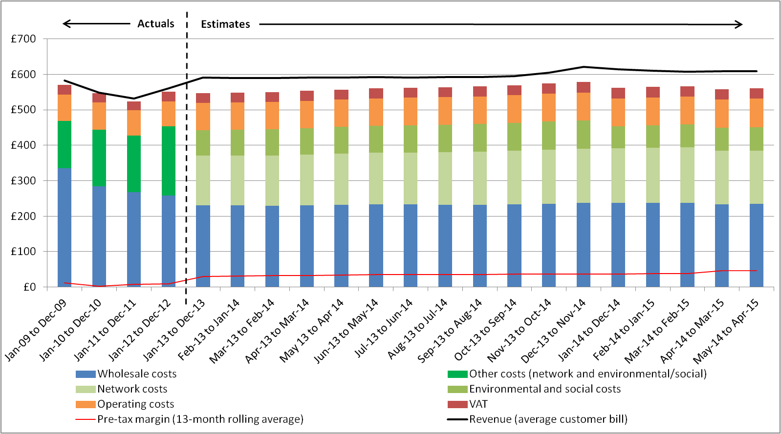

Dual fuel pie chart
Dual fuel bill breakdown from May-14 to Apr-15

 | %
Wholesale costs | 46%
Network costs | 22%
Environmental and social obligation costs | 7%
Supplier operating costs | 13%
VAT | 5%
Pre-tax margin | 7%

