Executive Summary-Apps received
Boiler Upgrade Scheme Annual Report (2025 to 2026) - Dataset

Stage 1 applications received – Scheme Year 1 to Scheme Year 4

 | SY1 | SY2 | SY3 | SY4
Total Applications received | 15,768 | 22,111 | 38,412 | 45,880

Return to contents tab

Executive Summary-Grants paid
Boiler Upgrade Scheme Annual Report (2025 to 2026) - Dataset

Grant payments made - Scheme Year 1 to Scheme Year 4

 | SY1 | SY2 | SY3 | SY4
Grants paid (annual) | £50,009,000 | £88,373,000 | £188,807,500 | £233,065,000
Cumulative value | £50,009,000 | £138,382,000 | £327,189,500 | £560,254,500

Return to contents tab

Fig 2.3
Boiler Upgrade Scheme Annual Report (2025 to 2026) - Dataset

Figure 2.3: Comparison of monthly BUS redemption applications - SY1 to SY4

This chart shows the number of redemption applications received on the BUS each month in SY1 to SY4.
With the exception of January, the volumes over SY4 have been consistently higher than in equivalent months during previous years.
On average 2,602 redemption applications were received each month over SY4 and reached a peak of 3,071 in October.
This compares with a monthly average of 938 redemption applications in SY1, 1,166 in SY2 and 2,143 in SY3.
The fall and subsequent increase in application volumes in SY2 is related to the grant uplift for heat pumps in October 2023.

 | Apr | May | Jun | Jul | Aug | Sep | Oct | Nov | Dec | Jan | Feb | Mar
BUS SY1 redemptions | - | 171 | 163 | 855 | 1,025 | 1,105 | 1,309 | 1,343 | 1,021 | 1,155 | 1,040 | 1,128
BUS SY2 redemptions | 943 | 1,000 | 981 | 939 | 990 | 876 | 640 | 1,727 | 1,424 | 1,459 | 1,536 | 1,482
BUS SY3 redemptions | 1,481 | 1,779 | 1,727 | 2,066 | 1,967 | 2,152 | 2,730 | 2,519 | 2,332 | 2,150 | 2,332 | 2,477
BUS SY4 redemptions | 2,407 | 2,606 | 2,608 | 2,725 | 2,418 | 2,758 | 3,071 | 2,751 | 2,734 | 2,135 | 2,433 | 2,579

Return to contents tab

Fig 3.1
Boiler Upgrade Scheme Annual Report (2025 to 2026) - Dataset

Figure 3.1: Grants paid by technology type on the BUS since scheme launch

This chart shows a breakdown of the 80,098 grants paid by technology type.
ASHPs make up 97.6%, ground source heat pumps (GSHPs) 1.9%, biomass 0.5%, and shared ground loop ground source heat pumps (SGL GSHPs) 0.04%.

 | ASHP | GSHP | Biomass | SGL GSHP | Total
Number | 78,178 | 1,490 | 394 | 36 | 80,098
% of total | 97.6% | 1.9% | 0.5% | 0.04% | 100%

ASHP = Air source heat pump
GSHP = Ground source heat pump
SGL GSHP = Shared ground loop GSHP

Return to contents tab

Fig 3.2
Boiler Upgrade Scheme Annual Report (2025 to 2026) - Dataset

Figure 3.2: Regional distribution of grants paid by technology type

This map shows that South East England has the highest number of BUS installations, with 20.0% of the total.
This is closely followed by South West England with 18.0% and then East of England with 13.8%.
At the other end of the spectrum the North East of England accounts for the lowest proportion with 3.0% of installations, followed by Wales with 5.1% and London with 5.5%.

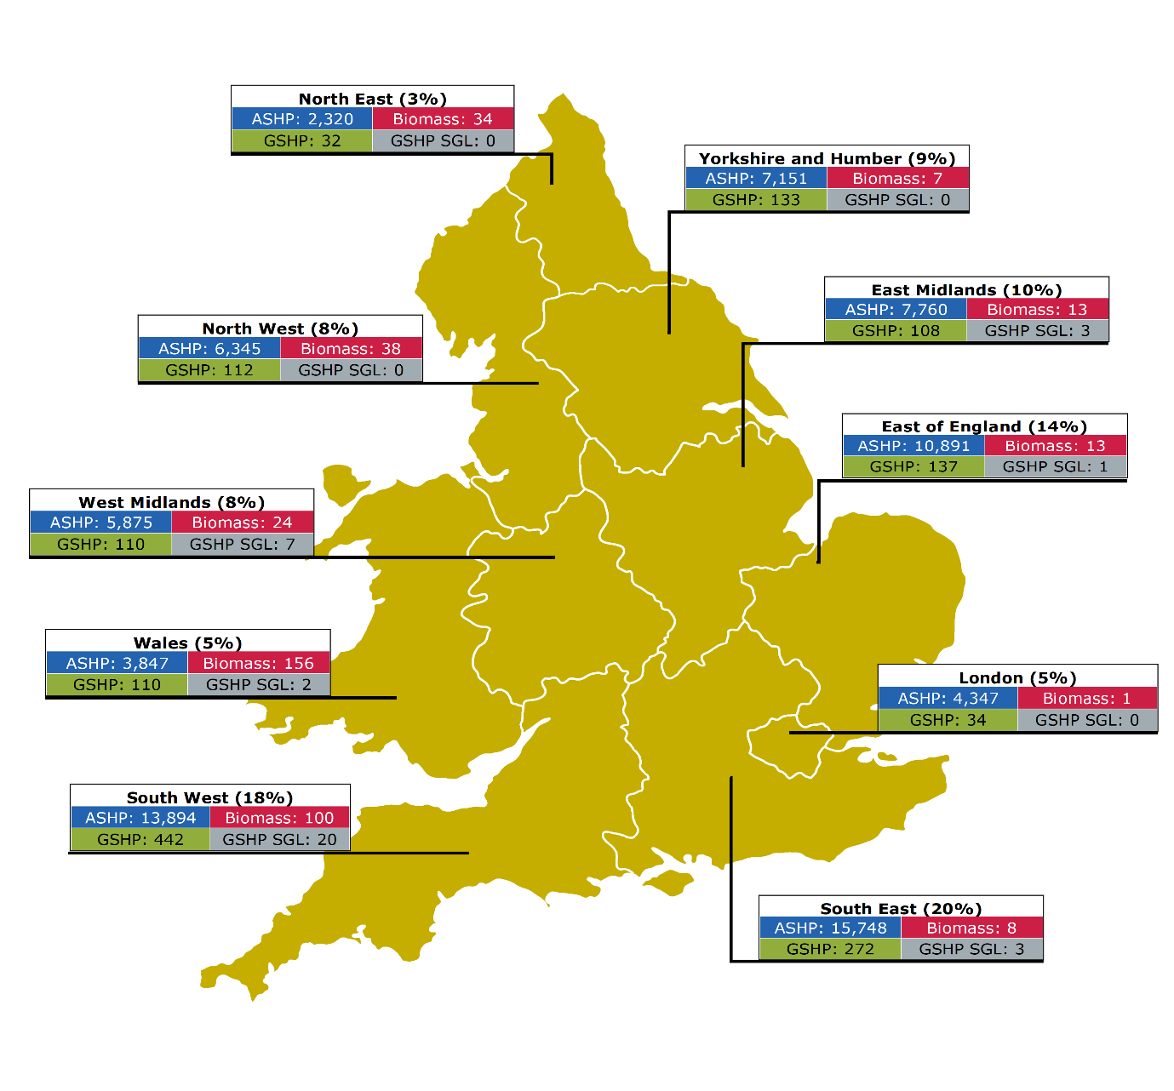

 | ASHP | GSHP | Biomass | SGL GSHP | Total (region) | Total (region) %
South East | 15,748 | 272 | 8 | 3 | 16,031 | 20.0%
South West | 13,894 | 442 | 100 | 20 | 14,456 | 18.0%
East of England | 10,891 | 137 | 13 | 1 | 11,042 | 13.8%
East Midlands | 7,760 | 108 | 13 | 3 | 7,884 | 9.8%
Yorkshire and Humber | 7,151 | 133 | 7 | 0 | 7,291 | 9.1%
North West | 6,345 | 112 | 38 | 0 | 6,495 | 8.1%
West Midlands | 5,875 | 110 | 24 | 7 | 6,016 | 7.5%
London | 4,347 | 34 | 1 | 0 | 4,382 | 5.5%
Wales | 3,847 | 110 | 156 | 2 | 4,115 | 5.1%
North East | 2,320 | 32 | 34 | 0 | 2,386 | 3.0%
Grand Total | 78,178 | 1,490 | 394 | 36 | 80,098 | 100%

ASHP = Air source heat pump
GSHP = Ground source heat pump
SGL GSHP = Shared ground loop GSHP

Return to contents tab

Fig 3.3
Boiler Upgrade Scheme Annual Report (2025 to 2026) - Dataset

Figure 3.3: Heating systems replaced since scheme launch

This chart shows the number and type of heating systems that have been replaced by BUS installations; as declared by installers on the BUS application form.
Gas systems made up 55.1% of the total and oil was the second most common at 17.2%.
Overall, replaced fossil fuelled systems (gas, oil, LPG and coal) account for 76.3% of grants paid. 13.5% of the grants paid were for properties where there was no previous heating system.

 | Gas | Oil | Direct Electric | LPG | Coal | Other | None | Total
Number | 44,174 | 13,748 | 7,334 | 2,328 | 826 | 906 | 10,782 | 80,098
% of total | 55.1% | 17.2% | 9.2% | 2.9% | 1.0% | 1.1% | 13.5% | 100%

Return to contents tab

Fig 3.4
Boiler Upgrade Scheme Annual Report (2025 to 2026) - Dataset

Figure 3.4: Proportion of grants paid for domestic vs non-domestic installations

This chart shows the breakdown of grants paid for domestic vs non-domestic installations.
Domestic installations accounted for 63,125 or 99.4% of all installations where the applicant declared this information.
This compares to 353 or 0.6% for non-domestic. This information was not provided by the remaining 16,620 applicants.

 | Domestic | Non-domestic | Unknown*
Number | 63,125 | 353 | 16,620
% of total | 99.4% | 0.6%

*Note that this figure is not factored into the percentages shown above.

Return to contents tab

Fig 3.6
Boiler Upgrade Scheme Annual Report (2025 to 2026) - Dataset

Figure 3.6: Distribution of installation quotes by technology type (grant value included)[1]

This chart shows the distribution of installation quotes as reported by installers before the grant value has been deducted.
ASHP quotes were most commonly in the £10,001 to £12,500 range. For Biomass it was £15,001 to £20,000 and for GSHPs £20,001 to £30,000.
The sample size for SGL GSHPs is much smaller, so it is more difficult to draw conclusions, however most commonly installations fall in the £15,501 to £20,000 range.

[1]The total quote amount reported by installers includes the system cost, labour and VAT.
It should be noted that we do not validate the information provided. As such to account for outliers we have excluded the highest and lowest 10% of values from the data in this section.

Percentage distribution of quotes per technology type
 | ASHP | GSHP | Biomass | SGL GSHP
£7,501 to £10,000 | 8.6% | 0.0% | 0.0% | 0.0%
£10,001 to £12,500 | 33.2% | 0.0% | 19.0% | 0.0%
£12,501 to £15,000 | 31.8% | 8.4% | 25.9% | 21.4%
£15,001 to £20,000 | 26.4% | 22.1% | 37.7% | 28.6%
£20,001 to £30,000 | 0.0% | 34.6% | 17.4% | 14.3%
£30,001 to £50,000 | 0.0% | 31.5% | 0.0% | 25.0%
£50,001 or more | 0.0% | 3.5% | 0.0% | 10.7%

Number of quotes
 | ASHP | GSHP | Biomass | SGL GSHP
£7,501 to £10,000 | 5,353 | 0 | 0 | 0
£10,001 to £12,500 | 20,751 | 0 | 60 | 0
£12,501 to £15,000 | 19,901 | 100 | 82 | 6
£15,001 to £20,000 | 16,538 | 263 | 119 | 8
£20,001 to £30,000 | 0 | 412 | 55 | 4
£30,001 to £50,000 | 0 | 375 | 0 | 7
£50,001 or more | 0 | 42 | 0 | 3

ASHP = Air source heat pump
GSHP = Ground source heat pump
SGL GSHP = Shared ground loop GSHP

Return to contents tab

Fig 4.1
Boiler Upgrade Scheme Annual Report (2025 to 2026) - Dataset

Figure 4.1: Top 30 installers by proportion of applications submitted in SY4

This chart shows the proportion of all applications submitted in Scheme Year 4 by the top 10, top 20 and top 30 installers.
The top 10 installers were responsible for 36.5%, the top 20, 43.8% and the top 30, 48.9% of all applications.

 | % of all SY4 applications | Remaining applications
Top 10 installers | 36.5% | 63.5%
Top 20 installers | 43.8% | 56.2%
Top 30 installers | 48.9% | 51.1%

Return to contents tab

