Jan to Mar 2026 Data
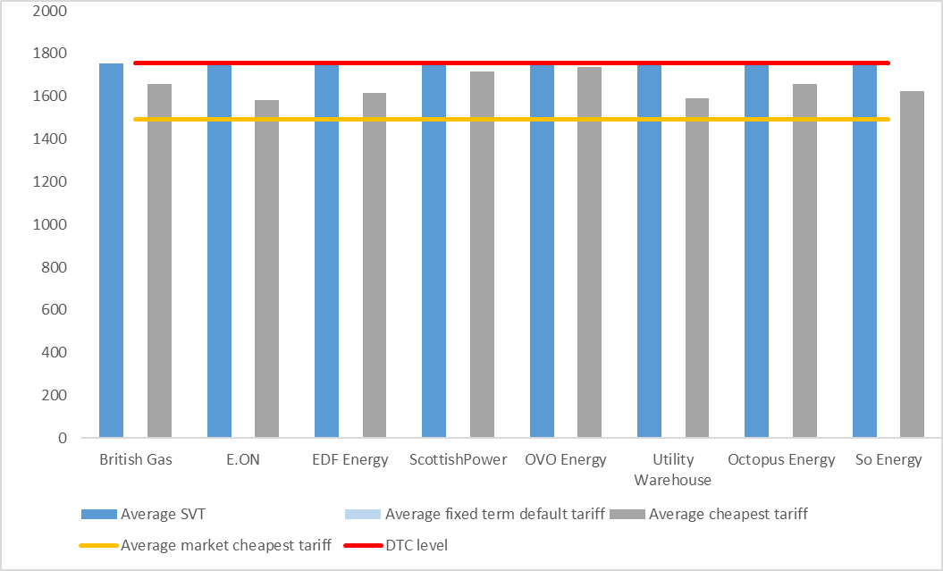
January - March 2026 data

Average tariff prices by supplier: Standard variable vs cheapest available tariffs (GB)
Supplier | Supplier's average annual standard variable tariff | Supplier's cheapest annual average tariff | Market cheapest annual average tariff | Default Tariff Cap
British Gas | 1758 | 1672 | 1506 | 1758
E.ON | 1758 | 1610 | 1506 | 1758
EDF Energy | 1758 | 1695 | 1506 | 1758
ScottishPower | 1758 | 1726 | 1506 | 1758
OVO Energy | 1758 | 1743 | 1506 | 1758
Utility Warehouse | 1757 | 1606 | 1506 | 1758
Octopus Energy | 1748 | 1670 | 1506 | 1758
So Energy | 1756 | 1651 | 1506 | 1758

Explanatory Text
At-a-glance summary
In Q1 2026, the average standard variable tariff (‘SVT’) price for a domestic customer with one of the large and medium suppliers for customers on direct debit payment methods were priced at or close to the price cap January to March 2026 at £1,758. The average SVT price differentials in the period were between £15 and £151 relative to suppliers' cheapest tariffs, which in all cases were lower than their SVT offer.
All the average cheapest deals were lower than the price cap for January to March 2026 of £1,758, ranging between £1,606 and £1,743. The SVT price differentials were between £243 and £252 relative to the average market cheapest tariff during this quarter January to March 2026.
For an overview of the SVT and price trends over time see our chart on the Retail price comparison by company and tariff type.
Relevance and further information
This chart measures the savings available to customers on default tariffs if they change tariff or switch supplier.
It should be considered jointly with our charts on the Number of domestic gas customer accounts by supplier (excluding prepayment customers): Standard variable, fixed and other tariffs (GB) and the Number of domestic electricity customer accounts by supplier (excluding prepayment customers): Standard variable, fixed and other tariffs (GB)
Our data shows default tariffs are usually more expensive than other deals available in the market. Customers on default tariffs are potentially missing out on significant savings on their bills compared to cheaper tariffs from their existing or another supplier.
See the definition of domestic supplier groups in the ‘more information’ tab of our market share indicators either for electricity or gas.
For previous updates, please see our Standard variable tariff indicators page.
Methodology
We calculate the bill values associated with the different tariff types using a ‘typical medium domestic consumer’. As of October 2023, typical domestic consumption values (TDCV) for a medium consumer are 11,500kWh/year for gas and 2,700kWh/year for electricity (profile class 1). The previous TDCV that came into effect as of April 2020, was 12,000kWh/year for gas and 2,900kWh/year for electricity (profile class 1). All prices shown are for a dual fuel customer (i.e. where a customer takes gas and electricity from the same supplier).
We use weekly prices across the quarter prior to publication to calculate the average SVT price. We take the price data for each Monday of every week in the analysed period. The source is Energyhelpline for SVT and cheapest tariffs, while fixed term default tariffs are sourced from suppliers. SVT prices in this chart always refer to paper billing prices.
We use the same calculations to produce the average cheapest tariff price for each supplier and for the average market cheapest tariff price. When calculating the cheapest tariff at both individual supplier and market level, we exclude tariffs restricted to certain regions. This is so we give a representative picture of tariffs generally available to all customers across GB.
When calculating the cheapest tariff at individual supplier level and at market level, we exclude tariffs only available to existing customers (also known as ‘retention' tariffs) and also exclude tariffs only available to new customers (also known as ‘acquisition’ tariffs).
Collective tariffs or exclusive deals only available through a supplier’s website or through a specific price comparison website are included to the extent they are ‘open collective switches’ available to all customers. We also include tariffs restricted to a particular payment method, except for prepayment.
The cheapest tariffs can include fixed and variable tariffs, may or may not involve exit fees, rewards or discounts, may only be available online and may be offered by any suppliers active in the market. Some suppliers included in the average market cheapest tariffs may not offer the Warm Home Discount.
We include tariffs available with ‘white label’ providers in the calculation of the market cheapest tariff. Where relevant, we have also included them in the cheapest tariff offered by the parent supplier of the ‘white label’. ‘White label’ providers are organisations without supply licences that partner with an active licensed supplier to offer gas and electricity tariffs using their own brand.

