Fig 2.1
Figure 2.1: Total number and installed capacity of FIT installations by technology

Column chart showing the number of accredited FIT installations and the installed capacity by technology type at the end of SY15. Solar PV installations form the majority of accredited
installations (98.93%) and installed capacity (79.32%). This is followed by wind, which accounts for 0.86% of installations and 11.89% of installed capacity. Hydro accounted for
0.15% of installations and 4.13% of installed capacity. Anaerobic digestion (AD) was less common than hydro, making up 0.05% of installations, but accounted for more installed
capacity (4.66%). Micro-CHP was the least popular technology, comprising 0.01% of accredited installations and 0.002% of installed capacity.

 | Number of installations | blank2 | blank1 | Capacity (MW)
Solar PV | 860,337 |  |  | 5,149.45
Wind | 7,512 |  |  | 771.99
Hydro | 1,284 |  |  | 268.26
AD | 442 |  |  | 302.36
Micro-CHP | 84 |  |  | 0.12

Technology | Number of installations | % of total installations | Installed capacity (MW) | % of total installed capacity | Average installed capacity (kW)
Solar PV | 860,337 | 98.93% | 5,149.45 | 79.32% | 5.99
Wind | 7,512 | 0.86% | 771.99 | 11.89% | 102.77
Hydro | 1,284 | 0.15% | 268.26 | 4.13% | 208.92
AD | 442 | 0.05% | 302.36 | 4.66% | 684.08
Micro-CHP | 84 | 0.01% | 0.12 | 0.002% | 1.41
Total | 869,659 |  | 6,492.18 |  | 7.47

Return to information tab

Fig 2.4
Figure 2.4: Deployment and installed capacity of FIT installations - capacity >50kW

Column chart showing the number of accredited installations and installed capacity by technology type for installations with a capacity above 50 kW. Of the totals for installations
with a capacity above 50 kW, solar PV forms the majority of accreditations (54.46%) and installed capacity (57.46%). This is followed by wind, which accounts for 30.17% of
accreditations and 23.95% of installed capacity. Then, hydro accounts for 9.14% of installations and 8.53% of installed capacity. Finally, anaerobic digestion comprises the
remaining 6.23% of installation and 10.06% of installed capacity.
 | Number of installations | blank2 | blank1 | Capacity (MW)
Solar PV | 3,767 |  |  | 1,725.45
Wind | 2,087 |  |  | 719.00
Hydro | 632 |  |  | 256.24
AD | 431 |  |  | 301.99

Technology | Number of installations | % of total installations | Installed capacity (MW) | % of total installed capacity | Average installed capacity (kW)
Solar PV | 3,767 | 54.46% | 1,725.45 | 57.46% | 458.04
Wind | 2,087 | 30.17% | 719.00 | 23.95% | 344.51
Hydro | 632 | 9.14% | 256.24 | 8.53% | 405.44
AD | 431 | 6.23% | 301.99 | 10.06% | 700.68
Total | 6,917 |  | 3,002.68 |  | 434.10

Return to information tab

Fig 2.5
Figure 2.5: Total number and capacity of FIT accreditations by installation setting

Column chart showing the number of accreditations and capacity by installation setting. Domestic installations form the vast majority of accreditations (829,451) compared to Non-Domestic
(Commercial) with 34,292, Community with 3,762 and Non-Domestic (Industrial) with 2,154. While Domestic installations account for the largest proportion of installed
capacity (2,954 MW), this is closely followed by Non-Domestic (Commercial) installations with an installed capacity of 34,292 MW. Non-Domestic (Industrial) installations have a total
capacity of 430 MW, followed by Community installations with the lowest total capacity of 345 MW.
 | Number of installations | Blank2 | Blank1 | Capacity (MW)
Domestic | 829,451 |  |  | 2,954.07
Non-Domestic (Commercial) | 34,292 |  |  | 2,762.72
Community | 3,762 |  |  | 345.26
Non-Domestic (Industrial) | 2,154 |  |  | 430.13

Accreditation Type | Number of installations | % of total installations | Installed capacity (MW) | % of total installed capacity (MW) | Average installed capacity (kW)
Domestic | 829,451 | 95.38% | 2,954.07 | 45.50% | 3.56
Non-Domestic (Commercial) | 34,292 | 3.94% | 2,762.72 | 42.55% | 80.56
Community | 3,762 | 0.43% | 345.26 | 5.32% | 91.78
Non-Domestic (Industrial) | 2,154 | 0.25% | 430.13 | 6.63% | 199.69
Grand Total | 869,659 |  | 6,492.18 |  | 7.47

Return to information tab

Fig 2.7
Figure 2.7: Distribution of FIT installations (and installed capacity) by technology type (Capacity 0-50kW)

Map of the UK showing the distribution of microgenerators (0-50 kW capacity) and their installed capacity by technology type across each region. The highest proportion of installations
and total capacity was focused in the South West (14.2% installations, 14.6% capacity), South East (13.2% installations, 13.2% capacity) and East of England (12.2% installations, 12.4% capacity).
The lowest values were in Wales (6.5% installations, 6.5% capacity), the North East (5.5% installations, 4.6% capacity) and London (3.0% installations, 2.9% capacity).

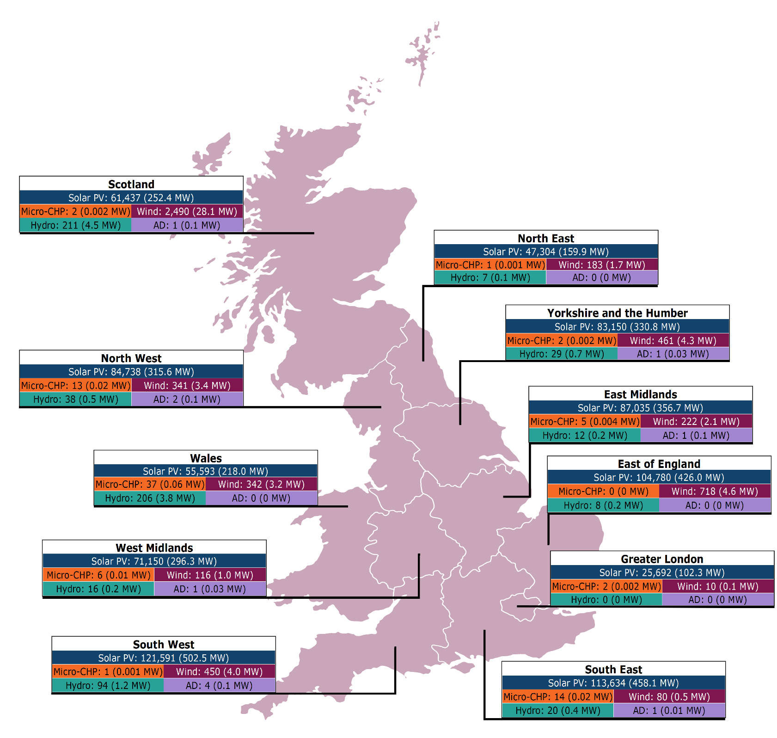

Region | Solar PV accreditations | Solar PV capacity (MW) | Wind accreditations | Wind capacity (MW) | Hydro accreditations | Hydro capacity (MW) | Micro-CHP accreditations | Micro-CHP capacity (MW) | Anaerobic Digestion accreditations (AD) | Anaerobic Digestion (AD) capacity (MW) | Regional total accreditations | Regional total capacity (MW)
South West | 121,591 | 502.48 | 450 | 4.02 | 94 | 1.18 | 1 | 0.0008 | 4 | 0.14 | 122,140 | 507.82
South East | 113,634 | 458.12 | 80 | 0.52 | 20 | 0.38 | 14 | 0.0178 | 1 | 0.01 | 113,749 | 459.05
East of England | 104,780 | 426.01 | 718 | 4.61 | 8 | 0.16 | 0 | 0.0000 | 0 | 0.00 | 105,506 | 430.78
East Midlands | 87,035 | 356.68 | 222 | 2.06 | 12 | 0.22 | 5 | 0.0038 | 1 | 0.05 | 87,275 | 359.02
North West | 84,738 | 315.62 | 341 | 3.35 | 38 | 0.52 | 13 | 0.0169 | 2 | 0.06 | 85,132 | 319.57
Yorkshire and The Humber | 83,150 | 330.76 | 461 | 4.33 | 29 | 0.66 | 2 | 0.0018 | 1 | 0.03 | 83,643 | 335.78
West Midlands | 71,150 | 296.32 | 116 | 0.98 | 16 | 0.19 | 6 | 0.0092 | 1 | 0.03 | 71,289 | 297.52
Scotland | 61,437 | 252.42 | 2490 | 28.09 | 211 | 4.54 | 2 | 0.0015 | 1 | 0.05 | 64,141 | 285.10
Wales | 55,593 | 217.96 | 342 | 3.21 | 206 | 3.81 | 37 | 0.0618 | 0 | 0.00 | 56,178 | 225.04
North East | 47,304 | 159.89 | 183 | 1.66 | 7 | 0.10 | 1 | 0.0006 | 0 | 0.00 | 47,495 | 161.66
London | 25,692 | 102.30 | 10 | 0.07 | 0 | 0.00 | 2 | 0.0043 | 0 | 0.00 | 25,704 | 102.38
Unknown | 466 | 5.44 | 12 | 0.07 | 11 | 0.28 | 1 | 0.0020 | 0 | 0.00 | 490 | 5.78
Total | 856,570 | 3,424.00 | 5,425 | 52.99 | 652 | 12.02 | 84 | 0.12 | 11 | 0.37 | 862,742 | 3,489.50

Return to information tab

Fig 2.8
Figure 2.8: Distribution of FIT installations (and installed capacity) by technology type (Capacity >50kW)

Map of the UK showing the distribution of larger generators (>50 kW capacity) and installed capacity by technology type across each region. The highest proportion of installations and total
capacity was focused in Scotland (18.5% installations, 17.0% capacity), the South West (15.4% installations, 21.7% capacity), and Yorkshire and the Humber (10.2% installations, 6.3% capacity).
The lowest values were in the North West (6.5% installations, 5.1% capacity), the North East (2.2% installations, 1.6% capacity) and London (1.9% installations, 0.9% capacity).
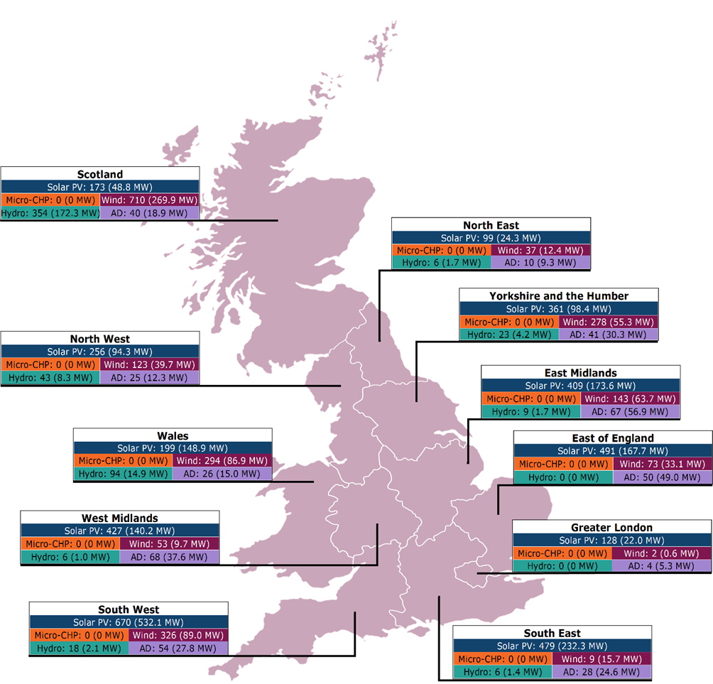

Region | Solar PV accreditations | Solar PV capacity (MW) | Wind accreditations | Wind capacity (MW) | Hydro accreditations | Hydro capacity (MW) | Anaerobic Digestion (AD) accreditations | Anaerobic Digestion (AD) capacity (MW) | Regional total accreditations | Regional total capacity (MW)
Scotland | 173 | 48.78 | 710 | 269.89 | 354 | 172.31 | 40 | 18.90 | 1,277 | 509.88
South West | 670 | 532.07 | 326 | 88.95 | 18 | 2.11 | 54 | 27.81 | 1,068 | 650.94
Yorkshire and The Humber | 361 | 98.42 | 278 | 55.32 | 23 | 4.21 | 41 | 30.25 | 703 | 188.21
East Midlands | 409 | 173.58 | 143 | 63.74 | 9 | 1.70 | 67 | 56.91 | 628 | 295.93
East of England | 491 | 167.69 | 73 | 33.12 | 0 | 0.00 | 50 | 49.03 | 614 | 249.84
Wales | 199 | 148.91 | 294 | 86.91 | 94 | 14.94 | 26 | 14.99 | 613 | 265.76
West Midlands | 427 | 140.24 | 53 | 9.68 | 6 | 0.97 | 68 | 37.59 | 554 | 188.48
South East | 479 | 232.28 | 9 | 15.74 | 6 | 1.41 | 28 | 24.59 | 522 | 274.02
North West | 256 | 94.31 | 123 | 39.66 | 43 | 8.27 | 25 | 12.29 | 447 | 154.54
Unknown | 75 | 42.86 | 39 | 42.94 | 73 | 48.60 | 18 | 15.04 | 205 | 149.43
North East | 99 | 24.26 | 37 | 12.44 | 6 | 1.71 | 10 | 9.33 | 152 | 47.74
London | 128 | 22.03 | 2 | 0.60 | 0 | 0.00 | 4 | 5.26 | 134 | 27.89
Total | 3,767 | 1,725.45 | 2,087 | 719.00 | 632 | 256.24 | 431 | 301.99 | 6,917 | 3,002.68

Return to information tab

Fig 2.9
Figure 2.9: Installations becoming inactive - SY11 to SY15

Stacked column chart showing the capacity of accreditations that have become inactive since micro-CHP installations began to reach the end of their eligibility period in SY11. In
SY11, the capacity of installations becoming inactive totalled 149.0 kW (148 installations), this increased to a cumulative total capacity of 391.8 kW in SY12 as 243 installations with a
capacity of 242.8 kW became inactive, the highest of any scheme year. In SY13, the capacity of installations becoming inactive decreased to 89.1 kW (83 installations), followed by 26.0
kW in SY14 (23 installations) and 25.5 kW in SY15 (21 installations). This shows a gradual decline in the number and capacity of installation becoming inactive. In SY15, the lifetime
capacity of inactive installations equated to 532.4 kW (518 installations).

Capacity of inactive installations, SY11-15 (kW)

 | SY11 (2021-22) | SY12 (2021-22) | SY13 (2022-23) | SY14 (2023-24) | SY15 (2024-25)
Newly inactive | 149.0 | 242.8 | 89.1 | 26.0 | 25.5
Existing inactive | 0.0 | 149.0 | 391.8 | 480.9 | 506.9
Lifetime total | 149.0 | 391.8 | 480.9 | 506.9 | 532.4

Return to information tab

Fig 3.1
Figure 3.1: Electricity generated and associated payments, SY11-15

Column chart showing the electricity generated and associated FIT generation payments made in each scheme year from SY11 to SY15. The generation and payments have fluctuated
over this period. The amount of electricity generated peaked in SY11 at 9.14 TWh, before dropping to a low of 7.94 TWh in SY12. FIT generation payments followed a similar pattern,
reaching their lowest point in SY12 at £1,452 million and climbing to a high of £1,762 million in SY14. By SY15, generation stood at 7.97 TWh, with associated payments totalling £1,732
million.

 | Generation (TWh) |  | blank2 |  | blank1 |  | Generation payments (£m)
SY11 (2020-21) | 9.14 | SY11 (2020-21) |  | SY10 (2019-20) |  | SY10 (2019-20) | £1,547.00
SY12 (2021-22) | 7.94 | SY12 (2021-22) |  | SY11 (2020-21) |  | SY11 (2020-21) | £1,451.89
SY13 (2022-23) | 8.90 | SY13 (2022-23) |  | SY12 (2021-22) |  | SY12 (2021-22) | £1,634.27
SY14 (2023-24) | 8.34 | SY14 (2023-24) |  | SY13 (2022-23) |  | SY13 (2022-23) | £1,761.71
SY15 (2024-25) | 7.97 | SY15 (2024-25) |  | SY14 (2023-24) |  | SY14 (2023-24) | £1,732.08

Scheme Year | Generated (TWh) | Exported (TWh) | Proportion Exported | Total generation payments (£m) | Total export payments (£m) | Total payments (£m) | £m/TWh of generation
SY1 (2010-11) | 0.07 | 0.01 | 21.79% | £12.49 | £0.45 | £12.94 | £188.67
SY2 (2011-12) | 0.50 | 0.10 | 20.95% | £135.94 | £3.53 | £139.47 | £279.95
SY3 (2012-13) | 1.67 | 0.73 | 43.42% | £504.27 | £14.62 | £518.89 | £309.87
SY4 (2013-14) | 2.64 | 0.65 | 24.65% | £685.97 | £22.82 | £708.79 | £267.99
SY5 (2014-15) | 3.82 | 0.83 | 21.63% | £865.55 | £12.36 | £877.91 | £230.12
SY6 (2015-16) | 5.59 | 1.12 | 19.99% | £1,089.04 | £44.81 | £1,133.86 | £202.69
SY7 (2016-17) | 7.50 | 2.11 | 28.15% | £1,266.68 | £92.20 | £1,358.88 | £181.18
SY8 (2017-18) | 8.36 | 2.48 | 29.70% | £1,362.37 | £112.11 | £1,474.48 | £176.37
SY9 (2018-19) | 8.45 | 2.40 | 28.39% | £1,408.98 | £103.24 | £1,512.22 | £178.88
SY10 (2019-20) | 9.13 | 1.77 | 19.35% | £1,501.08 | £86.63 | £1,587.72 | £173.83
SY11 (2020-21) | 9.14 | 3.96 | 43.33% | £1,547.00 | £199.27 | £1,746.27 | £191.08
SY12 (2021-22) | 7.94 | 2.06 | 25.99% | £1,451.89 | £104.98 | £1,556.88 | £196.08
SY13 (2022-23) | 8.90 | 1.28 | 14.38% | £1,634.27 | £80.73 | £1,715.00 | £192.75
SY14 (2023-24) | 8.34 | 1.32 | 15.79% | £1,761.71 | £78.43 | £1,840.14 | £220.61
SY15 (2024-25) | 7.97 | 1.47 | 18.40% | £1,732.08 | £94.09 | £1,826.17 | £229.22
Scheme lifetime | 90.03 | 22.29 | 24.76% | £16,959.33 | £1,050.27 | £18,009.60 | £200.05

Return to information tab

Fig 3.2
Figure 3.2: Electricity exported and associated payments, SY11-15

Column chart showing the electricity exported and associated FIT export payments made in each scheme year from SY11 to SY15. Exports peaked in SY11 at 3.96 TWh with £199 million
paid, which we believe is attributable to the COVID-19 pandemic when generators were not using as much electricity on site due to lockdowns and therefore may have been exporting
more than usual. Levels then declined to 2.06 TWh (£105 million) in SY12 and 1.28 TWh (£81 million) in SY13, remaining similar in SY14 (1.32 TWh, £78 million). In SY15, electricity
exports stood at 1.47 TWh with £94 million in associated payments.

 | Export (TWh) | blank2 | blank1 | Export payments (£m)
SY11 (2020-21) | 3.96 |  |  | £199.27
SY12 (2021-22) | 2.06 |  |  | £104.98
SY13 (2022-23) | 1.28 |  |  | £80.73
SY14 (2023-24) | 1.32 |  |  | £78.43
SY15 (2024-25) | 1.47 |  |  | £94.09

Scheme Year | Generated (TWh) | Exported (TWh) | Proportion Exported | Total generation payments (£m) | Total export payments (£m) | Total payments (£m) | £m/TWh of generation
SY1 (2010-11) | 0.07 | 0.01 | 21.79% | £12.49 | £0.45 | £12.94 | £188.67
SY2 (2011-12) | 0.50 | 0.10 | 20.95% | £135.94 | £3.53 | £139.47 | £279.95
SY3 (2012-13) | 1.67 | 0.73 | 43.42% | £504.27 | £14.62 | £518.89 | £309.87
SY4 (2013-14) | 2.64 | 0.65 | 24.65% | £685.97 | £22.82 | £708.79 | £267.99
SY5 (2014-15) | 3.82 | 0.83 | 21.63% | £865.55 | £12.36 | £877.91 | £230.12
SY6 (2015-16) | 5.59 | 1.12 | 19.99% | £1,089.04 | £44.81 | £1,133.86 | £202.69
SY7 (2016-17) | 7.50 | 2.11 | 28.15% | £1,266.68 | £92.20 | £1,358.88 | £181.18
SY8 (2017-18) | 8.36 | 2.48 | 29.70% | £1,362.37 | £112.11 | £1,474.48 | £176.37
SY9 (2018-19) | 8.45 | 2.40 | 28.39% | £1,408.98 | £103.24 | £1,512.22 | £178.88
SY10 (2019-20) | 9.13 | 1.77 | 19.35% | £1,501.08 | £86.63 | £1,587.72 | £173.83
SY11 (2020-21) | 9.14 | 3.96 | 43.33% | £1,547.00 | £199.27 | £1,746.27 | £191.08
SY12 (2021-22) | 7.94 | 2.06 | 25.99% | £1,451.89 | £104.98 | £1,556.88 | £196.08
SY13 (2022-23) | 8.90 | 1.28 | 14.38% | £1,634.27 | £80.73 | £1,715.00 | £192.75
SY14 (2023-24) | 8.34 | 1.32 | 15.79% | £1,761.71 | £78.43 | £1,840.14 | £220.61
SY15 (2024-25) | 7.97 | 1.47 | 18.40% | £1,732.08 | £94.09 | £1,826.17 | £229.22
Scheme lifetime | 90.03 | 22.29 | 24.76% | £16,959.33 | £1,050.27 | £18,009.60 | £200.05

Return to information tab

Fig 3.3
Figure 3.3: FIT scheme value, SY1-15

Column chart showing the total value of the FIT scheme since launch. The value rose rapidly between SY1 and SY7 before continuing to grow at a reduced rate, reaching £1,764 million in
SY11. The scheme value fell for the first time in SY12, dropping to £1,575 million. While it increased again in SY13, it was in SY14 that it exceeded SY11’s value and reached a new peak
of £1,858 million. In SY15 the scheme value dropped by £14m to £1.84 billion.

Scheme Year | FIT generation payments (£m) | FIT deemed export payments (£m) | FIT metered export payments (£m) | Qualifying FIT Costs (£m) | Total (£m)
SY1 (2010-11) | £12.5 | £0.4 | £0.1 | £2.0 | £15.0
SY2 (2011-12) | £135.9 | £3.1 | £0.4 | £15.8 | £155.3
SY3 (2012-13) | £504.3 | £13.8 | £0.8 | £6.1 | £525.0
SY4 (2013-14) | £686.0 | £21.3 | £1.5 | £9.3 | £718.1
SY5 (2014-15) | £850.8 | £29.8 | £2.2 | £12.4 | £895.2
SY6 (2015-16) | £1,089.0 | £40.1 | £4.7 | £16.8 | £1,150.7
SY7 (2016-17) | £1,267.0 | £49.0 | £43.2 | £16.0 | £1,375.2
SY8 (2017-18) | £1,362.4 | £49.6 | £62.5 | £16.6 | £1,491.1
SY9 (2018-19) | £1,409.0 | £55.5 | £47.7 | £17.2 | £1,529.5
SY10 (2019-20) | £1,501.1 | £58.0 | £28.6 | £18.0 | £1,605.7
SY11 (2020-21) | £1,547.0 | £60.3 | £139.0 | £17.5 | £1,763.8
SY12 (2021-22) | £1,451.9 | £59.7 | £45.2 | £17.9 | £1,574.8
SY13 (2022-23) | £1,634.3 | £65.2 | £15.6 | £17.5 | £1,732.5
SY14 (2023-24) | £1,761.7 | £66.4 | £12.0 | £17.7 | £1,857.8
SY15 (2024-25) | £1,732.1 | £63.0 | £31.1 | £17.5 | £1,844
Scheme lifetime | £16,944.9 | £635.2 | £434.7 | £218.3 | £18,233.1

Return to information tab

Fig 3.4
Figure 3.4: Total value of the FIT scheme - breakdown

These four column charts detail the four elements that combined make up the value of the FIT scheme. Generation and deemed export payments mirror the profile of total value of the FIT
scheme, having grown every year since scheme launch, falling for the first time in SY12, then increasing until SY14 and falling again in SY15. Metered export payments saw a significant rise
in SY7, growing from £4.7 million in SY6 to £43.2 million. They have fluctuated from this point forwards reaching a peak of £139 million in SY11, before falling to £12 million in SY14. In SY15
export payments increased again to £31.1m. Qualifying FIT Costs have remained in the range of £16 and £18 million between SY6 and SY15.

Scheme Year Year | FIT generation payments (£m) | FIT deemed export payments (£m) | FIT metered export payments (£m) | Qualifying FIT Costs (£m) | Total (£m)
SY1 | £12.5 | £0.4 | £0.1 | £2.0 | £15.0
SY2 | £135.9 | £3.1 | £0.4 | £15.8 | £155.3
SY3 | £504.3 | £13.8 | £0.8 | £6.1 | £525.0
SY4 | £686.0 | £21.3 | £1.5 | £9.3 | £718.1
SY5 | £850.8 | £29.8 | £2.2 | £12.4 | £895.2
SY6 | £1,089.0 | £40.1 | £4.7 | £16.8 | £1,150.7
SY7 | £1,267.0 | £49.0 | £43.2 | £16.0 | £1,375.2
SY8 | £1,362.4 | £49.6 | £62.5 | £16.6 | £1,491.1
SY9 | £1,409.0 | £55.5 | £47.7 | £17.2 | £1,529.5
SY10 | £1,501.1 | £58.0 | £28.6 | £18.0 | £1,605.7
SY11 | £1,547.0 | £60.3 | £139.0 | £17.5 | £1,763.8
SY12 | £1,451.9 | £59.7 | £45.2 | £17.9 | £1,574.8
SY13 | £1,634.3 | £65.2 | £15.6 | £17.5 | £1,732.5
SY14 | £1,761.7 | £66.4 | £12.0 | £17.7 | £1,857.8
SY15 | £1,732.1 | £63.0 | £31.1 | £17.5 | £1,843.7
Scheme lifetime | £16,944.9 | £635.2 | £434.7 | £218.3 | £18,233.1

Return to information tab

Fig 3.8
Figure 3.8: Levelisation fund vs The control forecast, SY11-15

Combined column and line chart showing the annual levelisation fund against the control forecast from SY11 to SY15. Since SY12, the annual levelisation fund has consistently
remained under the control forecast and until SY15, the gap between the levelisation fund and the forecast had been falling with the levelisation fund in SY12 (£1,273 million) being
almost 18% lower than the forecast (£1,552 million). The difference was almost 13% in SY13, with the levelisation fund being £1,453 million and the forecast being £1,668 million and in
SY14, the difference had shrunk to almost 7%, with the levelisation fund being £1,755 million and the forecast being £1,892 million. However, in SY15 the difference between the
levelisation fund (£1,726 million) and the control forecast (£1,990 million) has expanded to more than 13%.

Scheme Year | Annual levelisation fund | Low Carbon Levies Forecast | Variance from forecast
SY11 (2020-2021) | £1,603.01 | £1,533.35 | 4.54%
SY12 (2021-2022) | £1,273.11 | £1,551.75 | -17.96%
SY13 (2022-2023) | £1,452.95 | £1,668.13 | -12.90%
SY14 (2023-2024) | £1,754.92 | £1,891.66 | -7.23%
SY15 (2024-2025) | £1,725.74 | £1,990.03 | -13.28%

Return to information tab

Fig 3.9
Figure 3.9: Administrative costs, SY11-15

Combined column and line chart showing our administration costs for the FIT and the equivalent proportion of the levelisation fund from SY11 to SY15. Administrative costs
decreased from £2.9 million in SY11 to £2.2 million in SY12, representing a marginal reduction from 0.18% to 0.17% of the levelisation fund. From SY12 onwards, costs have shown a
consistent upward trend: £3.0 million (0.20%) in SY13, £3.9 million (0.22%) in SY14, and £4.8 million (0.28%) in SY15. SY15 reflects the highest administrative expenditure recorded during
the scheme’s lifetime and the highest proportion of the levelisation fund since SY8 (also 0.28%). This level of spending was mostly driven by increased spending on our audit and
compliance work and development of the RER.

Scheme Year | Administrative costs | % of levelisation fund
SY1 (2010-11) | £1,732,977 | 12.01%
SY2 (2011-12) | £1,997,474 | 1.32%
SY3 (2012-13) | £3,292,381 | 0.64%
SY4 (2013-14) | £2,720,290 | 0.39%
SY5 (2014-15) | £2,952,000 | 0.34%
SY6 (2015-16) | £2,987,085 | 0.27%
SY7 (2016-17) | £3,963,461 | 0.31%
SY8 (2017-18) | £3,837,555 | 0.28%
SY9 (2018-19) | £3,213,286 | 0.23%
SY10 (2019-20) | £2,484,994 | 0.16%
SY11 (2020-21) | £2,867,547 | 0.18%
SY12 (2021-22) | £2,205,463 | 0.17%
SY13 (2022-23) | £2,950,203 | 0.20%
SY14 (2023-24) | £3,866,644 | 0.22%
SY15 (2024-25) | £4,841,551 | 0.28%

Return to information tab

Fig 4.5
Figure 4.5: Biennial meter verification - Licensee performance, SY11-15

Line graph showing FIT Licensee BMV performance from SY11 to SY15. The percentage of suppliers verifying 90% or more of the meters fell slightly between SY11 (33.3%) and SY12
(28.0%) but increased significantly to 61.5% in SY13, before falling again slightly to 55.0% in SY14. The percentage verifying at least 80% of meters also fell between SY11 (63.0%) and
SY12 (56.0%) but increased to its highest percentage of 83.3% in SY15. The percentage verifying at least 70% of meters has remained relatively stable since SY10, until its greatest
increase to 91.7% in SY15.

 | SY11 (2020-2021) | SY12 (2021-2022) | SY13 (2022-2023) | SY14 (2023-2024) | SY15 (2024-2025)
0-39% | 1 | 0 | 2 | 2 | 2
40-49% | 0 | 0 | 0 | 1 | 0
50-59% | 0 | 1 | 2 | 0 | 0
60-69% | 3 | 4 | 0 | 1 | 0
70-79% | 6 | 6 | 1 | 1 | 2
80-89% | 8 | 7 | 5 | 4 | 6
90-100% | 9 | 7 | 16 | 11 | 14
≥90% meters verified | 33.3% | 28.0% | 61.5% | 55.0% | 58.3%
≥80% meters verified | 63.0% | 56.0% | 80.8% | 75.0% | 83.3%
≥70% meters verified | 85.2% | 80.0% | 84.6% | 80.0% | 91.7%

Return to information tab

Fig 4.6
Figure 4.6: FIT licensee audit scores, SY11-15

Stacked column chart showing the percentage of FIT Licensee audits being awarded each rating from SY11 to SY15. In SY11 and SY12, good audits dominated at 66.7% and 71.4%
respectively, with only 16.7% and 14.3% unsatisfactory and minimal no-rating cases. SY13 marked a turning point: good audits fell to 14.3%, weak ratings rose to 28.6%, and satisfactory
audits accounted for 57.1%. SY14 showed recovery, with 60% satisfactory and 20% good, while unsatisfactory dropped to 10%. SY15 saw a sharp decline in quality, with weak audits
surging to 60%, and good and satisfactory each falling to 20%. Note the small sample size creates significant variations between results for each scheme year.

FIT Licensee audit scores, SY10-15 (% of audits)

 | Good | Satisfactory | Weak | Unsatisfactory | No Rating
SY11 (2020-2021) | 66.7% | 0.0% | 0.0% | 16.7% | 16.7%
SY12 (2021-2022) | 71.4% | 14.3% | 0.0% | 14.3% | 0.0%
SY13 (2022-2023) | 14.3% | 57.1% | 28.6% | 0.0% | 0.0%
SY14 (2023-2024) | 20.0% | 60.0% | 10.0% | 10.0% | 0.0%
SY15 (2024-2025) | 0.0% | 20.0% | 60.0% | 20.0% | 0.0%

FIT Licensee audit scores, SY10-15 (number of audits)

 | Good | Satisfactory | Weak | Unsatisfactory | No Rating | Total
SY11 | 8 | 0 | 0 | 2 | 2 | 12
SY12 | 5 | 1 | 0 | 1 | 0 | 7
SY13 | 1 | 4 | 2 | 0 | 0 | 7
SY14 | 2 | 6 | 1 | 1 | 0 | 10
SY15 | 0 | 1 | 3 | 1 | 0 | 5

Return to information tab

Fig 5.1
Figure 5.1: FIT generator targeted audit scores, SY11-15

Stacked column chart showing FIT Generator targeted audit ratings from SY11 to SY15. Since SY11 ‘Weak’ ratings have formed the largest proportion of audit ratings, with SY14 having the
biggest proportion (80.0%) of ‘Weak’ rated audits. Moreover, SY14 saw the proportion of ‘Unsatisfactory’ ratings drop to 0.0% from 26.0% in SY13. In SY14, 18.0% of audits have been
classed as ‘Satisfactory’, a decrease from 22.0% in SY13. Whilst ‘Good’ ratings have been consistently around 1% of audits in the previous years, in SY14 2% of audits were rated ‘Good’,
this increased to 3% in SY15 and ‘Weak’ and ‘Satisfactory’ ratings remained steady at 78.8% and 18.2% respectively.

Generator audit scores, SY11-15 (% of audits)

 | Good | Satisfactory | Weak | Unsatisfactory
SY11 (2020-2021) | 1.1% | 33.3% | 35.6% | 29.9%
SY12 (2021-2022) | 0.0% | 8.6% | 57.1% | 34.3%
SY13 (2022-2023) | 0.0% | 22.0% | 52.0% | 26.0%
SY14 (2023-2024) | 2.0% | 18.0% | 80.0% | 0.0%
SY15 (2024-2025) | 3.0% | 18.2% | 78.8% | 0.0%

Generator audit scores, SY11-15 (number of audits)

 | Good | Satisfactory | Weak | Unsatisfactory | Total
SY11 (2020-2021) | 1 | 29 | 31 | 26 | 87
SY12 (2021-2022) | 0 | 6 | 40 | 24 | 70
SY13 (2022-2023) | 0 | 11 | 26 | 13 | 50
SY14 (2023-2024) | 1 | 9 | 40 | 0 | 50
SY15 (2024-2025) | 1 | 6 | 26 | 0 | 33

Return to information tab

Fig 5.2
Figure 5.2: FIT generator targeted audit scores and technology type, SY15

Stacked column chart showing FIT Generator targeted audit ratings for each technology type in SY15. ‘Weak’ ratings have formed the largest proportion of audit ratings for each technology
type, 100% for Fuelled, 57.1% for Hydro, 66.7% for Onshore Wind and 88.2% for Solar PV. This is followed by ‘Satisfactory’ ratings of which made up 28.6% of ratings for Hydro, 33.3%
for Onshore Wind and 11.8% for Solar PV. Hydro is the only technology type that received a ‘Good’ rating which made up 14.3% of their ratings. In SY15, no installations across any technology
type were classified as 'Unsatisfactory'.

Generator audit scores, technology type (% of audits)

 | Good | Satisfactory | Weak | Unsatisfactory
Fuelled | 0.0% | 0.0% | 100.0% | 0.0%
Hydro | 14.3% | 28.6% | 57.1% | 0.0%
Onshore Wind | 0.0% | 33.3% | 66.7% | 0.0%
Solar PV | 0.0% | 11.8% | 88.2% | 0.0%

Generator audit scores, technology type (number of audits)

 | Good | Satisfactory | Weak | Unsatisfactory | Total
Fuelled | 0 | 0 | 3 | 0 | 3
Hydro | 1 | 2 | 4 | 0 | 7
Onshore Wind | 0 | 2 | 4 | 0 | 6
Solar PV | 0 | 2 | 15 | 0 | 17

Return to information tab

Fig 5.3
Figure 5.3: Top 5 audit findings - targeted audits

Bar chart showing the top 5 findings (as a percentage of all findings) from the FIT targeted audit programme. 'Insufficient evidence for the commissioning date' is the most common
finding making up 30.3% of all findings. The remaining top 5 reasons are: 'Issues with meter details' (29.6%), ‘Issues with installation descriptions’ (20.1%), ‘Issues with installation capacity’
(5.9%), and ‘Over/Underclaim’ (5.2%). Collectively these top five findings account for 91.0% of all findings.

Issue identified in audit | Issue as a % of all audit findings
Insufficient evidence for the commissioning date | 30.3%
Issues with meter details | 29.6%
Issues with installation descriptions | 20.1%
Over/Underclaim | 5.9%
Issues with installation capacity | 5.2%

Return to information tab

Fig 5.4
Figure 5.4: FIT generator statistical audit scores, SY15

Stacked column chart showing FIT Generator statistical audit scores in SY15. Similar to SY14, ‘Weak’ rated audits have formed the largest proportion of statistical audit scores in SY15, with
82.7% of statistical audits rated ‘Weak’. Additionally, SY15 saw 17.3% of FIT Statistical Audits rated ‘Satisfactory’, with none classified as ‘Good’ or ‘Unsatisfactory’.

Generator audit scores, SY10-14 (% of audits)

 | Good | Satisfactory | Weak | Unsatisfactory
SY15 (2024-2025) | 0.0% | 17.3% | 82.7% | 0.0%

Generator audit scores, SY14 (number of audits)

 | Good | Satisfactory | Weak | Unsatisfactory | Total
SY15 | 0 | 13 | 62 | 0 | 75

Return to information tab

Fig 5.5
Figure 5.5: FIT Generator statistical audit scores and technology type, SY15

Stacked column chart showing FIT Generator statistical audit ratings for each technology type in SY15. 'Weak' ratings have formed the largest proportion of audit ratings for each technology
type, 80.0% for Fuelled, 75.0% for Hydro, 86.4% for Onshore Wind and 82.5% for Solar PV. 'Satisfactory' ratings make up the remaining portion for each technology type: 20.0% of ratings
for Hydro, 25.0% for Onshore Wind and 13.6% for Solar PV. In SY15, no stations across any technology type were classified as 'Good' or 'Unsatisfactory'.

Generator statistical scores, technology type (% of audits)

 | Good | Satisfactory | Weak | Unsatisfactory
Fuelled | 0.0% | 20.0% | 80.0% | 0.0%
Hydro | 0.0% | 25.0% | 75.0% | 0.0%
Onshore Wind | 0.0% | 13.6% | 86.4% | 0.0%
Solar PV | 0.0% | 17.5% | 82.5% | 0.0%

Generator statistical scores, technology type (number of audits)

 | Good | Satisfactory | Weak | Unsatisfactory | Total
Fuelled | 0 | 1 | 4 | 0 | 5
Hydro | 0 | 2 | 6 | 0 | 8
Onshore Wind | 0 | 3 | 19 | 0 | 22
Solar PV | 0 | 7 | 33 | 0 | 40

Return to information tab

Fig 5.6
Figure 5.6: Top 5 audit findings - statistical audits

Bar chart showing the top 5 findings (as a percentage of all findings) from the FIT statistical audit programme. "Insufficient evidence for commissioning date" is the most common finding
making up 27.8% of all findings. The remaining top 4 reasons are: 'Issues with meter details' (26.4%), 'Issues with installation descriptions' (20.9%), 'Issues with installation capacity' (7.2%), and
Over/Underclaim (4.7%). Collectively these top 5 findings account for 87.8% of all findings.

 |  | Label | %
 |  | Insufficient evidence | 27.78%
 |  | Meters issue | 26.36%
 |  | Site Accreditation | 20.87%
 |  | TIC | 8.06%
 |  | Over/underclaim | 4.74%

Issue identified in audit | Issue as a % of all audit findings
Insufficient evidence for the commissioning date | 27.8%
Issues with meter details | 26.4%
Issues with installation descriptions | 20.9%
Issues with installation capacity | 8.1%
Over/Underclaim | 4.7%

Return to information tab

Fig 5.7
Figure 5.7: Prevented/detected error and suspected fraud, SY12-15

Bar chart showing the prevented and detected error costs for SY12-15. In SY12, the value of prevented and detected error was £8.78 million. This value fell by almost 75% in SY13 to £2.19
million. This value increased slightly in SY14 to £3.30 million before falling again to the schemes lowest prevented and detected error costs, £0.43 million in SY15.

Scheme Year | Prevented/Detected
SY12 (2021-22) | £8,780,000
SY13 (2022-23) | £2,190,000
SY14 (2023-24) | £3,300,000
SY15 (2024-25) | £429,810

Return to information tab

Fig 6.2
Figure 6.2: New installations accredited, SY10-15

Column chart showing the annual new installations accredited from S10 to SY15. Following the closure of the scheme to new entrants, the number of new installations accredited fell
sharply from 19,057 in SY10 to 2,201 in SY11, followed by a gradual decline, reaching 98 in SY15.

 | SY10 (2019-20) | SY11 (2020-21) | SY12 (2021-22) | SY13 (2022-23) | SY14 (2023-24) | SY15 (2024-25)
New accreditations | 19,057 | 2,201 | 582 | 245 | 101 | 98
Cumulative total | 867,775 | 869,976 | 869,956 | 870,063 | 870,164 | 869,659

Return to information tab

