Fig 2.1
Figure 2.1: Proportion of accreditations by technology type since the start of the scheme

The pie chart shows that of all accredited installations since the start of the scheme:
76.96% are solid biomass boilers; 12.38% are ground source heat pumps (GSHP); 3.63% are air source heat pumps (ASHP); and 3.45% are biogas. In the Other category are:
solar thermal (1.48%), water source heat pumps (WSHP) (0.91%), biomethane (0.76%), solid biomass CHP (0.41%) and solid biomass in waste (0.03%).

Technology type | Total accreditations | % of total accreditations
Solid Biomass Boiler | 17,472 | 76.96%
GSHP | 2,810 | 12.38%
ASHP | 824 | 3.63%
Biogas | 784 | 3.45%
Other | 813 | 3.58%
Other: Solar Thermal | 335 | 1.48%
Other: WSHP | 206 | 0.91%
Other: Biomethane | 173 | 0.76%
Other: Solid Biomass CHP | 93 | 0.41%
Other: Waste | 6 | 0.03%
Total | 22,703 | 100%

Return to information tab

Fig 2.2
Figure 2.2: Eligible heat uses for accredited installations*

The pie chart below shows the proportion of stated eligible heat uses for accredited installations:
Space and water heating account for 61.0% of installations; space heating only (19.0%); process heating only (9.8%);
and space, water and process heating (6.0%). The Other category consists of space and process heating (2.6%);
water heating only (1.5%); water and process heating (0.2%), and applications where this data has not been provided (0.1%).

Eligible heat use | Number of installations | % Total
Space and water heating | 13,844 | 61.0%
Space heating only | 4,308 | 19.0%
Process heating only | 2,221 | 9.8%
Space, water and process heating | 1,355 | 6.0%
Other | 975 | 4.3%
Other: Space and process heating | 585 | 2.6%
Other: Water heating only | 330 | 1.5%
Other: Water heating and process heating | 41 | 0.2%
Other: Information not provided | 19 | 0.1%
Total | 22,703 | 100%

*NOTE: excludes biomethane installations as they do not directly generate heat.

Return to information tab

Fig 2.3
Figure 2.3: System type replaced for all accredited installations

The pie chart shows the system type replaced for all accredited installations since the start of the scheme. The largest proportion is
‘None or not specified’ with 10,443 installations. Second to this is Oil, accounting for 5,556 installations. Gas is third, accounting for
2,239 installations. This is then followed by Electric (1,538) and Complex (1,430). The Other category on this chart
consists of Biomass (950), Other (328), Coal (117) and Heat Pump (102).

Category | Scheme lifetime | % Total
None or not specified | 10,443 | 46.0%
Oil | 5,556 | 24.5%
Gas | 2,239 | 9.9%
Electric | 1,538 | 6.8%
Complex | 1,430 | 6.3%
Other | 1,497 | 6.6%
Other: Biomass | 950 | 4.2%
Other: Undetermined | 328 | 1.4%
Other: Coal | 117 | 0.5%
Other: Heat Pump | 102 | 0.4%
Total | 22,703 | 100%

Return to information tab

Fig 2.4
Figure 2.4: UK SIC* for accredited installations

The clustered bar chart shows installations with a SIC for ‘Accommodation’ are the most frequent (7,149 with 831 MW installed capacity).
However, the ‘Crop and animal production, hunting and related activities’ SIC has a greater total installed capacity of (2,226 MW with 6,016 installations).

*SIC: Standard Industrial Classification
UK SIC 2007 classification codes
https://www.ons.gov.uk/methodology/classificationsandstandards/ukstandardindustrialclassificationofeconomicactivities/uksic2007
 | Capacity (MW) | filler2 | filler | Number of Installations
Crop and animal production, hunting and related services | 2,226.3 |  |  | 6,016
Accommodation | 831.3 |  |  | 7,149
Manufacture of wood and products of wood/cork, exc. furniture | 569.0 |  |  | 692
Forestry and logging | 316.1 |  |  | 921
Education | 257.1 |  |  | 1,003
Waste collection, treatment and disposal; materials recovery | 199.5 |  |  | 274
Other manufacturing | 183.3 |  |  | 277
Manufacture of food products | 168.1 |  |  | 265
Retail trade, except of motor vehicles and motorcycles | 125.3 |  |  | 437
Electricity, gas, steam and air conditioning supply | 122.3 |  |  | 279
All other categories combined | 1,160.7 |  |  | 5,390

Accredited capacity and number of installations by SIC sector (top 10 sectors highlighted)
Code | Industry sector | Capacity (MW) | Number of Installations
1 | Crop and animal production, hunting and related services | 2,226.3 | 6,016
55 | Accommodation | 831.3 | 7,149
16 | Manufacture of wood and products of wood/cork, exc. furniture | 569.0 | 692
2 | Forestry and logging | 316.1 | 921
85 | Education | 257.1 | 1,003
38 | Waste collection, treatment and disposal; materials recovery | 199.5 | 274
32 | Other manufacturing | 183.3 | 277
10 | Manufacture of food products | 168.1 | 265
47 | Retail trade, except of motor vehicles and motorcycles | 125.3 | 437
35 | Electricity, gas, steam and air conditioning supply | 122.3 | 279
n/a | All other categories combined | 1,160.7 | 5,390
20 | Manufacture of chemicals and chemical products | 103.9 | 11
82 | Office administrative, office support and other business support activities | 83.8 | 611
31 | Manufacture of furniture | 76.0 | 163
93 | Sports activities and amusement and recreation activities | 76.3 | 588
11 | Manufacture of beverages | 69.4 | 59
87 | Residential care activities | 61.5 | 428
86 | Human health activities | 54.0 | 189
52 | Warehousing and support activities for transportation | 41.2 | 118
33 | Repair and installation of machinery and equipment | 38.0 | 211
21 | Manufacture of basic pharmaceutical products and pharmaceutical preparations | 33.7 | 8
77 | Rental and leasing activities | 32.5 | 227
68 | Real estate activities | 30.8 | 302
56 | Food and beverage service activities | 29.8 | 289
17 | Manufacture of paper and paper products | 31.8 | 20
91 | Libraries, archives, museums and other cultural activities | 28.4 | 174
25 | Manufacture of fabricated metal products, except machinery and equipment | 30.0 | 117
43 | Specialized construction activities | 24.0 | 122
46 | Wholesale trade, except of motor vehicles and motorcycles | 20.9 | 120
8 | Other mining and quarrying | 18.4 | 26
96 | Other personal service activities | 16.3 | 144
81 | Services to buildings and landscape activities | 15.7 | 100
3 | Fishing and aquaculture | 13.9 | 31
41 | Construction of buildings | 13.7 | 76
28 | Manufacture of machinery and equipment n.e.c. | 13.1 | 65
70 | Activities of head offices; management consultancy activities | 12.8 | 85
84 | Public administration and defence; compulsory social security | 18.4 | 56
39 | Remediation activities and other waste management services | 11.3 | 14
45 | Wholesale and retail trade and repair of motor vehicles and motorcycles | 11.3 | 90
90 | Creative, arts and entertainment activities | 10.7 | 123
78 | Employment activities | 11.1 | 71
49 | Land transport and transport via pipelines | 9.6 | 21
42 | Civil engineering | 10.2 | 24
94 | Activities of membership organizations | 8.9 | 106
98 | Undifferentiated goods- and services-producing activities of private households for own use | 8.7 | 86
29 | Manufacture of motor vehicles, trailers and semi-trailers | 8.4 | 22
72 | Scientific research and development | 8.0 | 19
22 | Manufacture of rubber and plastics products | 6.7 | 13
30 | Manufacture of other transport equipment | 6.4 | 19
74 | Other professional, scientific and technical activities | 6.4 | 53
64 | Financial service activities, except insurance and pension funding | 6.1 | 14
23 | Manufacture of other non-metallic mineral products | 5.9 | 19
97 | Activities of households as employers of domestic personnel | 5.2 | 39
75 | Veterinary activities | 4.3 | 56
51 | Air transport | 3.5 | 5
59 | Motion picture, video and television programme production, sound recording and music publishing activities | 3.4 | 16
88 | Social work activities without accommodation | 3.3 | 48
13 | Manufacture of textiles | 3.2 | 19
18 | Printing and reproduction of recorded media | 2.4 | 10
26 | Manufacture of computer, electronic and optical products | 2.1 | 3
37 | Sewerage | 2.0 | 3
24 | Manufacture of basic metals | 2.0 | 16
71 | Architectural and engineering activities; technical testing and analysis | 1.6 | 24
79 | Travel agency, tour operator, reservation service and related activities | 1.5 | 21
27 | Manufacture of electrical equipment | 1.2 | 14
15 | Manufacture of leather and related products | 0.8 | 2
62 | Computer programming, consultancy and related activities | 0.8 | 15
50 | Water transport | 0.8 | 7
53 | Postal and courier activities | 0.7 | 6
19 | Manufacture of coke and refined petroleum products | 0.6 | 1
58 | Publishing activities | 0.5 | 7
36 | Water collection, treatment and supply | 0.4 | 5
61 | Telecommunications | 0.4 | 6
9 | Mining support service activities | 0.4 | 4
69 | Legal and accounting activities | 0.3 | 7
99 | Activities of extraterritorial organizations and bodies | 0.3 | 4
95 | Repair of computers and personal and household goods | 0.3 | 4
63 | Information service activities | 0.2 | 2
60 | Programming and broadcasting activities | 0.2 | 3
80 | Security and investigation activities | 0.2 | 2
73 | Advertising and market research | 0.1 | 4
14 | Manufacture of wearing apparel | 0.1 | 2
66 | Activities auxiliary to financial service and insurance activities | 0.1 | 1
 | Total | 6,159.2 | 22,703

Return to information tab

Fig 2.5
Figure 2.5: Total accredited capacity by country

The map shows that systems have been accredited across Great Britain as follows: England 4,497.5 MW (73.0%) of installed capacity with 16,304 (71.8%) installations;
Scotland 1,182.8 MW (19.2%) installed capacity with 4,270 (18.8%) installations; Wales 478.8 MW (7.8%) installed capacity with 2,129 (9.4%) installations.
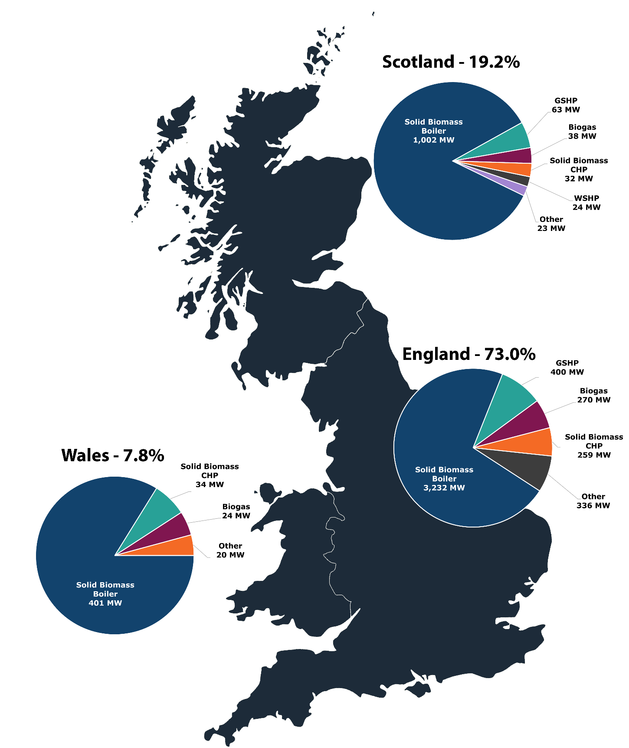

 | England |  | Scotland |  | Wales |  | GB | Total
Technology type | Capacity (MW) | Number of installations | Capacity (MW) | Number of installations | Capacity (MW) | Number of installations | Capacity (MW) | Number of installations
Solid Biomass Boiler | 3,232.3 | 12,107 | 1,002.0 | 3,580 | 401.5 | 1,785 | 4,635.8 | 17,472
GSHP | 400.2 | 2,366 | 63.2 | 292 | 16.1 | 152 | 479.5 | 2,810
Biogas | 269.6 | 574 | 37.9 | 140 | 23.7 | 70 | 331.2 | 784
Solid Biomass CHP | 259.2 | 65 | 32.2 | 10 | 33.6 | 18 | 325.0 | 93
WSHP | 161.3 | 155 | 24.1 | 41 | 1.3 | 10 | 186.6 | 206
Waste | 137.3 | 5 | 15.0 | 1 | 0.0 | 0 | 152.3 | 6
ASHP | 32.6 | 639 | 7.5 | 126 | 2.4 | 59 | 42.4 | 824
Solar Thermal | 5.1 | 254 | 0.8 | 47 | 0.5 | 34 | 6.4 | 335
Biomethane | 0.0 | 139 | 0.0 | 33 | 0.0 | 1 | 0.0 | 173
Total | 4,497.5 | 16,304 | 1,182.8 | 4,270 | 478.8 | 2,129 | 6,159.2 | 22,703
% UK Total | 73.0% | 71.8% | 19.2% | 18.8% | 7.8% | 9.4% | 100.0% | 100.0%

Pie charts on the map are the top technology types by country, in terms of capacity; the relevant categories are highlighted in the table.

Return to information tab

Other | 595.5 |  | 79.7 |  | 20.1

Fig 3.1
Figure 3.1: NDRHI annual heat generated and payments made (ex. biomethane production)

The clustered column chart shows payments and the associated heat generated under the scheme since launch.
Both have grown significantly, from around £10,000 and 0.1 GWh in SY1, to a peak of £633.3 million in payments in SY14 and 11,151 GWh generation in SY13.

 | Heat Generated (GWh) | Heat 1 | Paid 1 | Amount Paid (£m)
SY1 (2011-12) | 0.1 |  |  | £0.0
SY2 (2012-13) | 167.8 |  |  | £7.2
SY3 (2013-14) | 709.7 |  |  | £33.1
SY4 (2014-15) | 1,777.8 |  |  | £92.0
SY5 (2015-16) | 3,612.7 |  |  | £191.3
SY6 (2016-17) | 4,810.2 |  |  | £247.3
SY7 (2017-18) | 5,876.0 |  |  | £297.1
SY8 (2018-19) | 8,227.2 |  |  | £402.3
SY9 (2019-20) | 9,173.9 |  |  | £442.7
SY10 (2020-21) | 11,092.3 |  |  | £520.7
SY11 (2021-22) | 10,514.9 |  |  | £514.9
SY12 (2022-23) | 11,012.1 |  |  | £560.7
SY13 (2023-24) | 11,151.2 |  |  | £581.2
SY14 (2024-25) | 10,963.7 |  |  | £633.3

Scheme Year | Heat generated (GWh) | Cumulative heat generation (GWh) | Payments made (£m) | Cumulative payments (£m)
SY1 (2011-12) | 0.1 | 0.1 | £0.01 | £0.01
SY2 (2012-13) | 167.8 | 167.9 | £7.2 | £7.3
SY3 (2013-14) | 709.7 | 877.7 | £33.1 | £40.4
SY4 (2014-15) | 1,777.8 | 2,655.5 | £92.0 | £132.4
SY5 (2015-16) | 3,612.7 | 6,268.2 | £191.3 | £323.7
SY6 (2016-17) | 4,810.2 | 11,078.4 | £247.3 | £571.0
SY7 (2017-18) | 5,876.0 | 16,954.4 | £297.1 | £868.2
SY8 (2018-19) | 8,227.2 | 25,181.6 | £402.3 | £1,270.5
SY9 (2019-20) | 9,173.9 | 34,355.5 | £442.7 | £1,713.2
SY10 (2020-21) | 11,092.3 | 45,447.8 | £520.7 | £2,233.9
SY11 (2021-22) | 10,514.9 | 55,962.6 | £514.9 | £2,748.8
SY12 (2022-23) | 11,012.1 | 66,974.7 | £560.7 | £3,309.5
SY13 (2023-24) | 11,151.2 | 78,125.9 | £581.2 | £3,890.7
SY14 (2024-25) | 10,963.7 | 89,089.7 | £633.3 | £4,524.0
Total | 89,089.7 |  | £4,524.0

Return to information tab

Fig 3.2
Figure 3.2: NDRHI biomethane - annual volume of gas injected and payments made

The clustered column chart shows both the volume of gas injected and associated payments under the scheme since SY2 when biomethane was first injected under the NDRHI scheme.
Both have grown significantly from around 500,000 m3 injected and £400,000 paid in SY2, to a peak volume of
418.4 million m3 in SY12 and a peak amount paid of £383.4 million in SY14.
 | Volume of gas injected (Millions of m³) | Amount Paid (£m)
SY2 (2012-13) | 0.5 | £0.4
SY3 (2013-14) | 3.3 | £2.6
SY4 (2014-15) | 11.4 | £9.0
SY5 (2015-16) | 78.7 | £64.2
SY6 (2016-17) | 149.3 | £121.4
SY7 (2017-18) | 213.0 | £171.4
SY8 (2018-19) | 236.7 | £191.6
SY9 (2019-20) | 298.4 | £241.0
SY10 (2020-21) | 335.6 | £271.2
SY11 (2021-22) | 360.2 | £283.2
SY12 (2022-23) | 418.4 | £341.3
SY13 (2023-24) | 389.9 | £348.8
SY14 (2024-25) | 401.4 | £383.4

Scheme Year of payment | Volume of gas injected (Millions of m³) | Cumulative volume of gas injected (millions of m3) | Amount Paid (£m) | Cumulative payments (£m)
SY1 (2011-12) | 0.0 | 0.0 | £0.0 | £0.0
SY2 (2012-13) | 0.5 | 0.5 | £0.4 | £0.4
SY3 (2013-14) | 3.3 | 3.8 | £2.6 | £2.9
SY4 (2014-15) | 11.4 | 15.2 | £9.0 | £11.9
SY5 (2015-16) | 78.7 | 93.8 | £64.2 | £76.1
SY6 (2016-17) | 149.3 | 243.1 | £121.4 | £197.5
SY7 (2017-18) | 213.0 | 456.1 | £171.4 | £368.9
SY8 (2018-19) | 236.7 | 692.7 | £191.6 | £560.6
SY9 (2019-20) | 298.4 | 991.2 | £241.0 | £801.5
SY10 (2020-21) | 335.6 | 1,326.7 | £271.2 | £1,072.8
...

Fig 4.3
Figure 4.3: The 5 most common reasons for material non-compliance in SY14

The pie chart shows the 5 most common reasons for material non-compliance during SY14, as identified through our audit programme.
The most common reason is ‘no evidence of annual biomass maintenance checks’, identified in 28% of instances of material non-compliance.
Collectively, the 5 most common reasons shown here were listed against 59% of material non-compliance cases identified through our audit programme.
There were 20 other non-compliance reasons that altogether account for the remaining 41% of instances.

Reason for non-compliance | Number of Instances | % of all material non-compliances
No evidence of annual biomass maintenance checks | 142 | 28%
No evidence of sustainable fuel | 87 | 17%
Meter has not been re-calibrated after 10+ years of accreditation | 29 | 6%
Meter temperature probes not properly installed | 22 | 4%
Eligible heat not declared | 22 | 4%
Other | 210 | 41%
Total* | 512 | 100%

*It should be noted that a materially non-compliant case can have one or more reasons for material non-compliance listed against it.
...

