Fig 2.1
Figure 2.1: Number and capacity of FIT accreditations (Total)

Column chart showing the number of accredited FIT installations and the installed capacity by technology type since scheme launch.
Solar PV installations form the majority of accreditations (98.92%) and installed capacity (79.42%).
 | Accreditations |  | #REF! | Installed capacity (MW)
Photovoltaic | 860,688 |  | 1 | 5,149.79
Wind | 7,546 |  |  | 772.23
Hydro | 1,273 |  |  | 261.78
Anaerobic Digestion | 438 |  |  | 300.57
Micro CHP | 118 |  |  | 0.16

 | Photovoltaic | Wind | Hydro | Anaerobic Digestion | Micro CHP | Grand Total
Accreditations | 860,688 | 7,546 | 1,273 | 438 | 118 | 870,063
Installed capacity (MW) | 5,149.79 | 772.23 | 261.78 | 300.57 | 0.16 | 6,484.52

Return to information tab

Fig 2.4
Figure 2.4: Distribution of FIT installations (and installed capacity) by technology type (Capacity 0-50kW)

Map of the UK showing the distribution of FIT installations with capacity from zero to 50 kilowatts and installed capacity by technology type across each region.
The highest proportion of installations and total capacity was focused around the South West, South East and East of England, with the lowest around Wales, the North East and London.
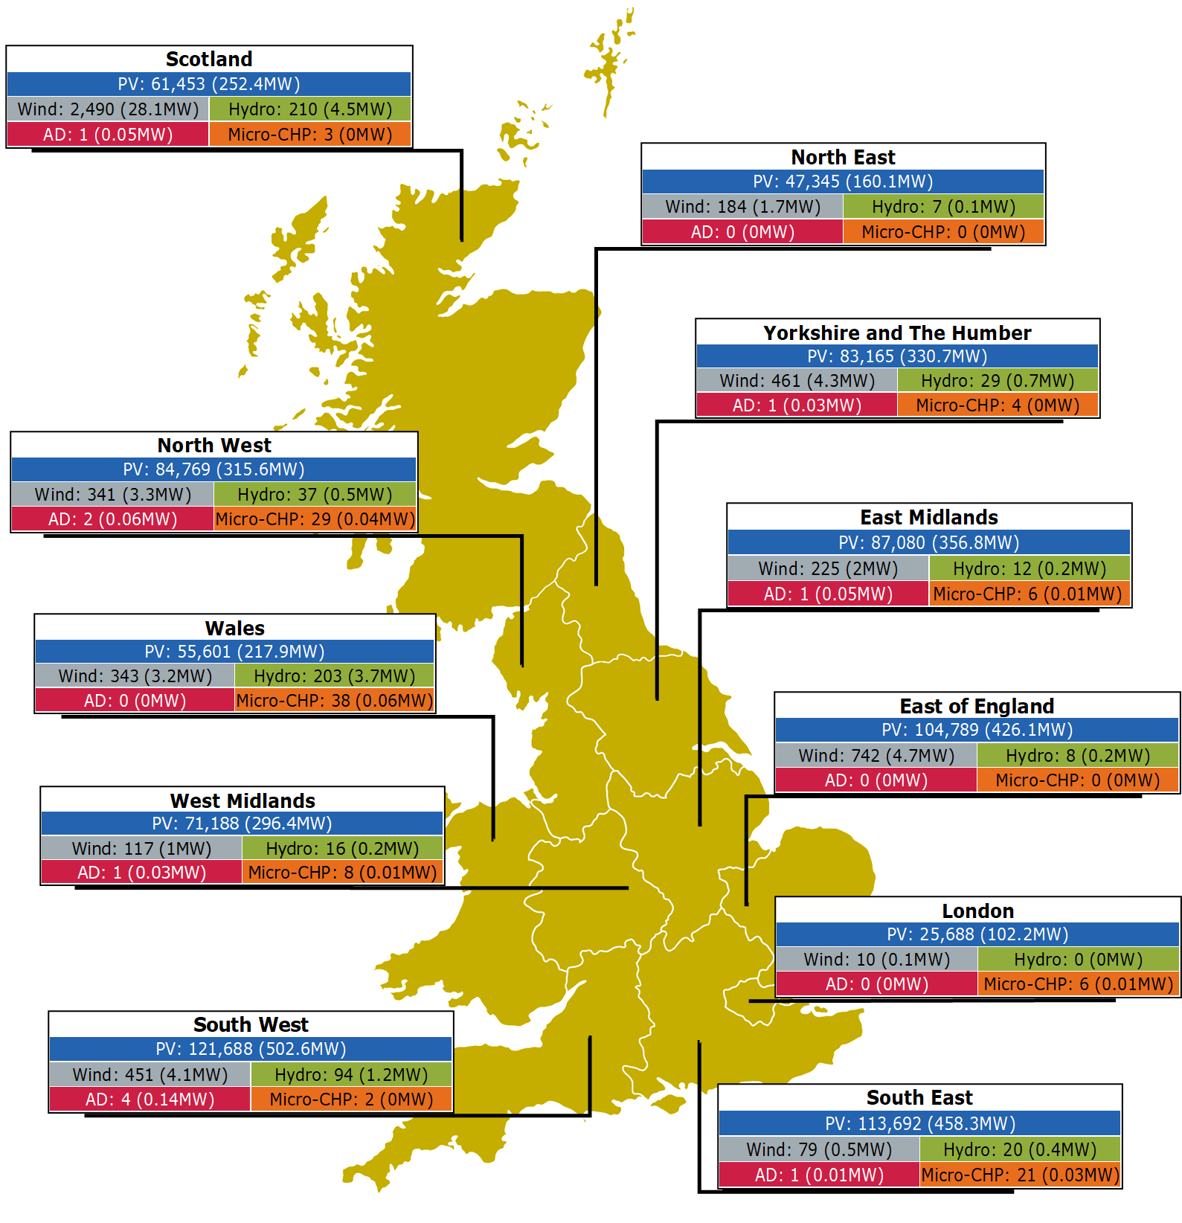

Region | Photovoltaic Accreditations | Photovoltaic Capacity (MW) | Wind Accreditations | Wind Capacity (MW) | Hydro Accreditations | Hydro Capacity (MW) | Micro-CHP Accreditations | Micro-CHP Capacity (MW) | Anaerobic Digestion Accreditations | Anaerobic Digestion Capacity (MW) | Regional Total Accreditations | Regional Total Capacity (MW)
South West | 121,688 | 502.58 | 451 | 4.07 | 94 | 1.18 | 2 | 0.0018 | 4 | 0.14 | 122,239 | 507.96
South East | 113,692 | 458.35 | 79 | 0.52 | 20 | 0.38 | 21 | 0.0263 | 1 | 0.01 | 113,813 | 459.28
East of England | 104,789 | 426.09 | 742 | 4.73 | 8 | 0.16 | 0 | 0.0000 | 0 | 0.00 | 105,539 | 430.98
East Midlands | 87,080 | 356.82 | 225 | 2.08 | 12 | 0.22 | 6 | 0.0053 | 1 | 0.05 | 87,324 | 359.17
North West | 84,769 | 315.64 | 341 | 3.35 | 37 | 0.50 | 29 | 0.0354 | 2 | 0.06 | 85,178 | 319.59
Yorkshire and The Humber | 83,165 | 330.65 | 461 | 4.33 | 29 | 0.66 | 4 | 0.0037 | 1 | 0.03 | 83,660 | 335.68
West Midlands | 71,188 | 296.40 | 117 | 0.99 | 16 | 0.19 | 8 | 0.0117 | 1 | 0.03 | 71,330 | 297.61
Scotland | 61,453 | 252.41 | 2,490 | 28.11 | 210 | 4.46 | 3 | 0.0035 | 1 | 0.05 | 64,157 | 285.03
Wales | 55,601 | 217.95 | 343 | 3.23 | 203 | 3.75 | 38 | 0.0638 | 0 | 0.00 | 56,185 | 224.99
North East | 47,345 | 160.08 | 184 | 1.67 | 7 | 0.10 | 0 | 0.0000 | 0 | 0.00 | 47,536 | 161.85
London | 25,688 | 102.21 | 10 | 0.07 | 0 | 0.00 | 6 | 0.0073 | 0 | 0.00 | 25,704 | 102.28
Unknown | 472 | 5.37 | 16 | 0.08 | 12 | 0.33 | 1 | 0.0020 | 0 | 0.00 | 501 | 5.78
Total | 856,930 | 3,424.54 | 5,459 | 53.23 | 648 | 11.91 | 118 | 0.16 | 11 | 0.37 | 863,166 | 3,490.21

Return to information tab

Fig 2.5
Figure 2.5: Distribution of FIT installations (and installed capacity) by technology type (Capacity >50kW)

Map of the UK showing the distribution of FIT installations with capacity greater than 50 kilowatts and installed capacity by technology type across each region.
The highest proportion of installations and total capacity was focused in Scotland and the South West, with the lowest around the North East and London.

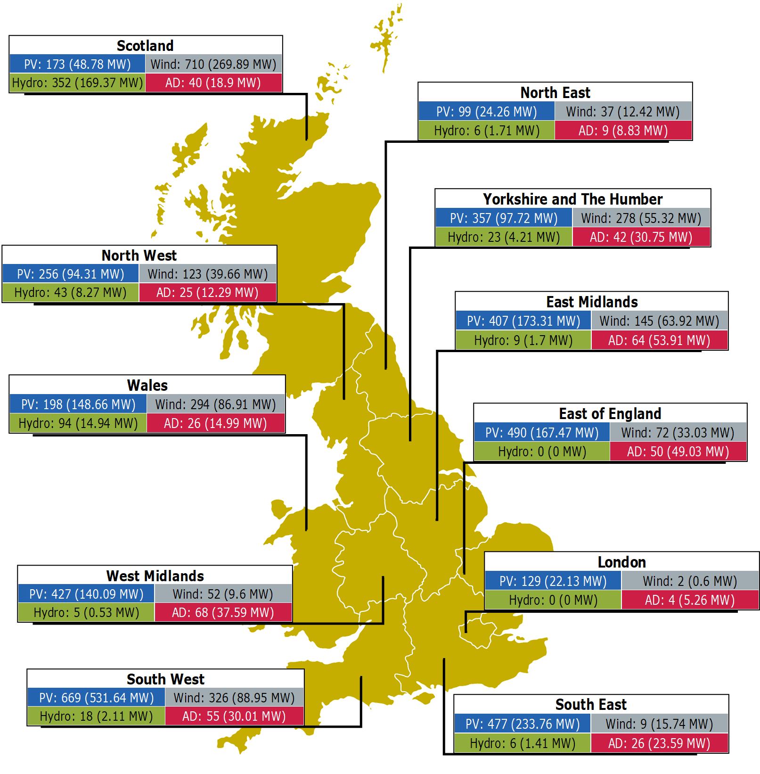

Region | Photovoltaic Accreditations | Photovoltaic Capacity (MW) | Wind Accreditations | Wind Capacity (MW) | Hydro Accreditations | Hydro Capacity (MW) | Anaerobic Digestion Accreditations | Anaerobic Digestion Capacity (MW) | Regional Total Accreditations | Regional Total Capacity (MW)
Scotland | 173 | 48.78 | 710 | 269.89 | 352 | 169.37 | 40 | 18.90 | 1275 | 506.94
South West | 669 | 531.64 | 326 | 88.95 | 18 | 2.11 | 55 | 30.01 | 1068 | 652.71
Yorkshire and The Humber | 357 | 97.72 | 278 | 55.32 | 23 | 4.21 | 42 | 30.75 | 700 | 188.00
East Midlands | 407 | 173.31 | 145 | 63.92 | 9 | 1.70 | 64 | 53.91 | 625 | 292.84
East of England | 490 | 167.47 | 72 | 33.03 | 0 | 0.00 | 50 | 49.03 | 612 | 249.52
Wales | 198 | 148.66 | 294 | 86.91 | 94 | 14.94 | 26 | 14.99 | 612 | 265.51
West Midlands | 427 | 140.09 | 52 | 9.60 | 5 | 0.53 | 68 | 37.59 | 552 | 187.82
South East | 477 | 233.76 | 9 | 15.74 | 6 | 1.41 | 26 | 23.59 | 518 | 274.50
North West | 256 | 94.31 | 123 | 39.66 | 43 | 8.27 | 25 | 12.29 | 447 | 154.54
Unknown | 76 | 43.11 | 39 | 42.94 | 69 | 45.60 | 18 | 15.04 | 202 | 146.69
North East | 99 | 24.26 | 37 | 12.44 | 6 | 1.71 | 9 | 8.83 | 151 | 47.24
London | 129 | 22.13 | 2 | 0.60 | 0 | 0.00 | 4 | 5.26 | 135 | 27.99
Total | 3,758 | 1,725.25 | 2,087 | 719.00 | 625 | 249.86 | 427 | 300.20 | 6,897 | 2,994.31

Return to information tab

Fig 2.6
Figure 2.6: Number and capacity of FIT accreditations by installation setting

Column chart showing the number of accreditations and capacity by installation setting.
Domestic and Non Domestic (Commercial) form the majority of accreditations, however the average accredited capacity for Domestic is only 3.6 kW,
compared the to 200.2 kW for Non Domestic (Industrial), 91.7 kW for Community and 80.3 kW for Non Domestic (Commercial) installation settings.

 | Accreditations | Filler | Filler | Capacity (MW)
Domestic | 829,881 |  |  | 2,955
Non Domestic (Commercial) | 34,267 |  |  | 2,753
Non Domestic (Industrial) | 2,153 |  |  | 431
Community | 3,762 |  |  | 345

Accreditation Type | Accreditations | Capacity (MW) | Capacity (kW) | Average Capacity (kW) by installation setting
Domestic | 829,881 | 2,955 | 2,955,085 | 3.6
Non Domestic (Commercial) | 34,267 | 2,753 | 2,753,308 | 80.3
Non Domestic (Industrial) | 2,153 | 431 | 431,131 | 200.2
Community | 3,762 | 345 | 344,996 | 91.7
Total | 870,063 | 6,485 | 6,484,520 | 7.45

Return to information tab

Fig 2.7
Figure 2.7: New Installations accredited, SY9-13

Combined column and line chart showing the annual and cumulative total new installations accredited from SY9 to SY13.
After rapid growth in previous years, total active accreditations have levelled off since SY10.
They fell slightly in SY12 for the first time, in part due to some micro-CHP installations reaching the end of support.
The total increased again slightly in SY13 as less installations became ineligible than the number of new registrations added during the year.

 | SY9 | SY10 | SY11 | SY12 | SY13
New accreditations | 28,990 | 19,057 | 2,201 | 582 | 245
Total | 848,718 | 867,775 | 869,976 | 869,956 | 870,063

Return to information tab

Fig 3.1
Figure 3.1: Electricity generated, exported and associated payments made, SY9-13

Combined column and line chart showing the changes in electricity and payment figures on the scheme from SY9 to SY13.
Generation has gradually risen till SY11, before falling in SY12 then increasing again in SY13.
However, generation in SY13 did not reach the pre-SY12 level. Export has fluctuated from SY9 to SY13, falling since SY11.
The payments made per TWh of generation were £3.3 million lower in SY13 (£192.75 million) than in SY11 (£196.08 million).
 | Generated (TWh) | Exported (TWh) | Total generation payments (£m) | Total export payments (£m)
SY9 | 8.45 | 2.40 | £1,408.98 | £103.24
SY10 | 9.13 | 1.77 | £1,501.08 | £86.63
SY11 | 9.14 | 3.96 | £1,547.00 | £199.27
SY12 | 7.94 | 2.06 | £1,451.89 | £104.98
SY13 | 8.90 | 1.28 | £1,634.27 | £80.73

Generation and Export - Amounts and Payments
Scheme Year | Generated (kWh) | Exported (kWh) | Generated (TWh) | Exported (TWh) | Proportion Exported | Total generation payments (£m) | Total export payments (£m) | Total Payments (£m) | £m/TWh of generation
SY1 | 68,559,000 | 14,942,000 | 0.07 | 0.01 | 21.79% | £12.49 | £0.45 | £12.94 | £188.67
SY2 | 498,179,000 | 104,361,000 | 0.50 | 0.10 | 20.95% | £135.94 | £3.53 | £139.47 | £279.95
SY3 | 1,674,524,000 | 727,120,000 | 1.67 | 0.73 | 43.42% | £504.27 | £14.62 | £518.89 | £309.87
SY4 | 2,644,842,365 | 652,000,000 | 2.64 | 0.65 | 24.65% | £685.97 | £22.82 | £708.79 | £267.99
SY5 | 3,815,000,000 | 825,000,000 | 3.82 | 0.83 | 21.63% | £865.55 | £12.36 | £877.91 | £230.12
SY6 | 5,594,000,000 | 1,118,367,000 | 5.59 | 1.12 | 19.99% | £1,089.04 | £44.81 | £1,133.86 | £202.69
SY7 | 7,500,000,000 | 2,110,926,000 | 7.50 | 2.11 | 28.13% | £1,266.68 | £92.20 | £1,358.88 | £181.18
SY8 | 8,360,000,000 | 2,483,061,662 | 8.36 | 2.48 | 29.67% | £1,362.37 | £112.11 | £1,474.48 | £176.37
SY9 | 8,454,000,000 | 2,399,674,703 | 8.45 | 2.40 | 28.39% | £1,408.98 | £103.24 | £1,512.22 | £178.88
SY10 | 9,133,987,368 | 1,767,064,926 | 9.13 | 1.77 | 19.35% | £1,501.08 | £86.63 | £1,587.72 | £173.83
SY11 | 9,138,985,000 | 3,960,283,000 | 9.14 | 3.96 | 43.33% | £1,547.00 | £199.27 | £1,746.27 | £191.08
SY12 | 7,940,000,000 | 2,063,351,787 | 7.94 | 2.06 | 25.94% | £1,451.89 | £104.98 | £1,556.88 | £196.08
SY13 | 8,897,434,317 | 1,279,251,227 | 8.90 | 1.28 | 14.38% | £1,634.27 | £80.73 | £1,715.00 | £192.75

Metered vs Deemed Export
Scheme Year | Total Electricity Exported (MWh) | Deemed Electricity (MWh) | % Deemed | % Metered
SY7 | 2,110,926 | 1,134,959 | 53.77% | 46.23%
SY8 | 2,483,062 | 1,123,481 | 45.25% | 54.75%
SY9 | 2,399,675 | 1,203,069 | 50.13% | 49.87%
SY10 | 1,767,065 | 1,219,094 | 68.99% | 31.01%
SY11 | 3,960,283 | 1,235,789 | 31.20% | 68.80%
SY12 | 2,063,352 | 1,212,509 | 58.76% | 41.24%
SY13 | 1,279,251 | 1,241,647 | 97.06% | 2.94%

Return to information tab

Fig 3.5
Figure 3.5: Levelisation Fund vs The Control Forecast, SY9-13

Combined column and line chart showing the annual levelisation fund against the Control forecast from SY9 to SY13.
SY13 saw a significant gap between the annual levelisation fund and the Control forecast, with the levelisation fund falling below the Control forecast for the second time since SY9.
In SY13, the levelisation fund was 12.9% lower than the forecast, whereas in SY12, this was almost 18%.

Year | Annual levelisation fund (£m) | LCL Forecast (£m) | Varience from forecast
SY9 | £1,414.74 | £1,460.90 | -3.16%
SY10 | £1,539.68 | £1,500.34 | 2.62%
SY11 | £1,603.01 | £1,533.35 | 4.54%
SY12 | £1,273.11 | £1,551.75 | -17.96%
SY13 | £1,452.95 | £1,668.13 | -12.90%

Return to information tab

Fig 3.6
Figure 3.6: FIT scheme value, SY1-13

Column chart showing the total value of the FIT scheme since launch.
The value rose rapidly between SY1 and SY7 before continuing to grow at a reduced rate, reaching a peak of £1,764 million in SY11.
The scheme value fell in SY12 for the first time but increased again in SY13.

FIT Year | FIT generation payments (£m) | FIT deemed export payments (£m) | FIT metered export payments (£m) | Qualifying FIT Costs (£m) | Total (£m)
SY1 | £12.5 | £0.4 | £0.1 | £2.0 | £15.0
SY2 | £135.9 | £3.1 | £0.4 | £15.8 | £155.3
SY3 | £504.3 | £13.8 | £0.8 | £6.1 | £525.0
SY4 | £686.0 | £21.3 | £1.5 | £9.3 | £718.1
SY5 | £850.8 | £29.8 | £2.2 | £12.4 | £895.2
SY6 | £1,089.0 | £40.1 | £4.7 | £16.8 | £1,150.7
SY7 | £1,267.0 | £49.0 | £43.2 | £16.0 | £1,375.2
SY8 | £1,362.4 | £49.6 | £62.5 | £16.6 | £1,491.1
SY9 | £1,409.0 | £55.5 | £47.7 | £17.2 | £1,529.5
SY10 | £1,501.1 | £58.0 | £28.6 | £18.0 | £1,605.7
SY11 | £1,547.0 | £60.3 | £139.0 | £17.5 | £1,763.8
SY12 | £1,451.9 | £59.7 | £45.2 | £17.9 | £1,574.8
SY13 | £1,634.3 | £65.2 | £15.6 | £17.5 | £1,732.5

Return to information tab

Fig 3.7
Figure 3.7 (a-d): Total value of the FIT scheme - breakdown

These four column charts detail the four elements that combined make up the value of the FIT scheme.
Generation and deemed export payments mirror the profile of total value of the FIT scheme, having grown every year since scheme launch,
falling for the first time in SY12, then increasing again in SY13.
Metered export payments saw a significant rise in SY7, growing from £4.7 million in SY6 to £43.2 million.
They have fluctuated from this point forwards reaching a peak of £139 million in SY11, before falling to £16 million in SY13.
Qualifying FIT Costs have remained in the range of £16 and £18 million between SY6 and SY13.

FIT Year | FIT generation payments (£m) | FIT deemed export payments (£m) | FIT metered export payments (£m) | Qualifying FIT Costs (£m) | Total (£m)
SY1 | £12.5 | £0.4 | £0.1 | £2.0 | £15.0
SY2 | £135.9 | £3.1 | £0.4 | £15.8 | £155.3
SY3 | £504.3 | £13.8 | £0.8 | £6.1 | £525.0
SY4 | £686.0 | £21.3 | £1.5 | £9.3 | £718.1
SY5 | £850.8 | £29.8 | £2.2 | £12.4 | £895.2
SY6 | £1,089.0 | £40.1 | £4.7 | £16.8 | £1,150.7
SY7 | £1,267.0 | £49.0 | £43.2 | £16.0 | £1,375.2
SY8 | £1,362.4 | £49.6 | £62.5 | £16.6 | £1,491.1
SY9 | £1,409.0 | £55.5 | £47.7 | £17.2 | £1,529.5
SY10 | £1,501.1 | £58.0 | £28.6 | £18.0 | £1,605.7
SY11 | £1,547.0 | £60.3 | £139.0 | £17.5 | £1,763.8
SY12 | £1,451.9 | £59.7 | £45.2 | £17.9 | £1,574.8
SY13 | £1,634.3 | £65.2 | £15.6 | £17.5 | £1,732.5

Return to information tab

Fig 3.8
Figure 3.8: Administrative costs, SY8-13

Combined column and line graph showing our administrative costs for the FIT and the equivalent proportion of the levelisation fund from SY8 to SY13.
Our costs steadily fell from the equivalent of 0.28% of the levelisation fund in SY8 to 0.16% in SY10.
Smaller variations have occurred since SY10, with a small rise in SY13 to 0.2%.

 | SY1 | SY2 | SY3 | SY4 | SY5 | SY6 | SY7 | SY8 | SY9 | SY10 | SY11 | SY12 | SY13
Admin costs | £1,732,977 | £1,997,474 | £3,292,381 | £2,720,290 | £2,952,000 | £2,987,085 | £3,963,461 | £3,837,555 | £3,213,286 | £2,484,994 | £2,867,547 | £2,205,463 | £2,950,203
% of Levelisation fund | 12.01% | 1.32% | 0.64% | 0.39% | 0.34% | 0.27% | 0.31% | 0.28% | 0.23% | 0.16% | 0.18% | 0.17% | 0.20%

Return to information tab

Fig 4.4
Figure 4.4: Biennial meter verification - Licensee performance, SY9-13

Line graph showing Licensee BMV performance from SY9 to SY13. The percentage of suppliers verifying at least 90% of meters within two years
has been falling since SY9 (from 48.8% to 28.0% in SY12) but increased significantly in SY13, to 61.5%.
The percentage verifying at least 80% of meters has also been falling but since SY10 (from 78.8% to 56.0% in SY12) but increased to 80.8% in SY13.
The percentage verifying at least 70% of meters has varied since SY10, reaching 84.6% in SY13.

 | SY9 | SY10 | SY11 | SY12 | SY13
0-39% | 4 | 1 | 1 | 0 | 2
40-49% | 1 | 1 | 0 | 0 | 0
50-59% | 2 | 1 | 0 | 1 | 2
60-69% | 1 | 1 | 3 | 4 | 0
70-79% | 3 | 3 | 6 | 6 | 1
80-89% | 10 | 11 | 8 | 7 | 5
90-100% | 20 | 15 | 9 | 7 | 16
% licensees >=90% meters verified | 48.8% | 45.5% | 33.3% | 28.0% | 61.5%
% licensees >=80% meters verified | 73.2% | 78.8% | 63.0% | 56.0% | 80.8%
% licensees >=70% meters verified | 80.5% | 87.9% | 85.2% | 80.0% | 84.6%

Return to information tab

Fig 4.5
Figure 4.5: FIT Licensee audit scores, SY9-13

Stacked column chart showing the percentage of audits being awarded each rating from SY9 to SY13.
The proportion of ‘Good’ ratings has risen steadily since SY9 reaching 71.4% in SY12 but dropping to 14.3% in SY13.
The proportion of ‘Unsatisfactory’ ratings have gradually decreased from SY10 onward with no ‘Unsatisfactory’ rating given in SY13.
‘Satisfactory’ and ‘Weak’ ratings have fluctuated throughout, with 57.1% given ‘Satisfactory’ and 28.6% given ‘Weak’ rating in SY13.
The small sample size makes significant variations between results for each scheme year more likely.

FIT Licensee audit scores, SY9-13 (% of audits)

 | Good | Satisfactory | Weak | Unsatisfactory | No Rating
SY9 | 40.0% | 30.0% | 10.0% | 20.0% | 0.0%
SY10 | 57.1% | 0.0% | 14.3% | 28.6% | 0.0%
SY11 | 66.7% | 0.0% | 0.0% | 16.7% | 16.7%
SY12 | 71.4% | 14.3% | 0.0% | 14.3% | 0.0%
SY13 | 14.3% | 57.1% | 28.6% | 0.0% | 0.0%

FIT Licensee audit scores, SY9-13 (number of audits)

 | Good | Satisfactory | Weak | Unsatisfactory | No Rating | Total
SY9 | 4 | 3 | 1 | 2 | 0 | 10
SY10 | 4 | 0 | 1 | 2 | 0 | 7
SY11 | 8 | 0 | 0 | 2 | 2 | 12
SY12 | 5 | 1 | 0 | 1 | 0 | 7
SY13 | 1 | 4 | 2 | 0 | 0 | 7

Return to information tab

Fig 5.1
Figure 5.1: FIT Generator audit scores, SY9-13

Stacked column chart showing FIT Generator audit scores from SY9 to SY13.
Since SY10 ‘Weak’ ratings have formed the largest proportion of audit scores, reaching 57.1% in SY12, before dropping to 52.0% in SY13.
Moreover, SY13 saw the proportion of ‘Unsatisfactory’ ratings drop to 26.0% from 34.3% in SY12.
In SY13, 22.0% of audits have been classed as ‘Satisfactory’, an increase from 8.6% in SY12.
While ‘Good’ ratings have been consistely around 1% of audits in the previous years, in SY12 and SY13 no audits were rated ‘Good’.
 | Good | Satisfactory | Weak | Unsatisfactory | #REF!
SY9 | 0.7% | 19.9% | 23.5% | 55.9% | 1
SY10 | 1.1% | 31.6% | 40.0% | 27.4%
SY11 | 1.1% | 33.3% | 35.6% | 29.9%
SY12 | 0.0% | 8.6% | 57.1% | 34.3%
SY13 | 0.0% | 22.0% | 52.0% | 26.0%

Generator audit scores, SY9-13 (% of audits)

 | Good | Satisfactory | Weak | Unsatisfactory
SY9 | 0.7% | 19.9% | 23.5% | 55.9%
SY10 | 1.1% | 31.6% | 40.0% | 27.4%
SY11 | 1.1% | 33.3% | 35.6% | 29.9%
SY12 | 0.0% | 8.6% | 57.1% | 34.3%
SY13 | 0.0% | 22.0% | 52.0% | 26.0%

Generator audit scores, SY9-13 (number of audits)

 | Good | Satisfactory | Weak | Unsatisfactory | Total
SY9 | 1 | 27 | 32 | 76 | 136
SY10 | 1 | 30 | 38 | 26 | 95
SY11 | 1 | 29 | 31 | 26 | 87
SY12 | 0 | 6 | 40 | 24 | 70
SY13 | 0 | 11 | 26 | 13 | 50

Return to information tab

Fig 5.2
Figure 5.2: Prevented/detected error and suspected fraud, SY10-13

Combined column chart showing the proportion of prevented and detected error against administration costs.
The value of prevented and detected error has consistently been higher than our administration costs.
This gap peaked in SY11 where our administration costs were £2.87 million but through our work we identified £11.53 million in prevented and detected error.
For SY13, our administration costs were £2.95 million, and as such, our work resulted in error equivalent to over 74% of our total admin costs being protected.

 | SY10 | SY11 | SY12 | SY13
Prevented and Detected Error | £5,865,555 | £11,533,685 | £8,782,975 | £2,191,468
Administration Costs | £2,484,994 | £2,867,547 | £2,205,463 | £2,950,203
% of admin costs | 236% | 402.2% | 398.2% | 74.3%

Return to information tab

Fig 6.2
Figure 6.2: Monthly CFR change request approvals and rejections vs total installations

Combined stacked column and line chart showing monthly CFR taskbar approvals and rejections alongside the cumulative total of installations on the FIT from April 2020 to March 2023.
The chart includes all installations on the CFR as the cumulative total.
Approval/rejection volumes have generally remained below 250 per month since October 2020.
The average rejection rate also fell from 27.75% in April 2021 to March 2022, to 26.72% April 2022 to March 2023.
On average, between April 2020 and March 2023 change requests were raised against 0.02% of the total installations.

Month | Total FIT installations (cumulative) | Approvals | Rejections
Apr-20 | 869,848 | 300 | 28
May-20 | 870,106 | 80 | 39
Jun-20 | 870,262 | 127 | 110
Jul-20 | 870,338 | 102 | 79
Aug-20 | 870,415 | 95 | 56
Sep-20 | 870,772 | 113 | 37
Oct-20 | 871,056 | 134 | 140
Nov-20 | 871,203 | 119 | 37
Dec-20 | 871,306 | 104 | 72
Jan-21 | 871,447 | 78 | 51
Feb-21 | 871,647 | 88 | 54
Mar-21 | 871,756 | 90 | 45
Apr-21 | 871,799 | 95 | 67
May-21 | 871,861 | 136 | 48
Jun-21 | 871,919 | 146 | 64
Jul-21 | 871,964 | 138 | 56
Aug-21 | 871,997 | 156 | 48
Sep-21 | 872,040 | 141 | 62
Oct-21 | 872,150 | 151 | 45
Nov-21 | 872,198 | 138 | 32
Dec-21 | 872,234 | 204 | 53
Jan-22 | 872,279 | 195 | 52
Feb-22 | 872,322 | 128 | 87
Mar-22 | 872,339 | 88 | 45
Apr-22 | 872,361 | 74 | 32
May-22 | 872,372 | 87 | 23
Jun-22 | 872,392 | 88 | 33
Jul-22 | 872,423 | 126 | 34
Aug-22 | 872,455 | 75 | 16
Sep-22 | 872,474 | 141 | 41
Oct-22 | 872,496 | 112 | 21
Nov-22 | 872,533 | 158 | 34
Dec-22 | 872,543 | 91 | 20
Jan-23 | 872,563 | 79 | 18
Feb-23 | 872,571 | 82 | 141
Mar-23 | 872,584 | 63 | 16

Return to information tab

