Fig1.1 Apps. received
Chapter 1: Applications & Accreditations

Figure 1.1: Domestic RHI applications received during 2020-21 and 2021-22.
Bar graph data showing difference in application numbers for 2020-21 and 2021-22.
Application numbers were consistently higher over 2021-22 increasing significantly at the end of the period with over 13 thousand submitted in March 2022, an increase of more than 580% compared to March 2021.

Month | 2020-21 | 2021-22
Apr | 930 | 1,523
May | 755 | 1,484
Jun | 776 | 1,710
Jul | 1,060 | 1,694
Aug | 1,015 | 1,759
Sep | 1,011 | 1,888
Oct | 1,766 | 2,257
Nov | 1,644 | 2,344
Dec | 1,343 | 2,064
Jan | 1,489 | 2,887
Feb | 1,638 | 4,041
Mar | 1,917 | 13,183
Total | 15,344 | 36,834

Return to information

Fig1.2 Accreditations
Chapter 1: Applications & Accreditations

Figure 1.2: Annual Domestic RHI accreditations - scheme launch to 2021-22
Bar graph data showing accreditation numbers from 2014-15 to 2021-22.
Accreditation numbers in 2014-15 and 2021-22 were significantly higher than all other years forming 47% of all scheme accreditations.

Scheme Year | Accreditations
2014-15 | 26,839
2015-16 | 15,633
2016-17 | 7,006
2017-18 | 6,920
2018-19 | 6,826
2019-20 | 11,635
2020-21 | 10,917
2021-22 | 24,489
Total | 110,265

Return to information

Fig1.3 Accreds. by Tech Type
Chapter 1: Applications & Accreditations

Figure 1.3: Accreditations by technology type since scheme launch (%)
Pie chart data showing the percentage of accreditations by technology type since scheme launch.
Air Source Heat Pump (67.5%), Ground Source Heat Pump (12.9%), Biomass (11.3%), Solar Thermal (8.2%).

 | ASHP | Biomass | GSHP | Solar Thermal
Accreditations | 74,446 | 12,460 | 14,272 | 9,087
% of total | 67.5% | 11.3% | 12.9% | 8.2%

ASHP = Air source heat pump
GSHP = Ground source heat pump

Return to information

Fig1.4 Cumulative by Tech
Chapter 1: Applications & Accreditations

Figure 1.4(a-d): Cumulative accreditations by technology type since scheme launch
Line graphs showing cumulative accreditations by technology type from 2014-15 to 2021-22.
ASHP totalled 74,446 in 2021-22, GSHP (14,272), Biomass (12,460) and Solar Thermal (9,087). Biomass and solar thermal show a much flatter profile than ASHP and GSHP accreditations reflecting a much slower growth rate for these technology types.
a) ASHP
b) Biomass
c) GSHP
d) Solar Thermal

Scheme Year | ASHP | Biomass | GSHP | Solar Thermal
2014-15 | 11,132 | 6,883 | 3,887 | 4,937
2015-16 | 19,174 | 10,158 | 6,523 | 6,617
2016-17 | 23,692 | 10,849 | 7,684 | 7,253
2017-18 | 28,695 | 11,220 | 8,647 | 7,836
2018-19 | 33,979 | 11,505 | 9,525 | 8,215
2019-20 | 43,963 | 11,793 | 10,616 | 8,487
2020-21 | 53,329 | 12,017 | 11,719 | 8,711
2021-22 | 74,446 | 12,460 | 14,272 | 9,087

ASHP = Air source heat pump
GSHP = Ground source heat pump

Return to information

Fig1.5&Tab1.1 Accred. by Tech.
Chapter 1: Applications & Accreditations

Figure 1.5(a-d): Annual accreditations by technology type
These charts show the number of accreditations for each technology type per year from 2014-15 to 2020-21. ASHP and GSHP follow a comparable trajectory characterised by an initial fall in application volumes, followed by a gradual increase, before a dramatic rie in the 2021-22.
Similarly biomass and solar thermal follow a similar trajectory to one another with a dramatic initial fall in application volumes followed by relatively flat levels of deployment before a modest increase in 2021-22.
a) ASHP
b) Biomass
c) GSHP
d) Solar Thermal

Scheme Year | ASHP | Biomass | GSHP | Solar Thermal | Total
2014-15 | 11,132 | 6,883 | 3,887 | 4,937 | 26,839
2015-16 | 8,042 | 3,275 | 2,636 | 1,680 | 15,633
2016-17 | 4,518 | 691 | 1,161 | 636 | 7,006
2017-18 | 5,003 | 371 | 963 | 583 | 6,920
2018-19 | 5,284 | 285 | 878 | 379 | 6,826
2019-20 | 9,984 | 288 | 1,091 | 272 | 11,635
2020-21 | 9,366 | 224 | 1,103 | 224 | 10,917
2021-22 | 21,117 | 443 | 2,553 | 376 | 24,489
Total | 74,446 | 12,460 | 14,272 | 9,087 | 110,265

ASHP = Air source heat pump
GSHP = Ground source heat pump

Return to information

Fig1.6 Geog. Distribution
Chapter 1: Applications & Accreditations

Figure 1.6: Geographic distribution of accreditations since scheme launch
Map of the UK showing number of accreditations by technology type in each region. The South West has the highest number of accredited installations totalling 16,643.
In contrast, West Central Scotland has the lowest number of accredited installations at 798.

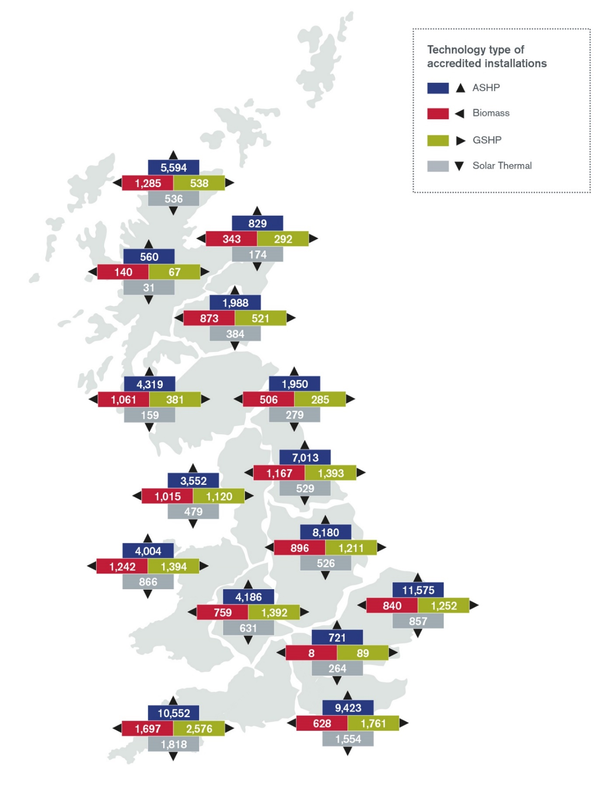

 | Location | ASHP | Biomass | GSHP | Solar Thermal | Grand Total
 | South West | 10,552 | 1,697 | 2,576 | 1,818 | 16,643
 | East of England | 11,575 | 840 | 1,252 | 857 | 14,524
 | South East | 9,423 | 628 | 1,761 | 1,554 | 13,366
 | East Midlands | 8,180 | 896 | 1,211 | 526 | 10,813
 | Yorkshire and The Humber | 7,013 | 1,167 | 1,393 | 529 | 10,102
 | Highlands and Islands | 5,594 | 1,285 | 538 | 536 | 7,953
 | Wales | 4,004 | 1,242 | 1,394 | 866 | 7,506
 | West Midlands | 4,186 | 759 | 1,392 | 631 | 6,968
 | North West | 3,552 | 1,015 | 1,120 | 479 | 6,166
 | Southern Scotland | 4,319 | 1,061 | 381 | 159 | 5,920
 | East Scotland | 1,988 | 873 | 521 | 384 | 3,766
 | North East | 1,950 | 506 | 285 | 279 | 3,020
 | North East Scotland | 829 | 343 | 292 | 174 | 1,638
 | London | 721 | 8 | 89 | 264 | 1,082
 | West Central Scotland | 560 | 140 | 67 | 31 | 798
 | Grand Total | 74,446 | 12,460 | 14,272 | 9,087 | 110,265

 | ASHP = Air source heat pump
 | GSHP = Ground source heat pump

 | Return to information

Fig1.7 Total by Tech &Country
Chapter 1: Applications & Accreditations

Figure 1.7: Accreditations by country and technology type since scheme launch (%)
Pie chart data showing the percentage proportion of technology types by country for England, Scotland and Wales.

England
Scotland
Wales

Location | ASHP | Biomass | GSHP | Solar Thermal | Total
England | 57,152 | 7,516 | 11,079 | 6,937 | 82,684
Wales | 4,004 | 1,242 | 1,394 | 866 | 7,608
Scotland | 13,290 | 3,702 | 1,799 | 1,284 | 20,076

ASHP = Air source heat pump
GSHP = Ground source heat pump

Return to information

Fig1.8 & Fig1.9 Tech & Fuel Typ
Chapter 1: Applications & Accreditations

Figure 1.8: Heating technology replaced
Chart showing a breakdown of heating technologies replaced under the scheme.
Boiler (52.8%), First heating system (18.8%), Storage heater (18.3%), Unknown (4.3%), Room heater (2.8%), Heat Pumps (2.2%), Warm Air (0.4%), Electric ceiling heating (0.2%), Community (shared heating) (0.1%).

Technology | Number replaced | % of accreditations
Boiler | 58,215 | 52.8%
First heating system | 20,703 | 18.8%
Storage heater | 20,190 | 18.3%
Unknown | 4,757 | 4.3%
Room heater | 3,075 | 2.8%
Heat Pumps | 2,464 | 2.2%
Warm Air | 463 | 0.4%
Electric ceiling heating | 243 | 0.2%
Community (shared heating) | 155 | 0.1%
Total | 110,265

Figure 1.9: Replaced boiler fuel types
Pie chart showing the boiler fuel types replaced under the scheme. Oil (52.4%), Gas (28.1%), LPG (7.6%), Coal (7.5%), Electricity (3.1%), Biomass (1%), Unknown (0.3%).

Replaced boiler fuel type | Number replaced | % of total systems
Oil | 30,509 | 27.7%
Gas | 16,369 | 14.8%
LPG | 4,434 | 4.0%
Coal | 4,390 | 4.0%
Electricity | 1,782 | 1.6%
Biomass | 567 | 0.5%
Unknown | 164 | 0.1%

Return to information

Fig1.10 Annual RSL & non-RSL
Chapter 1: Applications & Accreditations

Figure 1.10: Annual RSL and non-RSL accreditations since scheme launch
Bar graph showing RSL and non-RSL accreditations per year from 2014-15 to 2021-22.
On average RSL accreditations formed 28.7% of scheme accreditations each year, with accreditation numbers being highest in 2014-15 (4,831), 2015-16 (5,323) and 2021-22 (4,204).

Scheme Year | RSL | Non-RSL | Grand Total
2014-15 | 4,831 | 22,008 | 26,839
2015-16 | 5,323 | 10,310 | 15,633
2016-17 | 1,595 | 5,411 | 7,006
2017-18 | 1,343 | 5,577 | 6,920
2018-19 | 1,424 | 5,402 | 6,826
2019-20 | 2,844 | 8,791 | 11,635
2020-21 | 2,027 | 8,890 | 10,917
2021-22 | 4,204 | 20,285 | 24,489
Grand Total | 23,591 | 86,674 | 110,265

Return to information

Fig1.11 RSL Acc by tech 21-22
Chapter 1: Applications & Accreditations

Figure 1.11: RSL accreditations by technology type 2021-22
Chart showing RSL accreditations by technology type in 2021-22. ASHP (99.1%), GSHP (0.6%), Solar Thermal (0.3%).

ASHP | Biomass | GSHP | Solar Thermal
4,166 | 0 | 26 | 12

ASHP = Air source heat pump
GSHP = Ground source heat pump

Return to information

Fig1.12 Annual MMSP Regs.
Chapter 1: Applications & Accreditations

Figure 1.12: Annual MMSP registrations since scheme launch
Bar graph data showing the number of MMSP registrations per year from 2014-15 to 2021-22. Average registrations numbers were low at 12 per year from 2014-15 to 2016-17. Registration numbers from 2017-18 to 2018-19 then rose averaging 201, whilst numbers between 2019-20 and 2021-22 saw a dramatic increase averaging 909.

Scheme Year | MMSP Registrations
2014-15 | 1
2015-16 | 13
2016-17 | 23
2017-18 | 209
2018-19 | 192
2019-20 | 986
2020-21 | 837
2021-22 | 905
Grand Total | 3,166

Return to information

Fig2.1 Payments made 2021-22
Chapter 2: Payments

Figure 2.1: DRHI payments made in 2021-22
Chart showing payments made by technology type in 2021-22.
Air Source Heat Pump received the highest proportion (£58,494,803) followed by Biomass (£42,395,421) and Ground Source Heat Pump (£42,489,568). Solar Thermal was responsible for the lowest proportion of payments made (£2,358,281).

Scheme Year | Air Source Heat Pump | Biomass | Ground Source Heat Pump | Solar Thermal | Total
2014-15 | £2,527,965 | £8,995,847 | £4,278,918 | £609,568 | £16,412,299
2015-16 | £11,944,976 | £42,390,827 | £17,681,220 | £2,077,267 | £74,094,291
2016-17 | £16,518,556 | £47,670,185 | £23,795,408 | £2,136,871 | £90,121,020
2017-18 | £21,561,529 | £47,611,497 | £29,387,302 | £2,272,018 | £100,832,346
2018-19 | £28,479,437 | £49,373,310 | £34,320,266 | £2,412,503 | £114,585,515
2019-20 | £38,223,074 | £52,694,768 | £39,307,638 | £2,290,106 | £132,515,585
2020-21 | £48,270,547 | £51,582,810 | £42,203,523 | £2,965,477 | £145,022,358
2021-22 | £58,494,803 | £42,395,421 | £42,489,568 | £2,358,281 | £145,738,073
Total | £226,020,887 | £342,714,665 | £233,463,843 | £17,122,092 | £819,321,488

Return to information

Fig2.2 Annual heat gen. by tech
Chapter 2: Payments

a) ASHP
b) Biomass
d) Solar Thermal
Figure 2.2(a-d): Annual payments and heat demand (GWh) by tehnology type
Combined line and bar graph data showing payments and estimated heat output by technology type per year.
ASHP payments and estimated heat output continually rose from 2014-15 to 2021-22. GSHP also rose to 2020-21 with a slight fall to 2021-22, whilst Biomass and Solar Thermal see smaller rises from 2015-16 onwards, falling in 2021-22.
c) GSHP

Scheme Year | ASHP Payments | ASHP Heat Demand (GWh) | Biomass Payments | Biomass Heat Demand (GWh) | GSHP Payments | GSHP Heat Demand (GWh) | Solar Thermal Payments | Solar Thermal Heat Demand (GWh)
2014-15 | £2,527,965 | 37.58 | £8,995,847 | 74.92 | £4,278,918 | 23.40 | £609,568 | 3.15
2015-16 | £11,944,976 | 180.67 | £42,390,827 | 377.15 | £17,681,220 | 97.99 | £2,077,267 | 10.93
2016-17 | £16,518,556 | 242.55 | £47,670,185 | 448.84 | £23,795,408 | 129.78 | £2,136,871 | 11.48
2017-18 | £21,561,529 | 295.94 | £47,611,497 | 448.38 | £29,387,302 | 155.83 | £2,272,018 | 12.69
2018-19 | £28,479,437 | 351.08 | £49,373,310 | 452.39 | £34,320,266 | 175.13 | £2,412,503 | 12.77
2019-20 | £38,223,074 | 430.50 | £52,694,768 | 473.24 | £39,307,638 | 194.02 | £2,290,106 | 12.81
2020-21 | £48,270,547 | 512.90 | £51,582,810 | 453.44 | £42,203,523 | 203.60 | £2,965,477 | 14.30
2021-22 | £58,494,803 | 597.65 | £42,395,421 | 388.41 | £42,489,568 | 203.11 | £2,358,281 | 11.31
Total | £226,020,887 | 2,648.87 | £342,714,665 | 3,116.77 | £233,463,843 | 1,182.86 | £17,122,092 | 89.44

Return to information

Fig3.1 Top Five Non-Comp.
Chapter 3: Audit & Assurance

Figure 3.1: Top five non-compliance reasons from statistical audits, 2021-22.
Chart showing the top five reasons for non-compliance and their cumulative contribution to non-compliance on the scheme.
Evidence not being provided was the most frequent cause of non-compliance with 62 instances (29.5%) followed by 45 instances (21.5%) of installations not being in working order. Remaining causes included 23 instances (10.9%) of MCS issues, 20 (9.5%) instances of unrequested information not provided or key information missing and 18 (8.6%) instances of metering being required.

Non-Compliance Category | Number of non-compliances | Cumulative % of all non-compliances
Evidence not provided during audit | 62 | 29.5%
Installation is not in working order | 45 | 51.0%
Incorrect details on MCS certificate | 23 | 61.9%
Not requested information provided /key info missing | 20 | 71.4%
No metering where it is required | 18 | 80.0%
Transfer of Ownership | 9 | 84.3%
Change of circumstance | 7 | 87.6%
Eligible New Build is not eligible | 4 | 89.5%
Metering | 4 | 91.4%
BSL Non Compliance | 3 | 92.9%
EPC | 3 | 94.3%
Ineligible metering performance | 3 | 95.7%
Metering | 3 | 97.1%
Solar thermal providing ineligible use | 2 | 98.1%
MCS | 2 | 99.0%
Undeclared Grant Funding | 1 | 99.5%
No Information provided | 1 | 100.0%

Return to information

