Fig1.1 Apps. received
Chapter 1: Applications & Accreditations

Figure 1.1: Domestic RHI applications received during 2019-20 and 2020-21

Applications
Month | 2019-20 | 2020-21
Apr | 1,110 | 930
May | 1,042 | 755
Jun | 979 | 776
Jul | 1,018 | 1,060
Aug | 1,119 | 1,015
Sep | 1,054 | 1,011
Oct | 1,334 | 1,766
Nov | 1,320 | 1,644
Dec | 1,236 | 1,343
Jan | 1,238 | 1,489
Feb | 1,433 | 1,637
Mar | 1,267 | 1,917
Total | 14,150 | 15,343

Fig1.2 Accreditations
Chapter 1: Applications & Accreditations

Figure 1.2: Domestic RHI accreditations by month 2019-20 and 2020-21

Accreditations
Month | 2019-20 | 2020-21
Apr | 958 | 806
May | 892 | 587
Jun | 1,016 | 732
Jul | 1,007 | 844
Aug | 975 | 741
Sep | 869 | 831
Oct | 1,131 | 1,204
Nov | 1,203 | 1,445
Dec | 1,063 | 1,036
Jan | 1,028 | 946
Feb | 1,181 | 1,080
Mar | 976 | 1,334
Grand Total | 12,299 | 11,586

Fig1.3 Accreds. by Tech Type
Chapter 1: Applications & Accreditations

Figure 1.3: Accreditations by technology type since scheme launch (%)

Technology | Accreditations | %
ASHP | 54,217 | 62.1%
Biomass | 12,339 | 14.1%
GSHP | 11,837 | 13.6%
Solar Thermal | 8,944 | 10.2%
Total | 87,337 | 100%

*ASHP: air source heat pump
*GSHP: ground source heat pump

Fig1.4 Cumulative by Tech
Chapter 1: Applications & Accreditations

Figure 1.4: Cumulative accreditations by technology type since 2014-15

 | Scheme year | ASHP | Biomass | GSHP | Solar Thermal | Cumulative Total
 | 2014-15 | 10,811 | 6,380 | 3,655 | 4,844 | 25,690
 | 2015-16 | 18,905 | 9,646 | 6,314 | 6,566 | 41,431
 | 2016-17 | 23,569 | 10,475 | 7,512 | 7,245 | 48,801
 | 2017-18 | 28,737 | 10,980 | 8,531 | 7,888 | 56,136
 | 2018-19 | 34,199 | 11,431 | 9,486 | 8,336 | 63,452
 | 2019-20 | 44,507 | 11,928 | 10,646 | 8,670 | 75,751
 | 2020-21 | 54,217 | 12,339 | 11,837 | 8,944 | 87,337

 | *ASHP: air source heat pump
 | *GSHP: ground source heat pump

Fig1.5&Tab1.1 Accred. by Tech.
Chapter 1: Applications & Accreditations

Figure 1.5: Annual accreditations by technology type

 | 1 | 1

Table 1.1: Annual accreditations by technology type

Technology | 2014-15 | 2015-16 | 2016-17 | 2017-18 | 2018-19 | 2019-20 | 2020-21 | Total
ASHP | 10,811 | 8,094 | 4,664 | 5,168 | 5,462 | 10,308 | 9,710 | 54,217
Biomass | 6,380 | 3,266 | 829 | 505 | 451 | 497 | 411 | 12,339
GSHP | 3,655 | 2,659 | 1,198 | 1,019 | 955 | 1,160 | 1,191 | 11,837
Solar Thermal | 4,844 | 1,722 | 679 | 643 | 448 | 334 | 274 | 8,944
Total | 25,690 | 15,741 | 7,370 | 7,335 | 7,316 | 12,299 | 11,586 | 87,337

*ASHP: air source heat pump
*GSHP: ground source heat pump

Fig1.6 Geog. distribution
Chapter 1: Applications & Accreditations

Figure 1.6 Geographic distribution of accreditations in 2020-21

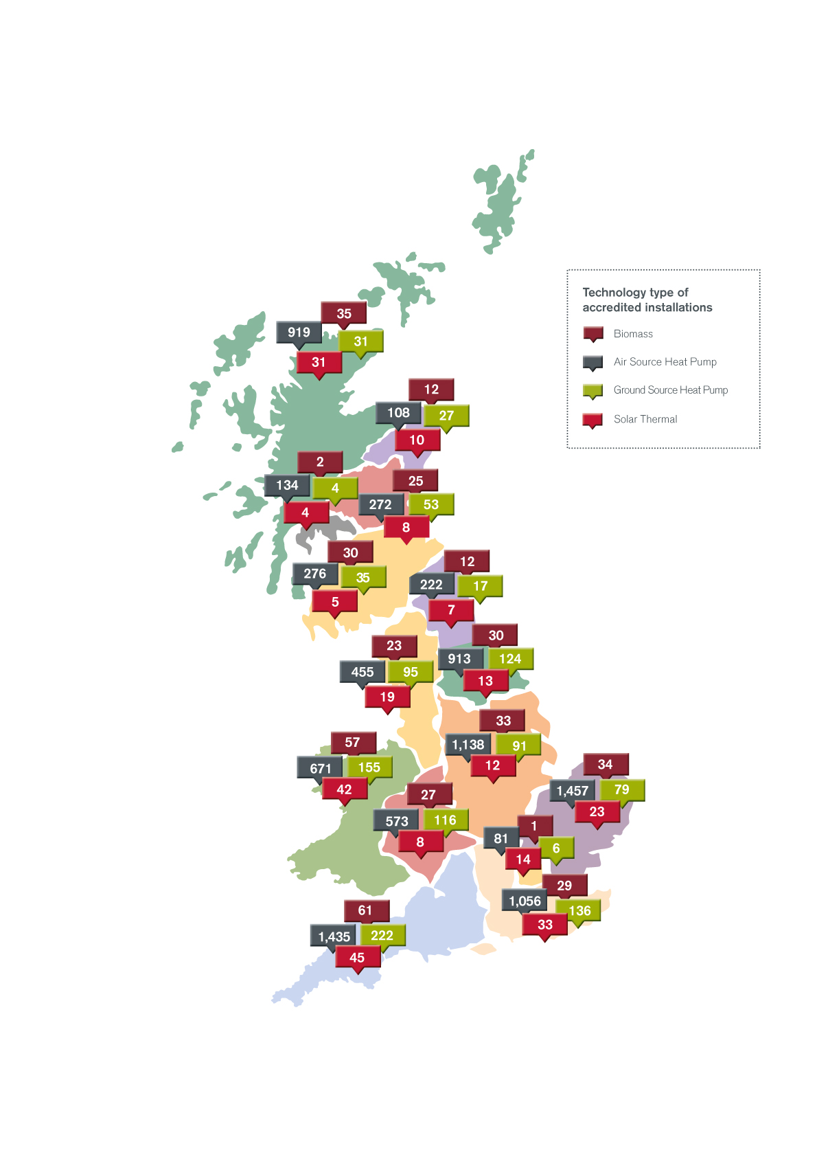

Location | ASHP | Biomass | GSHP | Solar Thermal | Location Total
East of England | 1,457 | 34 | 79 | 23 | 1,593
South West | 1,435 | 61 | 222 | 45 | 1,763
East Midlands | 1,138 | 33 | 91 | 12 | 1,274
South East | 1,056 | 29 | 136 | 33 | 1,254
Highlands and Islands | 919 | 35 | 31 | 31 | 1,016
Yorkshire and The Humber | 913 | 30 | 124 | 13 | 1,080
Wales | 671 | 57 | 155 | 42 | 925
West Midlands | 573 | 27 | 116 | 8 | 724
North West | 455 | 23 | 95 | 19 | 592
Southern Scotland | 276 | 30 | 35 | 5 | 346
East Scotland | 272 | 25 | 53 | 8 | 358
North East | 222 | 12 | 17 | 7 | 258
West Central Scotland | 134 | 2 | 4 | 4 | 144
North East Scotland | 108 | 12 | 27 | 10 | 157
London | 81 | 1 | 6 | 14 | 102
Technology Total | 9,710 | 411 | 1,191 | 274 | 11,586

*ASHP: air source heat pump
*GSHP: ground source heat pump

Fig1.7 Total by Tech & Country
Chapter 1: Applications & Accreditations

Figure 1.7: Total accreditations granted by technology and country (%)

 | Country | ASHP | Biomass | GSHP | Solar Thermal | Country Total
 | England | 41,076 | 7,431 | 9,157 | 6,859 | 64,523
 | Wales | 2,835 | 1,170 | 1,132 | 829 | 5,966
 | Scotland | 10,306 | 3,738 | 1,548 | 1,256 | 16,848
 | Technology Total | 54,217 | 12,339 | 11,837 | 8,944

 | *ASHP: air source heat pump
 | **GSHP: ground source heat pump

Fig1.8 Heat Tech. Replaced
Chapter 1: Applications & Accreditations

Figure 1.8: Heating technology replaced

 | Original heating system | Number | %
 | Boiler | 44,920 | 51.4%
 | First heating system | 17,016 | 19.5%
 | Storage heater | 16,227 | 18.6%
 | Do not know | 4,277 | 4.9%
 | Room heaters | 2,478 | 2.8%
 | Heat pumps | 1,749 | 2.0%
 | Warm air | 375 | 0.4%
 | Electric ceiling heating | 210 | 0.2%
 | Community (shared heating) | 85 | 0.1%

Fig1.9 Boiler Fuel Type
Chapter 1: Applications & Accreditations

Figure 1.9: Replaced boiler Fuel Type

 | Fuel | Number | %
 | Oil | 24,211 | 53.9%
 | Gas | 11,597 | 25.8%
 | Coal | 3,710 | 8.3%
 | LPG | 3,410 | 7.6%
 | Electricity | 1,369 | 3.0%
 | Biomass | 475 | 1.1%
 | Unknown | 148 | 0.3%

 | LPG: liquified petroleum gas

Fig1.10 No. RSL Accred. Month
Chapter 1: Applications & Accreditations

Figure 1.10: Number of RSL accreditations per month 2020-21

 | Month | Accreditations
 | Apr-20 | 211
 | May-20 | 141
 | Jun-20 | 102
 | Jul-20 | 87
 | Aug-20 | 103
 | Sep-20 | 118
 | Oct-20 | 176
 | Nov-20 | 281
 | Dec-20 | 178
 | Jan-21 | 200
 | Feb-21 | 177
 | Mar-21 | 255

Fig1.11 Legacy & Non-Legacy RSL
Chapter 1: Applications & Accreditations

Figure 1.11: Legacy and non-legacy RSL accreditations since the start of the scheme

 | Scheme year | Legacy | Non-Legacy
 | 2014-15 | 3,977 | 931
 | 2015-16 | 2,147 | 3,258
 | 2016-17 | 0 | 1,606
 | 2017-18 | 1 | 1,344
 | 2018-19 | 0 | 1,447
 | 2019-20 | 0 | 2,852
 | 2020-21 | 0 | 2,029

Fig1.12 Cumulative MMSP
Chapter 1: Applications & Accreditations

Figure 1.12: Cumulative MMSP registrations 2020-21

 | Month | Cumulative registrations
 | Apr-20 | 1,520
 | May-20 | 1,555
 | Jun-20 | 1,642
 | Jul-20 | 1,716
 | Aug-20 | 1,768
 | Sep-20 | 1,795
 | Oct-20 | 1,845
 | Nov-20 | 1,962
 | Dec-20 | 2,041
 | Jan-21 | 2,141
 | Feb-21 | 2,236
 | Mar-21 | 2,316

Fig2.1 Payments made 2020-21
Chapter 2: Payments

Figure 2.1 Payments made in 2020-21

 | Technology Type | Sum of Amount
 | Air Source Heat Pump | £48,230,207
 | Biomass | £51,511,717
 | Ground Source Heat Pump | £42,178,116
 | Solar Thermal | £2,709,713
 | Grand Total | £144,629,754

