How we arrived at the ‘Bytes’
How we arrived at the ‘Bytes’
A short note on how we arrived at the ‘byte’ estimation.

1. The entities in CSS Logical Data Model have attributes. For each one of the attributes we have identified a possible (technology agnostic) data type domain, as documented in the URS. For e.g.:
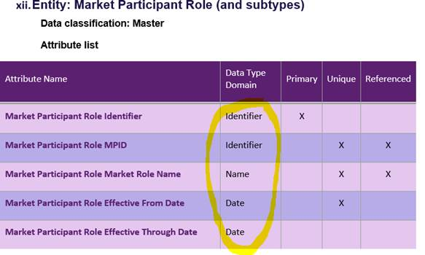

2. For the purpose of physical estimation we go a step further and pick a assumed physical implementation, where possible using existing field size for each of the attribute, and came up with the following:
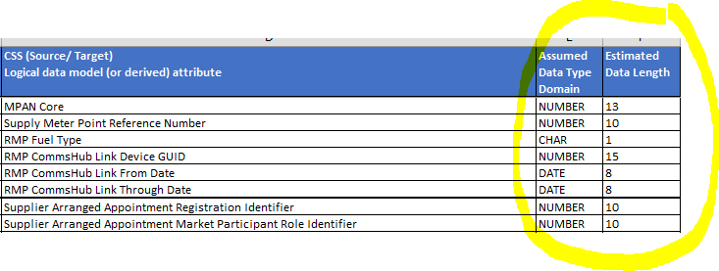

3. In the last step, we checked some database technology implementations for eg: Oracle/ SQLServer/ MySQL/ MongoDB and got a fair feel of how the data formats (INT/CHAR/VARCHAR etc) are implemented and picked a specific format and the size in Bytes used by it, which is roughly common across the implementations. The above table was then appended with the Bytes column. All based on rough/ average estimations.

